TP
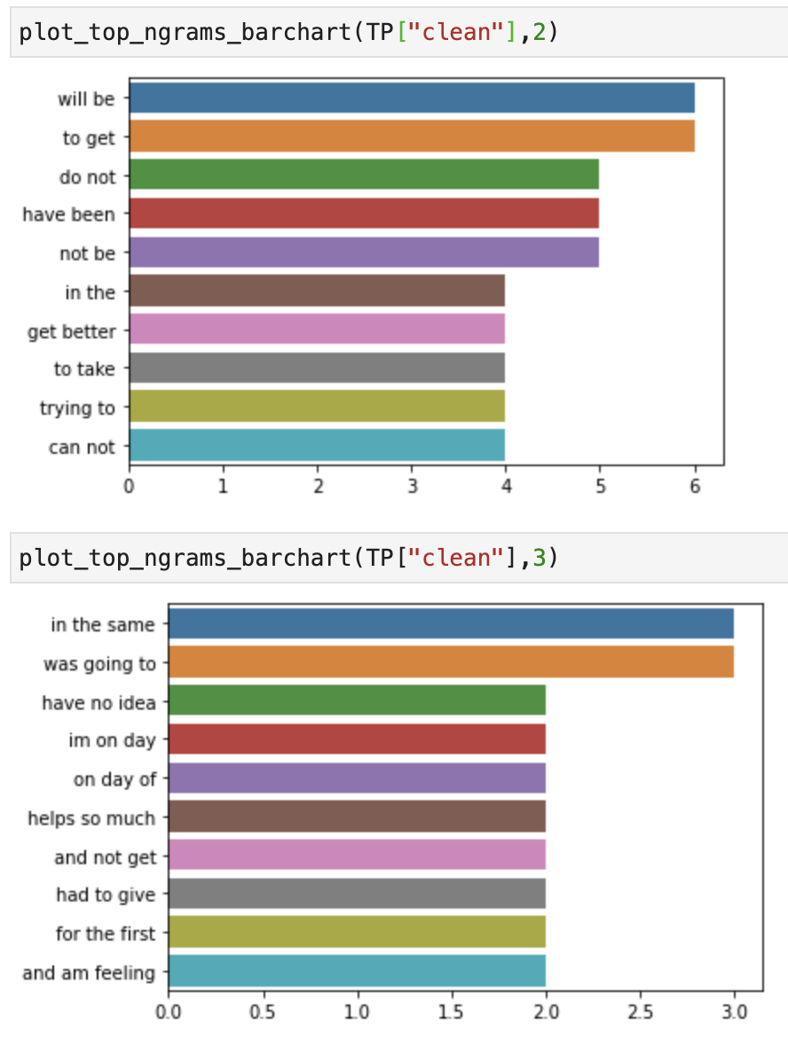
doc | clean | tokens | prediction | ground_truth
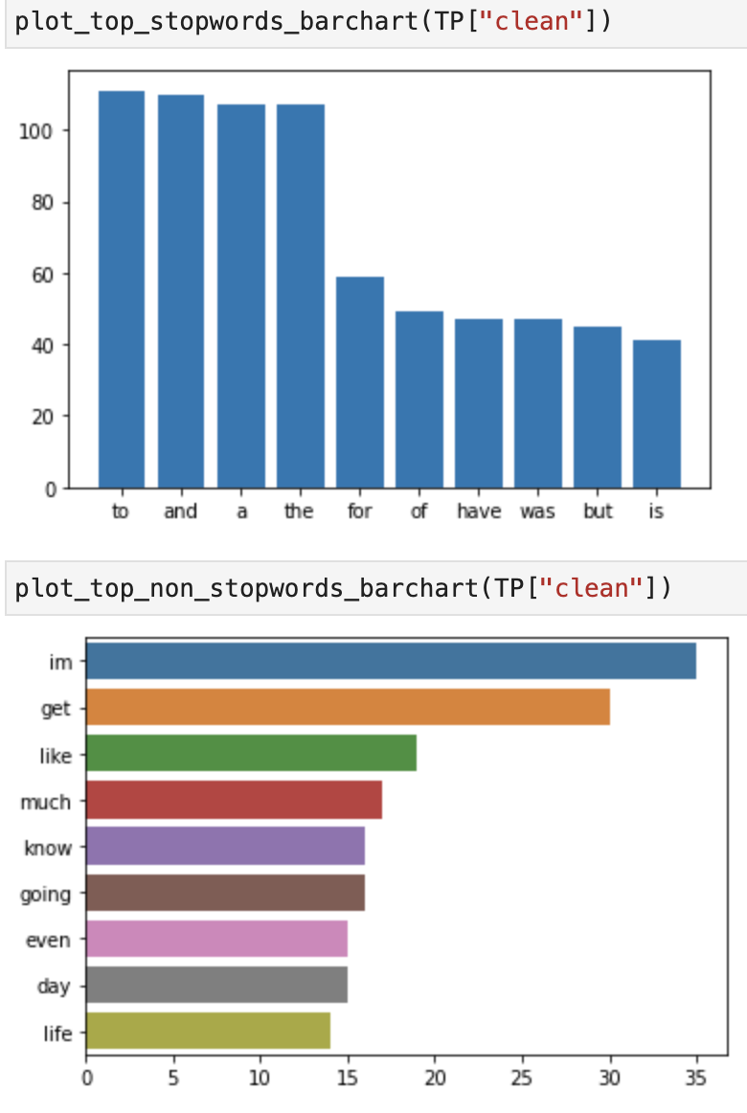
Day 6 being sober It feels like cocaine. I got so much power I don’t know what to do. Gonna hit the gym 💪 | day 6 being sober feels like cocaine got so much power dont know to do gonna hit the gym | ['day', '6', 'being', 'sober', 'feels', 'like', 'cocaine', 'got', 'so', 'much', 'power', 'dont', 'know', 'to', 'do', 'gonna', 'hit', 'the', 'gym'] | 2 | 2
Just know you can do it. Im using red kratom, go get some. Im on day 3 of Cold turkey, and i feel like shit but the kratom helps SO much. And i feel AMAZING knowing im leaving this bullshit behind me. You CAN do it | just know can do im using red kratom go get some im on day 3 of cold turkey and feel like shit but the kratom helps so much and feel amazing knowing im leaving bullshit behind can do | ['just', 'know', 'can', 'do', 'im', 'using', 'red', 'kratom', 'go', 'get', 'some', 'im', 'on', 'day', '3', 'of', 'cold', 'turkey', 'and', 'feel', 'like', 'shit', 'but', 'the', 'kratom', 'helps', 'so', 'much', 'and', 'feel', 'amazing', 'knowing', 'im', 'leaving', 'bullshit', 'behind', 'can', 'do'] | 2 | 2
I'm on methadone it definitely doesn't work well for me. | am on methadone definitely does not work well for | ['am', 'on', 'methadone', 'definitely', 'does', 'not', 'work', 'well', 'for'] | 2 | 2
Yeah dude, guess metabolism has a huge role in how fast it passes. Has to be more to it than just that, but it eludes me lol. Be careful out there | yeah dude guess metabolism has a huge role in how fast passes has to be more to than just but eludes lol be careful out there | ['yeah', 'dude', 'guess', 'metabolism', 'has', 'a', 'huge', 'role', 'in', 'how', 'fast', 'passes', 'has', 'to', 'be', 'more', 'to', 'than', 'just', 'but', 'eludes', 'lol', 'be', 'careful', 'out', 'there'] | 2 | 2
Also have to say I’m more thankful than ever for my sobriety today. Cocaine was my DOC- I truly believe if I wouldn’t have gotten sober when I did I would have succumbed to my addiction sooner than later. A new life is out there if you’re struggling. You CAN overcome https://t.co/8zlnItTprc | also have to say im more thankful than ever for sobriety today cocaine was doc truly believe if wouldnt have gotten sober when did would have succumbed to addiction sooner than later a new life is out there if youre struggling can overcome | ['also', 'have', 'to', 'say', 'im', 'more', 'thankful', 'than', 'ever', 'for', 'sobriety', 'today', 'cocaine', 'was', 'doc', 'truly', 'believe', 'if', 'wouldnt', 'have', 'gotten', 'sober', 'when', 'did', 'would', 'have', 'succumbed', 'to', 'addiction', 'sooner', 'than', 'later', 'a', 'new', 'life', 'is', 'out', 'there', 'if', 'youre', 'struggling', 'can', 'overcome'] | 2 | 2
If u are dead set on takin the oxys then save em for tomorrow when u aint on the xans and the booze | if u are dead set on takin the oxys then save em for tomorrow when u aint on the xans and the booze | ['if', 'u', 'are', 'dead', 'set', 'on', 'takin', 'the', 'oxys', 'then', 'save', 'em', 'for', 'tomorrow', 'when', 'u', 'aint', 'on', 'the', 'xans', 'and', 'the', 'booze'] | 2 | 2
My vision gets blurry when I do loads of heroin. To a point where I permanently squint with one eye to even see shit. And I get super dumb. Maybe they are even stronger than you think and you are just very, very high. | vision gets blurry when do loads of heroin to a point where permanently squint with one eye to even see shit and get super dumb maybe are even stronger than think and are just very very high | ['vision', 'gets', 'blurry', 'when', 'do', 'loads', 'of', 'heroin', 'to', 'a', 'point', 'where', 'permanently', 'squint', 'with', 'one', 'eye', 'to', 'even', 'see', 'shit', 'and', 'get', 'super', 'dumb', 'maybe', 'are', 'even', 'stronger', 'than', 'think', 'and', 'are', 'just', 'very', 'very', 'high'] | 2 | 2
Meth AND phetamene now that’s a bargain I could get addicted too!!! | meth and phetamene now thats a bargain could get addicted too | ['meth', 'and', 'phetamene', 'now', 'thats', 'a', 'bargain', 'could', 'get', 'addicted', 'too'] | 2 | 2
I’m sorry that totally sucks. I’m realize how lucky I am to have my pain treated properly. | im sorry totally sucks im realize how lucky am to have pain treated properly | ['im', 'sorry', 'totally', 'sucks', 'im', 'realize', 'how', 'lucky', 'am', 'to', 'have', 'pain', 'treated', 'properly'] | 2 | 2
thankyou for the concern i always give the same advice. but i smoked a small piece and am feeling pretty good, nowhere near as good as roxys tho imo | thankyou for the concern always give the same advice but smoked a small piece and am feeling pretty good nowhere near as good as roxys tho imo | ['thankyou', 'for', 'the', 'concern', 'always', 'give', 'the', 'same', 'advice', 'but', 'smoked', 'a', 'small', 'piece', 'and', 'am', 'feeling', 'pretty', 'good', 'nowhere', 'near', 'as', 'good', 'as', 'roxys', 'tho', 'imo'] | 2 | 2
I am now a mandatory Heroin addict in Tarkov. Shoot up twice at the start of a raid. Shoot me in the head once and I die though. :( | am now a mandatory heroin addict in tarkov shoot up twice at the start of a raid shoot in the head once and die though | ['am', 'now', 'a', 'mandatory', 'heroin', 'addict', 'in', 'tarkov', 'shoot', 'up', 'twice', 'at', 'the', 'start', 'of', 'a', 'raid', 'shoot', 'in', 'the', 'head', 'once', 'and', 'die', 'though'] | 2 | 2
I just finished day 4 today, and I'm feeling much better... I know I still have acute to deal with... but maybe going on a run in the morning to help with that. I used to love running. Will be posting on here tomorrow. | just finished day 4 today and am feeling much better know still have acute to deal with but maybe going on a run in the morning to help with used to love running will be posting on here tomorrow | ['just', 'finished', 'day', '4', 'today', 'and', 'am', 'feeling', 'much', 'better', 'know', 'still', 'have', 'acute', 'to', 'deal', 'with', 'but', 'maybe', 'going', 'on', 'a', 'run', 'in', 'the', 'morning', 'to', 'help', 'with', 'used', 'to', 'love', 'running', 'will', 'be', 'posting', 'on', 'here', 'tomorrow'] | 2 | 2
Hi, I experienced this when I had withdrawals (twice) earlier this year, feels like something is trying to crawl out of your chest. Not sure how normal it is though😭 | hi experienced when had withdrawals twice earlier year feels like something is trying to crawl out of chest not sure how normal is though | ['hi', 'experienced', 'when', 'had', 'withdrawals', 'twice', 'earlier', 'year', 'feels', 'like', 'something', 'is', 'trying', 'to', 'crawl', 'out', 'of', 'chest', 'not', 'sure', 'how', 'normal', 'is', 'though'] | 2 | 2
the visceral disdain i feel when people unironically say weed is a plant.. as an opiate addict | the visceral disdain feel when people unironically say weed is a plant as an opiate addict | ['the', 'visceral', 'disdain', 'feel', 'when', 'people', 'unironically', 'say', 'weed', 'is', 'a', 'plant', 'as', 'an', 'opiate', 'addict'] | 2 | 2
pls big bro just one norco 5mg pls im begging 😮‍💨 | pls big bro just one norco 5mg pls im begging | ['pls', 'big', 'bro', 'just', 'one', 'norco', '5mg', 'pls', 'im', 'begging'] | 2 | 2
I've also been avoiding unhealthy foods + been taking Vitamin B and C supplements, fish oil, and ashwaganda everyday since day 9. | have also been avoiding unhealthy foods been taking vitamin b and c supplements fish oil and ashwaganda everyday since day 9 | ['have', 'also', 'been', 'avoiding', 'unhealthy', 'foods', 'been', 'taking', 'vitamin', 'b', 'and', 'c', 'supplements', 'fish', 'oil', 'and', 'ashwaganda', 'everyday', 'since', 'day', '9'] | 2 | 2
I always found having a shower helped with the scalp itching. Codeine would always give me bad itching. Morphine itching I find rather pleasant. | always found having a shower helped with the scalp itching codeine would always give bad itching morphine itching find rather pleasant | ['always', 'found', 'having', 'a', 'shower', 'helped', 'with', 'the', 'scalp', 'itching', 'codeine', 'would', 'always', 'give', 'bad', 'itching', 'morphine', 'itching', 'find', 'rather', 'pleasant'] | 2 | 2
I’m having unrelated health problems that affect my energy level on top of the “blahs” of PAWS. However I forced myself out of bed this morning and did a 15 minute exercise routine on YouTube. It did help. | im having unrelated health problems affect energy level on top of the blahs of paws however forced out of bed morning and did a 15 minute exercise routine on youtube did help | ['im', 'having', 'unrelated', 'health', 'problems', 'affect', 'energy', 'level', 'on', 'top', 'of', 'the', 'blahs', 'of', 'paws', 'however', 'forced', 'out', 'of', 'bed', 'morning', 'and', 'did', 'a', '15', 'minute', 'exercise', 'routine', 'on', 'youtube', 'did', 'help'] | 2 | 2
i been itching for two days. these the best percs | been itching for two days the best percs | ['been', 'itching', 'for', 'two', 'days', 'the', 'best', 'percs'] | 2 | 2
Yeah I just need to stay focused and not listen to that voice they tells me just once won’t hurt. It always hurts. How long have you been sober? I have sleep issues naturally as well so I feel you on the insomnia. | yeah just need to stay focused and not listen to voice tells just once wont hurt always hurts how long have been sober have sleep issues naturally as well so feel on the insomnia | ['yeah', 'just', 'need', 'to', 'stay', 'focused', 'and', 'not', 'listen', 'to', 'voice', 'tells', 'just', 'once', 'wont', 'hurt', 'always', 'hurts', 'how', 'long', 'have', 'been', 'sober', 'have', 'sleep', 'issues', 'naturally', 'as', 'well', 'so', 'feel', 'on', 'the', 'insomnia'] | 2 | 2
Dude, tell me about it. I’m 31 and the kicks really el get worse. Right now I’m so damn sluggish it’s driving me batshit. | dude tell about im 31 and the kicks really el get worse right now im so damn sluggish driving batshit | ['dude', 'tell', 'about', 'im', '31', 'and', 'the', 'kicks', 'really', 'el', 'get', 'worse', 'right', 'now', 'im', 'so', 'damn', 'sluggish', 'driving', 'batshit'] | 2 | 2
I find that for myself staying connected to other people in recovery really makes a difference. As you’ve noted, being in your head is not the best idea | find for staying connected to other people in recovery really makes a difference as youve noted being in head is not the best idea | ['find', 'for', 'staying', 'connected', 'to', 'other', 'people', 'in', 'recovery', 'really', 'makes', 'a', 'difference', 'as', 'youve', 'noted', 'being', 'in', 'head', 'is', 'not', 'the', 'best', 'idea'] | 2 | 2
I appreciate it a lot. Im 19 been addicted for about a year &amp; as for body fat im about as skinny and frail as it gets. Only 130 pounds too. | appreciate a lot im 19 been addicted for about a year amp as for body fat im about as skinny and frail as gets only 130 pounds too | ['appreciate', 'a', 'lot', 'im', '19', 'been', 'addicted', 'for', 'about', 'a', 'year', 'amp', 'as', 'for', 'body', 'fat', 'im', 'about', 'as', 'skinny', 'and', 'frail', 'as', 'gets', 'only', '130', 'pounds', 'too'] | 2 | 2
It takes 1 stressful day or something for me to just jump back on it and I hate that. I’ve got no will power. What mental part? What goes through your mild? U start missing the high? | takes 1 stressful day or something for to just jump back on and hate ive got no will power mental part goes through mild u start missing the high | ['takes', '1', 'stressful', 'day', 'or', 'something', 'for', 'to', 'just', 'jump', 'back', 'on', 'and', 'hate', 'ive', 'got', 'no', 'will', 'power', 'mental', 'part', 'goes', 'through', 'mild', 'u', 'start', 'missing', 'the', 'high'] | 2 | 2
I'm not addicted to LSD just benzos, opioid pain killers, sleeping pills, weed and alcohol, ok? | am not addicted to lsd just benzos opioid pain killers sleeping pills weed and alcohol ok | ['am', 'not', 'addicted', 'to', 'lsd', 'just', 'benzos', 'opioid', 'pain', 'killers', 'sleeping', 'pills', 'weed', 'and', 'alcohol', 'ok'] | 2 | 2
Even while I'm going through opioid withdrawal and wake up with bed head, I'm still beautiful britches! 🤒🤧 https://t.co/CRFhuSAUPE | even while am going through opioid withdrawal and wake up with bed head am still beautiful britches | ['even', 'while', 'am', 'going', 'through', 'opioid', 'withdrawal', 'and', 'wake', 'up', 'with', 'bed', 'head', 'am', 'still', 'beautiful', 'britches'] | 2 | 2
I actually have a lot of appetite, a lot more than usual, I eat the same food just as usual but yeah I drank milk this morning and it triggered another diarrhea lol shouldn't have. | actually have a lot of appetite a lot more than usual eat the same food just as usual but yeah drank milk morning and triggered another diarrhea lol should not have | ['actually', 'have', 'a', 'lot', 'of', 'appetite', 'a', 'lot', 'more', 'than', 'usual', 'eat', 'the', 'same', 'food', 'just', 'as', 'usual', 'but', 'yeah', 'drank', 'milk', 'morning', 'and', 'triggered', 'another', 'diarrhea', 'lol', 'should', 'not', 'have'] | 2 | 2
At this point I can take 8 30s at once (240mg) and not get any pupil constriction or anything. Shit blows. Although, I blew my tolerance up with Tianeptine. Stay away from that shit. | at point can take 8 30s at once 240mg and not get any pupil constriction or anything shit blows although blew tolerance up with tianeptine stay away from shit | ['at', 'point', 'can', 'take', '8', '30s', 'at', 'once', '240mg', 'and', 'not', 'get', 'any', 'pupil', 'constriction', 'or', 'anything', 'shit', 'blows', 'although', 'blew', 'tolerance', 'up', 'with', 'tianeptine', 'stay', 'away', 'from', 'shit'] | 2 | 2
What do you mean "Unfortunately" you don't do hard drugs anymore??! Dude being clean and having a good job with some debt is way better than OD'ng without Jack shit to show for your life. Give yourself some credit (no pun intended) | do mean unfortunately do not do hard drugs anymore dude being clean and having a good job with some debt is way better than odng without jack shit to show for life give some credit no pun intended | ['do', 'mean', 'unfortunately', 'do', 'not', 'do', 'hard', 'drugs', 'anymore', 'dude', 'being', 'clean', 'and', 'having', 'a', 'good', 'job', 'with', 'some', 'debt', 'is', 'way', 'better', 'than', 'odng', 'without', 'jack', 'shit', 'to', 'show', 'for', 'life', 'give', 'some', 'credit', 'no', 'pun', 'intended'] | 2 | 2
if you don’t metabolize it well, trams are ass. trams are 1/10 oral morphine, so if you didn’t get that high off 200mg LAST NIGHT, you probably won’t have much luck w 300mg. | if dont metabolize well trams are ass trams are 110 oral morphine so if didnt get high off 200mg last night probably wont have much luck w 300mg | ['if', 'dont', 'metabolize', 'well', 'trams', 'are', 'ass', 'trams', 'are', '110', 'oral', 'morphine', 'so', 'if', 'didnt', 'get', 'high', 'off', '200mg', 'last', 'night', 'probably', 'wont', 'have', 'much', 'luck', 'w', '300mg'] | 2 | 2
I have methadone though so I’m pretty numb 24/7 regardless. | have methadone though so im pretty numb 247 regardless | ['have', 'methadone', 'though', 'so', 'im', 'pretty', 'numb', '247', 'regardless'] | 2 | 2
I got addicted to my fitness, health, and nutrition after pills. In a good way lol. I think a lot of people overlook how much their own confidence plays into their happiness. Building that confidence whether its the gym, a book, a healthy meal, has been a difference maker imo. | got addicted to fitness health and nutrition after pills in a good way lol think a lot of people overlook how much own confidence plays into happiness building confidence whether the gym a book a healthy meal has been a difference maker imo | ['got', 'addicted', 'to', 'fitness', 'health', 'and', 'nutrition', 'after', 'pills', 'in', 'a', 'good', 'way', 'lol', 'think', 'a', 'lot', 'of', 'people', 'overlook', 'how', 'much', 'own', 'confidence', 'plays', 'into', 'happiness', 'building', 'confidence', 'whether', 'the', 'gym', 'a', 'book', 'a', 'healthy', 'meal', 'has', 'been', 'a', 'difference', 'maker', 'imo'] | 2 | 2
Unfortunately I think you need to be actually tripping for your pupils to dilate. | unfortunately think need to be actually tripping for pupils to dilate | ['unfortunately', 'think', 'need', 'to', 'be', 'actually', 'tripping', 'for', 'pupils', 'to', 'dilate'] | 2 | 2
that is amazing. i can’t even tell my real sister because she’s very judgmental about opiates. i don’t blame her. her close friend od’d and died in her bathroom. it’s just a burden i can’t put on her. but i have a close friend who understands | is amazing cant even tell real sister because shes very judgmental about opiates dont blame close friend odd and died in bathroom just a burden cant put on but have a close friend understands | ['is', 'amazing', 'cant', 'even', 'tell', 'real', 'sister', 'because', 'shes', 'very', 'judgmental', 'about', 'opiates', 'dont', 'blame', 'close', 'friend', 'odd', 'and', 'died', 'in', 'bathroom', 'just', 'a', 'burden', 'cant', 'put', 'on', 'but', 'have', 'a', 'close', 'friend', 'understands'] | 2 | 2
Feeling a lot better today, that other days. I was going to work on my car but it’s raining now so guess we’re stuck inside. I’m so happy I’m almost a month clean and don’t know how I want to celebrate. 29 days today and a month on Sunday! | feeling a lot better today other days was going to work on car but raining now so guess were stuck inside im so happy im almost a month clean and dont know how want to celebrate 29 days today and a month on sunday | ['feeling', 'a', 'lot', 'better', 'today', 'other', 'days', 'was', 'going', 'to', 'work', 'on', 'car', 'but', 'raining', 'now', 'so', 'guess', 'were', 'stuck', 'inside', 'im', 'so', 'happy', 'im', 'almost', 'a', 'month', 'clean', 'and', 'dont', 'know', 'how', 'want', 'to', 'celebrate', '29', 'days', 'today', 'and', 'a', 'month', 'on', 'sunday'] | 2 | 2
U really shouldnt mix em with xans if u dont have a tolerance. | u really shouldnt mix em with xans if u dont have a tolerance | ['u', 'really', 'shouldnt', 'mix', 'em', 'with', 'xans', 'if', 'u', 'dont', 'have', 'a', 'tolerance'] | 2 | 2
If I relapse, how do I move past it, I’m so scared. | if relapse how do move past im so scared | ['if', 'relapse', 'how', 'do', 'move', 'past', 'im', 'so', 'scared'] | 2 | 2
Stay clean if that’s too much get on methadone it changes lives really | stay clean if thats too much get on methadone changes lives really | ['stay', 'clean', 'if', 'thats', 'too', 'much', 'get', 'on', 'methadone', 'changes', 'lives', 'really'] | 2 | 2
I think (touch wood) I am over the worst of my Antidepressant withdrawal, in fact I actually felt quite good today! | think touch wood am over the worst of antidepressant withdrawal in fact actually felt quite good today | ['think', 'touch', 'wood', 'am', 'over', 'the', 'worst', 'of', 'antidepressant', 'withdrawal', 'in', 'fact', 'actually', 'felt', 'quite', 'good', 'today'] | 2 | 2
Rehab isn't possible right now. I'm doing good right now. I have very strong support network and regular addiction counselling | rehab is not possible right now am doing good right now have very strong support network and regular addiction counselling | ['rehab', 'is', 'not', 'possible', 'right', 'now', 'am', 'doing', 'good', 'right', 'now', 'have', 'very', 'strong', 'support', 'network', 'and', 'regular', 'addiction', 'counselling'] | 2 | 2
I’m on day 7 tram wds. I had a few drinks last night. Tbh it found didn’t have much of an affect. I don’t know if it’s because I feel so wired and restless without the pills? I don’t feel so great today tho | im on day 7 tram wds had a few drinks last night tbh found didnt have much of an affect dont know if because feel so wired and restless without the pills dont feel so great today tho | ['im', 'on', 'day', '7', 'tram', 'wds', 'had', 'a', 'few', 'drinks', 'last', 'night', 'tbh', 'found', 'didnt', 'have', 'much', 'of', 'an', 'affect', 'dont', 'know', 'if', 'because', 'feel', 'so', 'wired', 'and', 'restless', 'without', 'the', 'pills', 'dont', 'feel', 'so', 'great', 'today', 'tho'] | 2 | 2
I wouldn’t go past 2 weeks of use, make sure to take little breaks, or you risk withdrawal | wouldnt go past 2 weeks of use make sure to take little breaks or risk withdrawal | ['wouldnt', 'go', 'past', '2', 'weeks', 'of', 'use', 'make', 'sure', 'to', 'take', 'little', 'breaks', 'or', 'risk', 'withdrawal'] | 2 | 2
Not sure but I will say they are a waste of time really. To me they are not as strong as even tramadol | not sure but will say are a waste of time really to are not as strong as even tramadol | ['not', 'sure', 'but', 'will', 'say', 'are', 'a', 'waste', 'of', 'time', 'really', 'to', 'are', 'not', 'as', 'strong', 'as', 'even', 'tramadol'] | 2 | 2
People always say this but to me it's akin to green tea with bitter undertones, not that bad. I have been taking it for over half a decade now so maybe I'm desensitized haha. | people always say but to is akin to green tea with bitter undertones not bad have been taking for over half a decade now so maybe am desensitized haha | ['people', 'always', 'say', 'but', 'to', 'is', 'akin', 'to', 'green', 'tea', 'with', 'bitter', 'undertones', 'not', 'bad', 'have', 'been', 'taking', 'for', 'over', 'half', 'a', 'decade', 'now', 'so', 'maybe', 'am', 'desensitized', 'haha'] | 2 | 2
Prescription decrease does not decrease addiction issues. It increases them. If I can’t get my morphine, and I NEED it, then what street drug can I get that’s closest....Smack | prescription decrease does not decrease addiction issues increases if cant get morphine and need then street drug can get thats closestsmack | ['prescription', 'decrease', 'does', 'not', 'decrease', 'addiction', 'issues', 'increases', 'if', 'cant', 'get', 'morphine', 'and', 'need', 'then', 'street', 'drug', 'can', 'get', 'thats', 'closestsmack'] | 2 | 2
i’m barely surviving over her and i’m going on 11 months 😅 | im barely surviving over and im going on 11 months | ['im', 'barely', 'surviving', 'over', 'and', 'im', 'going', 'on', '11', 'months'] | 2 | 2
Sometimes when I smoke meth I can literally hear other peoples thoughts haha But when I’m sober I can just hear the other my selves thoughts haha But if I get into a relationship maybe I can hear my boyfriends thoughts 🤔 How do I like… I need an MF doom mask. Hmm hmm hmm | sometimes when smoke meth can literally hear other peoples thoughts haha but when im sober can just hear the other selves thoughts haha but if get into a relationship maybe can hear boyfriends thoughts how do like need an mf doom mask hmm hmm hmm | ['sometimes', 'when', 'smoke', 'meth', 'can', 'literally', 'hear', 'other', 'peoples', 'thoughts', 'haha', 'but', 'when', 'im', 'sober', 'can', 'just', 'hear', 'the', 'other', 'selves', 'thoughts', 'haha', 'but', 'if', 'get', 'into', 'a', 'relationship', 'maybe', 'can', 'hear', 'boyfriends', 'thoughts', 'how', 'do', 'like', 'need', 'an', 'mf', 'doom', 'mask', 'hmm', 'hmm', 'hmm'] | 2 | 2
I drink water like a mofo when detoxing. Like a glass an hour. I was/am constantly pissing in the bathroom. | drink water like a mofo when detoxing like a glass an hour wasam constantly pissing in the bathroom | ['drink', 'water', 'like', 'a', 'mofo', 'when', 'detoxing', 'like', 'a', 'glass', 'an', 'hour', 'wasam', 'constantly', 'pissing', 'in', 'the', 'bathroom'] | 2 | 2
Injection of heroin is extremely bad especially continued use. It can ruin your veins and lungs and heart | injection of heroin is extremely bad especially continued use can ruin veins and lungs and heart | ['injection', 'of', 'heroin', 'is', 'extremely', 'bad', 'especially', 'continued', 'use', 'can', 'ruin', 'veins', 'and', 'lungs', 'and', 'heart'] | 2 | 2
Yes. I’m miserable without drugs. I can stay sober for x amount of time but will always go back. 12 steps promising a spiritual experience and a new mindset and way of life. Drugs are but a symptom of our spiritual sickness. | yes im miserable without drugs can stay sober for x amount of time but will always go back 12 steps promising a spiritual experience and a new mindset and way of life drugs are but a symptom of spiritual sickness | ['yes', 'im', 'miserable', 'without', 'drugs', 'can', 'stay', 'sober', 'for', 'x', 'amount', 'of', 'time', 'but', 'will', 'always', 'go', 'back', '12', 'steps', 'promising', 'a', 'spiritual', 'experience', 'and', 'a', 'new', 'mindset', 'and', 'way', 'of', 'life', 'drugs', 'are', 'but', 'a', 'symptom', 'of', 'spiritual', 'sickness'] | 2 | 2
I’m off a percocet I’m itching👨🏽‍🍳 | im off a percocet im itching | ['im', 'off', 'a', 'percocet', 'im', 'itching'] | 2 | 2

E
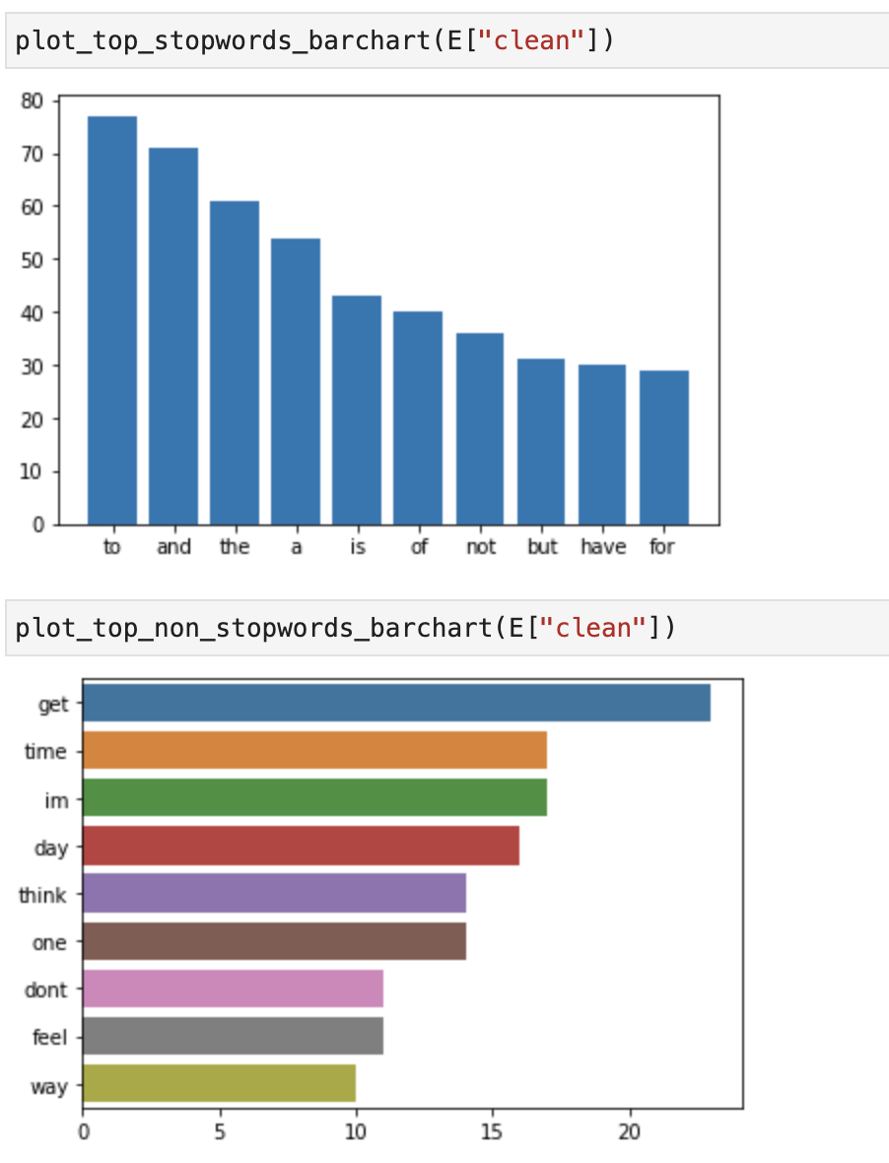
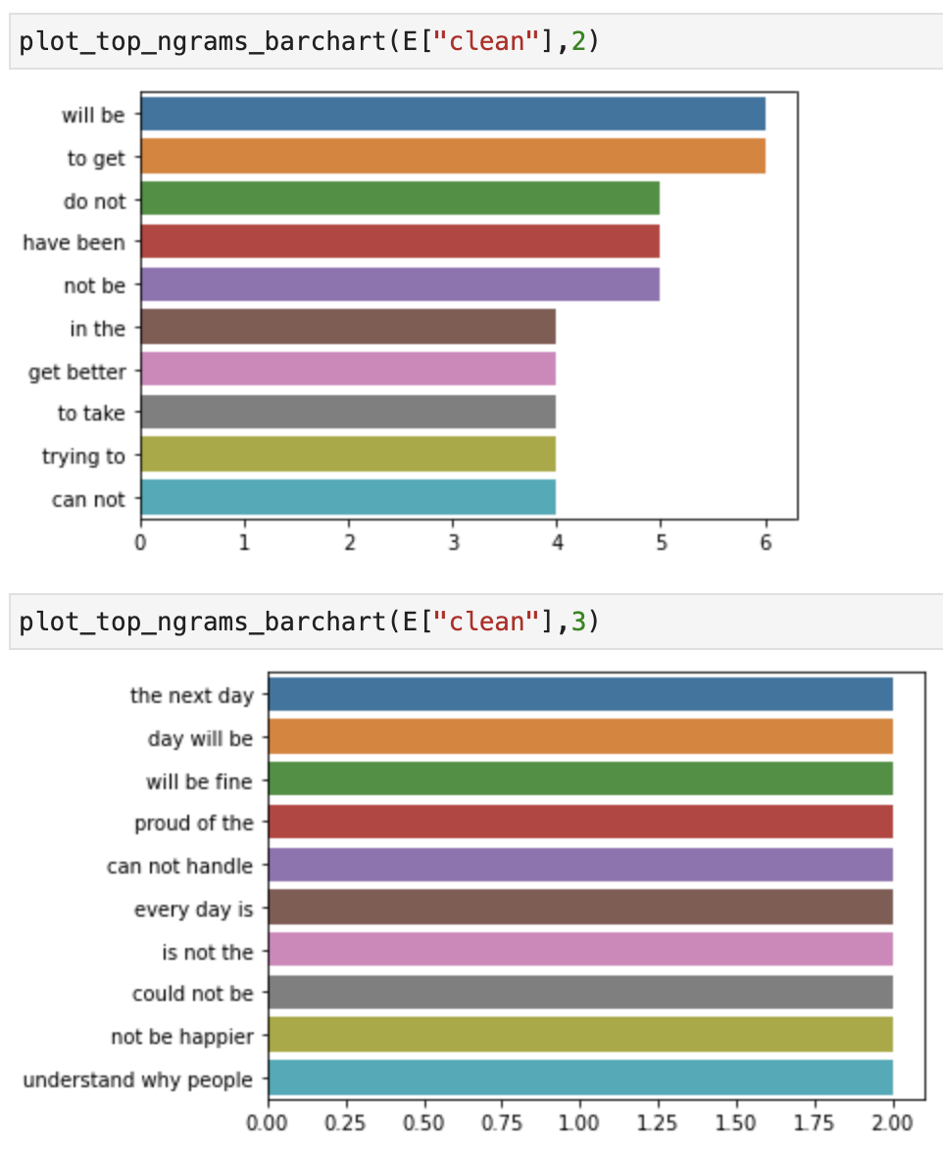
doc | clean | tokens | prediction | ground_truth
You dont need to feel guilt or shame. You turned that stuff down. Good job. You're still early in the ballgame. Cravings are normal and natural. They'll get better. | dont need to feel guilt or shame turned stuff down good job are still early in the ballgame cravings are normal and natural will get better | ['dont', 'need', 'to', 'feel', 'guilt', 'or', 'shame', 'turned', 'stuff', 'down', 'good', 'job', 'are', 'still', 'early', 'in', 'the', 'ballgame', 'cravings', 'are', 'normal', 'and', 'natural', 'will', 'get', 'better'] | 2 | 1
I tested it with marquis test and they tested oxy, I was scared they were fent | tested with marquis test and tested oxy was scared were fent | ['tested', 'with', 'marquis', 'test', 'and', 'tested', 'oxy', 'was', 'scared', 'were', 'fent'] | 1 | 2
Long time booze hound opiate addict, that drank through withdrawals. In my experience it will not extend the opiate withdrawal symptoms, but you'll definitely feel way worse. | long time booze hound opiate addict drank through withdrawals in experience will not extend the opiate withdrawal symptoms but will definitely feel way worse | ['long', 'time', 'booze', 'hound', 'opiate', 'addict', 'drank', 'through', 'withdrawals', 'in', 'experience', 'will', 'not', 'extend', 'the', 'opiate', 'withdrawal', 'symptoms', 'but', 'will', 'definitely', 'feel', 'way', 'worse'] | 2 | 1
A relapse? So youve been addicted to these before and u dont know what your body can handle? Stick to the smirnoff bro and send those k57s to me. Cool? | a relapse so youve been addicted to before and u dont know body can handle stick to the smirnoff bro and send k57s to cool | ['a', 'relapse', 'so', 'youve', 'been', 'addicted', 'to', 'before', 'and', 'u', 'dont', 'know', 'body', 'can', 'handle', 'stick', 'to', 'the', 'smirnoff', 'bro', 'and', 'send', 'k57s', 'to', 'cool'] | 2 | 1
i did so many cold turkey withdrawals on my own until i found out you can just walk into these places.... | did so many cold turkey withdrawals on own until found out can just walk into places | ['did', 'so', 'many', 'cold', 'turkey', 'withdrawals', 'on', 'own', 'until', 'found', 'out', 'can', 'just', 'walk', 'into', 'places'] | 2 | 1
I use to sleep right here while I go as addicted to heroin. Don’t let nobody tell you what you can accomplish in life. I’m proof https://t.co/IJNpmq5RQj | use to sleep right here while go as addicted to heroin dont let nobody tell can accomplish in life im proof | ['use', 'to', 'sleep', 'right', 'here', 'while', 'go', 'as', 'addicted', 'to', 'heroin', 'dont', 'let', 'nobody', 'tell', 'can', 'accomplish', 'in', 'life', 'im', 'proof'] | 2 | 1
I can really relate to this. Especially the "I don't think that one hit, try another" But really, all of them, along with "fuck it, why not", "I might as well use up my stash then it will be easier to quit", "I deserve to feel good", "Just one more night..." and more! | can really relate to especially the do not think one hit try another but really all of along with fuck why not might as well use up stash then will be easier to quit deserve to feel good just one more night and more | ['can', 'really', 'relate', 'to', 'especially', 'the', 'do', 'not', 'think', 'one', 'hit', 'try', 'another', 'but', 'really', 'all', 'of', 'along', 'with', 'fuck', 'why', 'not', 'might', 'as', 'well', 'use', 'up', 'stash', 'then', 'will', 'be', 'easier', 'to', 'quit', 'deserve', 'to', 'feel', 'good', 'just', 'one', 'more', 'night', 'and', 'more'] | 0 | 2
I buy 5 grams at a time so it's the same batch, and tapering has worked for every other drug addiction I've quit. I'll let ya know when I'm done. | buy 5 grams at a time so is the same batch and tapering has worked for every other drug addiction have quit will let ya know when am done | ['buy', '5', 'grams', 'at', 'a', 'time', 'so', 'is', 'the', 'same', 'batch', 'and', 'tapering', 'has', 'worked', 'for', 'every', 'other', 'drug', 'addiction', 'have', 'quit', 'will', 'let', 'ya', 'know', 'when', 'am', 'done'] | 2 | 0
You'll be alright. Been on subs ages. Just used one bag? Have a sleep. Then take it as normal the next day. You'll be fine. I do it all the time. The only time I get PWD is if I've been on a week binge. You had one bag for one day. You'll be fine. I promise. | will be alright been on subs ages just used one bag have a sleep then take as normal the next day will be fine do all the time the only time get pwd is if have been on a week binge had one bag for one day will be fine promise | ['will', 'be', 'alright', 'been', 'on', 'subs', 'ages', 'just', 'used', 'one', 'bag', 'have', 'a', 'sleep', 'then', 'take', 'as', 'normal', 'the', 'next', 'day', 'will', 'be', 'fine', 'do', 'all', 'the', 'time', 'the', 'only', 'time', 'get', 'pwd', 'is', 'if', 'have', 'been', 'on', 'a', 'week', 'binge', 'had', 'one', 'bag', 'for', 'one', 'day', 'will', 'be', 'fine', 'promise'] | 0 | 2
Poppin Percocet solve all my problems | poppin percocet solve all problems | ['poppin', 'percocet', 'solve', 'all', 'problems'] | 2 | 0
Didn’t take my adderall on time today, by the time I thought of doing so it was much too late to take it (I’m on extended release, don’t want to mess up my sleep) Now I’m trying to figure out if my brain is super funky from amphetamine withdrawal, or was it always like this? | didnt take adderall on time today by the time thought of doing so was much too late to take im on extended release dont want to mess up sleep now im trying to figure out if brain is super funky from amphetamine withdrawal or was always like | ['didnt', 'take', 'adderall', 'on', 'time', 'today', 'by', 'the', 'time', 'thought', 'of', 'doing', 'so', 'was', 'much', 'too', 'late', 'to', 'take', 'im', 'on', 'extended', 'release', 'dont', 'want', 'to', 'mess', 'up', 'sleep', 'now', 'im', 'trying', 'to', 'figure', 'out', 'if', 'brain', 'is', 'super', 'funky', 'from', 'amphetamine', 'withdrawal', 'or', 'was', 'always', 'like'] | 1 | 0
This is some real shit. I think a vast majority of us feel that way. May not be actively suicidal but we keep seeing how close we can get to the edge. We nay not be trying to kill ourselves, but if it happens, it happens | is some real shit think a vast majority of us feel way may not be actively suicidal but keep seeing how close can get to the edge nay not be trying to kill but if happens happens | ['is', 'some', 'real', 'shit', 'think', 'a', 'vast', 'majority', 'of', 'us', 'feel', 'way', 'may', 'not', 'be', 'actively', 'suicidal', 'but', 'keep', 'seeing', 'how', 'close', 'can', 'get', 'to', 'the', 'edge', 'nay', 'not', 'be', 'trying', 'to', 'kill', 'but', 'if', 'happens', 'happens'] | 0 | 2
I think the worst part was the god awful taste of chemicals. Its like your body is pulling from every corner and pushing chemicals out. Gives me PTSD just thinking about that night. | think the worst part was the god awful taste of chemicals like body is pulling from every corner and pushing chemicals out gives ptsd just thinking about night | ['think', 'the', 'worst', 'part', 'was', 'the', 'god', 'awful', 'taste', 'of', 'chemicals', 'like', 'body', 'is', 'pulling', 'from', 'every', 'corner', 'and', 'pushing', 'chemicals', 'out', 'gives', 'ptsd', 'just', 'thinking', 'about', 'night'] | 1 | 2
Kratom tastes super disgusting so I’d recommend the capsules. yeah it’s wayyyy more expensive but they’re many times easier than trying to choke down that dogshit | kratom tastes super disgusting so id recommend the capsules yeah wayyyy more expensive but theyre many times easier than trying to choke down dogshit | ['kratom', 'tastes', 'super', 'disgusting', 'so', 'id', 'recommend', 'the', 'capsules', 'yeah', 'wayyyy', 'more', 'expensive', 'but', 'theyre', 'many', 'times', 'easier', 'than', 'trying', 'to', 'choke', 'down', 'dogshit'] | 1 | 2
I will say that during the acute phase I can't stand taking showers. I mean, the hot water can feel good, no doubt, but in general I just feel really cold during the whole process and it makes me miserable. | will say during the acute phase can not stand taking showers mean the hot water can feel good no doubt but in general just feel really cold during the whole process and makes miserable | ['will', 'say', 'during', 'the', 'acute', 'phase', 'can', 'not', 'stand', 'taking', 'showers', 'mean', 'the', 'hot', 'water', 'can', 'feel', 'good', 'no', 'doubt', 'but', 'in', 'general', 'just', 'feel', 'really', 'cold', 'during', 'the', 'whole', 'process', 'and', 'makes', 'miserable'] | 2 | 1
I can not sleep so maybe I will use tramadol | can not sleep so maybe will use tramadol | ['can', 'not', 'sleep', 'so', 'maybe', 'will', 'use', 'tramadol'] | 2 | 0
I’ll also use trazadone so I don’t build a benzo addiction. So I can use which ever first. Getting sleep initially is very important since your body is freaking out | ill also use trazadone so dont build a benzo addiction so can use ever first getting sleep initially is very important since body is freaking out | ['ill', 'also', 'use', 'trazadone', 'so', 'dont', 'build', 'a', 'benzo', 'addiction', 'so', 'can', 'use', 'ever', 'first', 'getting', 'sleep', 'initially', 'is', 'very', 'important', 'since', 'body', 'is', 'freaking', 'out'] | 2 | 0
Yes that's why I'm so frustrated with myself that I picked methadone of all things ... But I'm going to get through it. I have to jd | yes is why am so frustrated with picked methadone of all things but am going to get through have to jd | ['yes', 'is', 'why', 'am', 'so', 'frustrated', 'with', 'picked', 'methadone', 'of', 'all', 'things', 'but', 'am', 'going', 'to', 'get', 'through', 'have', 'to', 'jd'] | 2 | 0
I did this as well.. the PAWS depression from a rapid detox is the worst thing ever.. you def pay it one way or another | did as well the paws depression from a rapid detox is the worst thing ever def pay one way or another | ['did', 'as', 'well', 'the', 'paws', 'depression', 'from', 'a', 'rapid', 'detox', 'is', 'the', 'worst', 'thing', 'ever', 'def', 'pay', 'one', 'way', 'or', 'another'] | 2 | 1
To give myself every tool available to deal with cravings and get some serious time beyond this relapse. I know MAT isn’t for everyone, but it’s worked for me in the past and I didn’t have much trouble stopping the subs when the time came. | to give every tool available to deal with cravings and get some serious time beyond relapse know mat isnt for everyone but worked for in the past and didnt have much trouble stopping the subs when the time came | ['to', 'give', 'every', 'tool', 'available', 'to', 'deal', 'with', 'cravings', 'and', 'get', 'some', 'serious', 'time', 'beyond', 'relapse', 'know', 'mat', 'isnt', 'for', 'everyone', 'but', 'worked', 'for', 'in', 'the', 'past', 'and', 'didnt', 'have', 'much', 'trouble', 'stopping', 'the', 'subs', 'when', 'the', 'time', 'came'] | 1 | 2
Time to mix 🥃 Hennessy+Taylor Port+Xanax +Percocet I wonder where will I land 🪂 | time to mix hennessytaylor portxanax percocet wonder where will land | ['time', 'to', 'mix', 'hennessytaylor', 'portxanax', 'percocet', 'wonder', 'where', 'will', 'land'] | 2 | 0
Good shit man. 72 days from fent myself today. Take care of yourself, keep the post acute withdrawals in mind whenever you’re having an off day. All love and good luck. | good shit man 72 days from fent today take care of keep the post acute withdrawals in mind whenever youre having an off day all love and good luck | ['good', 'shit', 'man', '72', 'days', 'from', 'fent', 'today', 'take', 'care', 'of', 'keep', 'the', 'post', 'acute', 'withdrawals', 'in', 'mind', 'whenever', 'youre', 'having', 'an', 'off', 'day', 'all', 'love', 'and', 'good', 'luck'] | 0 | 2
I see what you're saying but I know myself pretty well and I have more self control than that. I've quit other drugs before and tapering works for me, kinda suck that nobody gave any advice on how to do it. Guess I'll figure it out myself | see are saying but know pretty well and have more self control than have quit other drugs before and tapering works for kinda suck nobody gave any advice on how to do guess will figure out | ['see', 'are', 'saying', 'but', 'know', 'pretty', 'well', 'and', 'have', 'more', 'self', 'control', 'than', 'have', 'quit', 'other', 'drugs', 'before', 'and', 'tapering', 'works', 'for', 'kinda', 'suck', 'nobody', 'gave', 'any', 'advice', 'on', 'how', 'to', 'do', 'guess', 'will', 'figure', 'out'] | 0 | 1
Yep I go from 20 bag to whole paycheck in about a two week timeframe from my last relapse, which was when the stimulus went out (guess where my stimulus went) | yep go from 20 bag to whole paycheck in about a two week timeframe from last relapse was when the stimulus went out guess where stimulus went | ['yep', 'go', 'from', '20', 'bag', 'to', 'whole', 'paycheck', 'in', 'about', 'a', 'two', 'week', 'timeframe', 'from', 'last', 'relapse', 'was', 'when', 'the', 'stimulus', 'went', 'out', 'guess', 'where', 'stimulus', 'went'] | 1 | 2
Ok so tell me this ! Why is it every time I sober up on meth and ghb kik back ..then take some Adderall, next thing you know.. it's cloudy with a chance of Shards. | ok so tell why is every time sober up on meth and ghb kik back then take some adderall next thing know is cloudy with a chance of shards | ['ok', 'so', 'tell', 'why', 'is', 'every', 'time', 'sober', 'up', 'on', 'meth', 'and', 'ghb', 'kik', 'back', 'then', 'take', 'some', 'adderall', 'next', 'thing', 'know', 'is', 'cloudy', 'with', 'a', 'chance', 'of', 'shards'] | 1 | 2
25 days. had an appointment today for my anxiety that went awesome. i’m excited i have cash for my kids’ dr appointment tomorrow and enough to go immediately get their new glasses. it’s crazy how fast things get better. also working on a painting as a christmas gift for someone | 25 days had an appointment today for anxiety went awesome im excited have cash for kids dr appointment tomorrow and enough to go immediately get new glasses crazy how fast things get better also working on a painting as a christmas gift for someone | ['25', 'days', 'had', 'an', 'appointment', 'today', 'for', 'anxiety', 'went', 'awesome', 'im', 'excited', 'have', 'cash', 'for', 'kids', 'dr', 'appointment', 'tomorrow', 'and', 'enough', 'to', 'go', 'immediately', 'get', 'new', 'glasses', 'crazy', 'how', 'fast', 'things', 'get', 'better', 'also', 'working', 'on', 'a', 'painting', 'as', 'a', 'christmas', 'gift', 'for', 'someone'] | 2 | 0
I thought about it but honestly i dont trust myself. I decided to go CT due to my addictive personality. So Ive just been dealing. Its actually improving daily and i pray it continues to get better. Thanks for the advice!!! | thought about but honestly dont trust decided to go ct due to addictive personality so ive just been dealing actually improving daily and pray continues to get better thanks for the advice | ['thought', 'about', 'but', 'honestly', 'dont', 'trust', 'decided', 'to', 'go', 'ct', 'due', 'to', 'addictive', 'personality', 'so', 'ive', 'just', 'been', 'dealing', 'actually', 'improving', 'daily', 'and', 'pray', 'continues', 'to', 'get', 'better', 'thanks', 'for', 'the', 'advice'] | 2 | 0
Never, ever drink while detoxing opiates. I think it makes things way worse ha. Plus alcohol will never hit those same receptors and thus will never satisfy. Hope youre still on track mate, happy NY :) | never ever drink while detoxing opiates think makes things way worse ha plus alcohol will never hit same receptors and thus will never satisfy hope youre still on track mate happy ny | ['never', 'ever', 'drink', 'while', 'detoxing', 'opiates', 'think', 'makes', 'things', 'way', 'worse', 'ha', 'plus', 'alcohol', 'will', 'never', 'hit', 'same', 'receptors', 'and', 'thus', 'will', 'never', 'satisfy', 'hope', 'youre', 'still', 'on', 'track', 'mate', 'happy', 'ny'] | 2 | 0
Proud of you! Admitting to my mom that I had a problem was a hard step but it was the right decision. It gave me someone who is in my everyday life to hold me accountable. Hang in there man you’ve got this! | proud of admitting to mom had a problem was a hard step but was the right decision gave someone is in everyday life to hold accountable hang in there man youve got | ['proud', 'of', 'admitting', 'to', 'mom', 'had', 'a', 'problem', 'was', 'a', 'hard', 'step', 'but', 'was', 'the', 'right', 'decision', 'gave', 'someone', 'is', 'in', 'everyday', 'life', 'to', 'hold', 'accountable', 'hang', 'in', 'there', 'man', 'youve', 'got'] | 1 | 0
also forgor to mention i slept outside on our garden on a very uncomfortable bench but it was a way better sleep than my bed could ever give, also why does sleeping on meth feel way better than sober sleeping | also forgor to mention slept outside on garden on a very uncomfortable bench but was a way better sleep than bed could ever give also why does sleeping on meth feel way better than sober sleeping | ['also', 'forgor', 'to', 'mention', 'slept', 'outside', 'on', 'garden', 'on', 'a', 'very', 'uncomfortable', 'bench', 'but', 'was', 'a', 'way', 'better', 'sleep', 'than', 'bed', 'could', 'ever', 'give', 'also', 'why', 'does', 'sleeping', 'on', 'meth', 'feel', 'way', 'better', 'than', 'sober', 'sleeping'] | 1 | 2
Totally missed a doctors appointment cause I was knocked out off this tramadol 🤦🏾‍♀️ | totally missed a doctors appointment cause was knocked out off tramadol | ['totally', 'missed', 'a', 'doctors', 'appointment', 'cause', 'was', 'knocked', 'out', 'off', 'tramadol'] | 1 | 2
Thank you sir, I know of the risks with acetaminophen. I have not done opiates in years before this encounter yesterday, do you think I’d feel anything if I were to take some tonight? | thank sir know of the risks with acetaminophen have not done opiates in years before encounter yesterday do think id feel anything if were to take some tonight | ['thank', 'sir', 'know', 'of', 'the', 'risks', 'with', 'acetaminophen', 'have', 'not', 'done', 'opiates', 'in', 'years', 'before', 'encounter', 'yesterday', 'do', 'think', 'id', 'feel', 'anything', 'if', 'were', 'to', 'take', 'some', 'tonight'] | 0 | 2
Well I never keep one, I stop before I get too deep and I keep at least 10 days off before I start up with fent etc | well never keep one stop before get too deep and keep at least 10 days off before start up with fent etc | ['well', 'never', 'keep', 'one', 'stop', 'before', 'get', 'too', 'deep', 'and', 'keep', 'at', 'least', '10', 'days', 'off', 'before', 'start', 'up', 'with', 'fent', 'etc'] | 2 | 0
My gf has never figured out. Even when time when I get really dizzy and collapsed I talked my way out of it somehow. Y’all ever get that? Like spinners and you can’t stand up? | gf has never figured out even when time when get really dizzy and collapsed talked way out of somehow yall ever get like spinners and cant stand up | ['gf', 'has', 'never', 'figured', 'out', 'even', 'when', 'time', 'when', 'get', 'really', 'dizzy', 'and', 'collapsed', 'talked', 'way', 'out', 'of', 'somehow', 'yall', 'ever', 'get', 'like', 'spinners', 'and', 'cant', 'stand', 'up'] | 2 | 1
Morning #RecoveryPosse today I wont say to the mrs meeting the lads after work be home at 7 I’ll bring a takeaway. Then text her I’m not coming home, sort yourself out after I’ve had cocaine &amp; beers. Roll in at 4am, ruin my weekend &amp; my relationship. Today I stay clean &amp; sober | morning recoveryposse today wont say to the mrs meeting the lads after work be home at 7 ill bring a takeaway then text im not coming home sort out after ive had cocaine amp beers roll in at 4am ruin weekend amp relationship today stay clean amp sober | ['morning', 'recoveryposse', 'today', 'wont', 'say', 'to', 'the', 'mrs', 'meeting', 'the', 'lads', 'after', 'work', 'be', 'home', 'at', '7', 'ill', 'bring', 'a', 'takeaway', 'then', 'text', 'im', 'not', 'coming', 'home', 'sort', 'out', 'after', 'ive', 'had', 'cocaine', 'amp', 'beers', 'roll', 'in', 'at', '4am', 'ruin', 'weekend', 'amp', 'relationship', 'today', 'stay', 'clean', 'amp', 'sober'] | 1 | 2
I believe you can get clean. A lot of work ahead. But its worthy it. Prayers your way. | believe can get clean a lot of work ahead but worthy prayers way | ['believe', 'can', 'get', 'clean', 'a', 'lot', 'of', 'work', 'ahead', 'but', 'worthy', 'prayers', 'way'] | 2 | 0
will mixing alcohol and oxycodone kill me? im not trying to kms im just bored | will mixing alcohol and oxycodone kill im not trying to kms im just bored | ['will', 'mixing', 'alcohol', 'and', 'oxycodone', 'kill', 'im', 'not', 'trying', 'to', 'kms', 'im', 'just', 'bored'] | 2 | 0
Aw fuck that made me tear up a bit. Thanks so much, dude. I feel like I've been wanting to quit since I started. But there's that voice telling me I'm not done and it's so hard to ignore. | aw fuck made tear up a bit thanks so much dude feel like have been wanting to quit since started but there is voice telling am not done and is so hard to ignore | ['aw', 'fuck', 'made', 'tear', 'up', 'a', 'bit', 'thanks', 'so', 'much', 'dude', 'feel', 'like', 'have', 'been', 'wanting', 'to', 'quit', 'since', 'started', 'but', 'there', 'is', 'voice', 'telling', 'am', 'not', 'done', 'and', 'is', 'so', 'hard', 'to', 'ignore'] | 1 | 0
Can’t believe I went from being a Xanax / Opiate addict to trading $SPY options and maintaining a 4.0 in college… This isn’t a flex at all, just a reminder to bet on yourself. You’re capable of achieving anything! | cant believe went from being a xanax opiate addict to trading spy options and maintaining a 40 in college isnt a flex at all just a reminder to bet on youre capable of achieving anything | ['cant', 'believe', 'went', 'from', 'being', 'a', 'xanax', 'opiate', 'addict', 'to', 'trading', 'spy', 'options', 'and', 'maintaining', 'a', '40', 'in', 'college', 'isnt', 'a', 'flex', 'at', 'all', 'just', 'a', 'reminder', 'to', 'bet', 'on', 'youre', 'capable', 'of', 'achieving', 'anything'] | 2 | 0
Thanks for sharing your personal journey with us all. Unfortunately, addiction happens in a blink of an eye. My story is similar but started after a surgery and being prescribed opiates. I am so proud of the both of you. Stay strong and carry on. Congrats. | thanks for sharing personal journey with us all unfortunately addiction happens in a blink of an eye story is similar but started after a surgery and being prescribed opiates am so proud of the both of stay strong and carry on congrats | ['thanks', 'for', 'sharing', 'personal', 'journey', 'with', 'us', 'all', 'unfortunately', 'addiction', 'happens', 'in', 'a', 'blink', 'of', 'an', 'eye', 'story', 'is', 'similar', 'but', 'started', 'after', 'a', 'surgery', 'and', 'being', 'prescribed', 'opiates', 'am', 'so', 'proud', 'of', 'the', 'both', 'of', 'stay', 'strong', 'and', 'carry', 'on', 'congrats'] | 0 | 1
I wish I could. I can't handle smoking weed. When I smoke weed I climb into other drugs, and I smoke 6-8 a day for months. I can't handle any drugs and it fucking blows. | wish could can not handle smoking weed when smoke weed climb into other drugs and smoke 68 a day for months can not handle any drugs and fucking blows | ['wish', 'could', 'can', 'not', 'handle', 'smoking', 'weed', 'when', 'smoke', 'weed', 'climb', 'into', 'other', 'drugs', 'and', 'smoke', '68', 'a', 'day', 'for', 'months', 'can', 'not', 'handle', 'any', 'drugs', 'and', 'fucking', 'blows'] | 0 | 1
I sobbed earlier as husband had to help me dress. I felt gross. I’m now laid in bed in agony but not wanting to take morphine as I fucked up my OxyContin earlier &amp; so kinda have twice the dose going on. Don’t tell me I’m differently fucking abled. #DisabilityTwitter | sobbed earlier as husband had to help dress felt gross im now laid in bed in agony but not wanting to take morphine as fucked up oxycontin earlier amp so kinda have twice the dose going on dont tell im differently fucking abled disabilitytwitter | ['sobbed', 'earlier', 'as', 'husband', 'had', 'to', 'help', 'dress', 'felt', 'gross', 'im', 'now', 'laid', 'in', 'bed', 'in', 'agony', 'but', 'not', 'wanting', 'to', 'take', 'morphine', 'as', 'fucked', 'up', 'oxycontin', 'earlier', 'amp', 'so', 'kinda', 'have', 'twice', 'the', 'dose', 'going', 'on', 'dont', 'tell', 'im', 'differently', 'fucking', 'abled', 'disabilitytwitter'] | 2 | 1
Idk my days of using were hands down a more exciting time than my days of doing great in college | idk days of using were hands down a more exciting time than days of doing great in college | ['idk', 'days', 'of', 'using', 'were', 'hands', 'down', 'a', 'more', 'exciting', 'time', 'than', 'days', 'of', 'doing', 'great', 'in', 'college'] | 2 | 1
Ive been an addict mate and noone cares. All i cared about was my next hit. | ive been an addict mate and noone cares all cared about was next hit | ['ive', 'been', 'an', 'addict', 'mate', 'and', 'noone', 'cares', 'all', 'cared', 'about', 'was', 'next', 'hit'] | 1 | 2
Day 19 clean for me, and I have been having moments of weakness where I want to use to escape, chimed into the opiates sub Reddit and everyone who chimed in helped me feel better. I think these paws have me super depressed but I’ve been managing. Many blessings all keep it up! | day 19 clean for and have been having moments of weakness where want to use to escape chimed into the opiates sub reddit and everyone chimed in helped feel better think paws have super depressed but ive been managing many blessings all keep up | ['day', '19', 'clean', 'for', 'and', 'have', 'been', 'having', 'moments', 'of', 'weakness', 'where', 'want', 'to', 'use', 'to', 'escape', 'chimed', 'into', 'the', 'opiates', 'sub', 'reddit', 'and', 'everyone', 'chimed', 'in', 'helped', 'feel', 'better', 'think', 'paws', 'have', 'super', 'depressed', 'but', 'ive', 'been', 'managing', 'many', 'blessings', 'all', 'keep', 'up'] | 0 | 2
nah he will end up regretting it later on down the road trust me. subs ain’t nothing to play with. only harder opioid that’s more difficult to come off of is methadone | nah will end up regretting later on down the road trust subs aint nothing to play with only harder opioid thats more difficult to come off of is methadone | ['nah', 'will', 'end', 'up', 'regretting', 'later', 'on', 'down', 'the', 'road', 'trust', 'subs', 'aint', 'nothing', 'to', 'play', 'with', 'only', 'harder', 'opioid', 'thats', 'more', 'difficult', 'to', 'come', 'off', 'of', 'is', 'methadone'] | 2 | 1
This. Zofran helped a lot. I'm a very thin gal as it is and I was rapidly losing weight. The only thing I could keep down was tomato soup and toast. | zofran helped a lot am a very thin gal as is and was rapidly losing weight the only thing could keep down was tomato soup and toast | ['zofran', 'helped', 'a', 'lot', 'am', 'a', 'very', 'thin', 'gal', 'as', 'is', 'and', 'was', 'rapidly', 'losing', 'weight', 'the', 'only', 'thing', 'could', 'keep', 'down', 'was', 'tomato', 'soup', 'and', 'toast'] | 1 | 2
Bahahaha math. I'm getting sober of of meth. I haven't used since Halloween. | bahahaha math am getting sober of of meth have not used since halloween | ['bahahaha', 'math', 'am', 'getting', 'sober', 'of', 'of', 'meth', 'have', 'not', 'used', 'since', 'halloween'] | 1 | 2
I’m on 3 antidepressants and I take kratom 3 times per day. Hasn’t caused any issues yet but not to say it couldn’t. | im on 3 antidepressants and take kratom 3 times per day hasnt caused any issues yet but not to say couldnt | ['im', 'on', '3', 'antidepressants', 'and', 'take', 'kratom', '3', 'times', 'per', 'day', 'hasnt', 'caused', 'any', 'issues', 'yet', 'but', 'not', 'to', 'say', 'couldnt'] | 1 | 2
I will have a year sober from everything on 1/27. Which is tight. | will have a year sober from everything on 127 is tight | ['will', 'have', 'a', 'year', 'sober', 'from', 'everything', 'on', '127', 'is', 'tight'] | 2 | 0
Merry Christmas and hell fucking yeah! Every day is a great day to wake up and not be dope sick ❤️ I have 4 years away from it and I'm living a life I never thought I could manage, keep it up every day is worth it! 💪 | merry christmas and hell fucking yeah every day is a great day to wake up and not be dope sick have 4 years away from and am living a life never thought could manage keep up every day is worth | ['merry', 'christmas', 'and', 'hell', 'fucking', 'yeah', 'every', 'day', 'is', 'a', 'great', 'day', 'to', 'wake', 'up', 'and', 'not', 'be', 'dope', 'sick', 'have', '4', 'years', 'away', 'from', 'and', 'am', 'living', 'a', 'life', 'never', 'thought', 'could', 'manage', 'keep', 'up', 'every', 'day', 'is', 'worth'] | 2 | 0
Tapering tramadol going well! Down from 800mg to 150mg in just a couple months. Been using a bit of kratom the last week or so going g put a stop to that tomorrow for a bit. Hoping to go down to 100mg or 125mg next week. | tapering tramadol going well down from 800mg to 150mg in just a couple months been using a bit of kratom the last week or so going g put a stop to tomorrow for a bit hoping to go down to 100mg or 125mg next week | ['tapering', 'tramadol', 'going', 'well', 'down', 'from', '800mg', 'to', '150mg', 'in', 'just', 'a', 'couple', 'months', 'been', 'using', 'a', 'bit', 'of', 'kratom', 'the', 'last', 'week', 'or', 'so', 'going', 'g', 'put', 'a', 'stop', 'to', 'tomorrow', 'for', 'a', 'bit', 'hoping', 'to', 'go', 'down', 'to', '100mg', 'or', '125mg', 'next', 'week'] | 0 | 2
Don't get sick when you stop and you don't have to be responsible and take it every day. | do not get sick when stop and do not have to be responsible and take every day | ['do', 'not', 'get', 'sick', 'when', 'stop', 'and', 'do', 'not', 'have', 'to', 'be', 'responsible', 'and', 'take', 'every', 'day'] | 0 | 1
These percocets like steroids , they got me stayingg strongg .. 😶‍🌫️❤️‍🩹 | percocets like steroids got stayingg strongg | ['percocets', 'like', 'steroids', 'got', 'stayingg', 'strongg'] | 1 | 2
No sweat my man....I never ever thought I would get clean but I did it and I don’t even think about opiates anymore | no sweat mani never ever thought would get clean but did and dont even think about opiates anymore | ['no', 'sweat', 'mani', 'never', 'ever', 'thought', 'would', 'get', 'clean', 'but', 'did', 'and', 'dont', 'even', 'think', 'about', 'opiates', 'anymore'] | 2 | 1
Yes. I quit oxys and lost like 15 lbs (down to like 115/120, for context). The positive news is that I stayed smaller, mostly because I'm actually active and have time and money to eat real food. | yes quit oxys and lost like 15 lbs down to like 115120 for context the positive news is stayed smaller mostly because am actually active and have time and money to eat real food | ['yes', 'quit', 'oxys', 'and', 'lost', 'like', '15', 'lbs', 'down', 'to', 'like', '115120', 'for', 'context', 'the', 'positive', 'news', 'is', 'stayed', 'smaller', 'mostly', 'because', 'am', 'actually', 'active', 'and', 'have', 'time', 'and', 'money', 'to', 'eat', 'real', 'food'] | 2 | 1
L-to the-O-L. Assuming I hit a nerve. 8 months of an addiction doesn’t mean a lifetime of addiction. I appreciate the emotion behind your comments. You are coming from a true place, I believe that. | lto theol assuming hit a nerve 8 months of an addiction doesnt mean a lifetime of addiction appreciate the emotion behind comments are coming from a true place believe | ['lto', 'theol', 'assuming', 'hit', 'a', 'nerve', '8', 'months', 'of', 'an', 'addiction', 'doesnt', 'mean', 'a', 'lifetime', 'of', 'addiction', 'appreciate', 'the', 'emotion', 'behind', 'comments', 'are', 'coming', 'from', 'a', 'true', 'place', 'believe'] | 2 | 1
I'm skeptical of anyone that claims to be "cured" from addiction. That's not the way addiction works and that's exactly their addiction convincing them that they are removed from being able to go right back into it if they pick up | am skeptical of anyone claims to be cured from addiction is not the way addiction works and is exactly addiction convincing are removed from being able to go right back into if pick up | ['am', 'skeptical', 'of', 'anyone', 'claims', 'to', 'be', 'cured', 'from', 'addiction', 'is', 'not', 'the', 'way', 'addiction', 'works', 'and', 'is', 'exactly', 'addiction', 'convincing', 'are', 'removed', 'from', 'being', 'able', 'to', 'go', 'right', 'back', 'into', 'if', 'pick', 'up'] | 2 | 1
I’ve heard shit about bowel movements and opioids so I thought it made him constipated and he finally took a shit or something lol. I don’t think opioids make you constipated though. Idk though I don’t use them that much. | ive heard shit about bowel movements and opioids so thought made constipated and finally took a shit or something lol dont think opioids make constipated though idk though dont use much | ['ive', 'heard', 'shit', 'about', 'bowel', 'movements', 'and', 'opioids', 'so', 'thought', 'made', 'constipated', 'and', 'finally', 'took', 'a', 'shit', 'or', 'something', 'lol', 'dont', 'think', 'opioids', 'make', 'constipated', 'though', 'idk', 'though', 'dont', 'use', 'much'] | 1 | 2
That's awesome man. The first of this month was 21 months for me, just starting to get my life back now. I work in recovery making crap money, I just bought a shitbox truck with 175k on it, and I honestly couldn't be happier | is awesome man the first of month was 21 months for just starting to get life back now work in recovery making crap money just bought a shitbox truck with 175k on and honestly could not be happier | ['is', 'awesome', 'man', 'the', 'first', 'of', 'month', 'was', '21', 'months', 'for', 'just', 'starting', 'to', 'get', 'life', 'back', 'now', 'work', 'in', 'recovery', 'making', 'crap', 'money', 'just', 'bought', 'a', 'shitbox', 'truck', 'with', '175k', 'on', 'and', 'honestly', 'could', 'not', 'be', 'happier'] | 1 | 0
I use to wonder why people used drugs I couldnt for the life of me understand why people would do something that would potentially hurt them. After 12 years and counting (Although here pretty soon I'll be slowing my roll with harder substances) I completely understand why people do drugs. Honestly I believe you should try anything (that wont kill you!) at least twice. Have fun my friend life is short enjoy it you wanna try something then please by all means try it dont let people scare you into missing out on something you're interested in. Do the research know and understand what it is you are getting yourself into an do it! Hope this is helpful to you and anybody else. | use to wonder why people used drugs couldnt for the life of understand why people would do something would potentially hurt after 12 years and counting although here pretty soon will be slowing roll with harder substances completely understand why people do drugs honestly believe should try anything wont kill at least twice have fun friend life is short enjoy wanna try something then please by all means try dont let people scare into missing out on something are interested in do the research know and understand is are getting into an do hope is helpful to and anybody else | ['use', 'to', 'wonder', 'why', 'people', 'used', 'drugs', 'couldnt', 'for', 'the', 'life', 'of', 'understand', 'why', 'people', 'would', 'do', 'something', 'would', 'potentially', 'hurt', 'after', '12', 'years', 'and', 'counting', 'although', 'here', 'pretty', 'soon', 'will', 'be', 'slowing', 'roll', 'with', 'harder', 'substances', 'completely', 'understand', 'why', 'people', 'do', 'drugs', 'honestly', 'believe', 'should', 'try', 'anything', 'wont', 'kill', 'at', 'least', 'twice', 'have', 'fun', 'friend', 'life', 'is', 'short', 'enjoy', 'wanna', 'try', 'something', 'then', 'please', 'by', 'all', 'means', 'try', 'dont', 'let', 'people', 'scare', 'into', 'missing', 'out', 'on', 'something', 'are', 'interested', 'in', 'do', 'the', 'research', 'know', 'and', 'understand', 'is', 'are', 'getting', 'into', 'an', 'do', 'hope', 'is', 'helpful', 'to', 'and', 'anybody', 'else'] | 0 | 1
I get it now, I was under the impression that you wanted to get clean, than decided fuck it and got some more, or you were picking up more so you could detox with it, maybe get high one last time | get now was under the impression wanted to get clean than decided fuck and got some more or were picking up more so could detox with maybe get high one last time | ['get', 'now', 'was', 'under', 'the', 'impression', 'wanted', 'to', 'get', 'clean', 'than', 'decided', 'fuck', 'and', 'got', 'some', 'more', 'or', 'were', 'picking', 'up', 'more', 'so', 'could', 'detox', 'with', 'maybe', 'get', 'high', 'one', 'last', 'time'] | 1 | 2
So even after stopping for months, just a one time use brings it all back? I wanted to quit for a month or so to try and reset my body/brain lol. I'll miss them for sure but onto a better life it is. | so even after stopping for months just a one time use brings all back wanted to quit for a month or so to try and reset bodybrain lol will miss for sure but onto a better life is | ['so', 'even', 'after', 'stopping', 'for', 'months', 'just', 'a', 'one', 'time', 'use', 'brings', 'all', 'back', 'wanted', 'to', 'quit', 'for', 'a', 'month', 'or', 'so', 'to', 'try', 'and', 'reset', 'bodybrain', 'lol', 'will', 'miss', 'for', 'sure', 'but', 'onto', 'a', 'better', 'life', 'is'] | 2 | 0
Yeah, I think it helped. It definitely made me not completely sober lol but I think I’m in the zombie stage now (just over 11 hours since I took it). Probably gonna spend my Christmas Day in bed, wallowing in self-pity. Merry Christmas, my friend! Happy Holidays as well. | yeah think helped definitely made not completely sober lol but think im in the zombie stage now just over 11 hours since took probably going to spend christmas day in bed wallowing in selfpity merry christmas friend happy holidays as well | ['yeah', 'think', 'helped', 'definitely', 'made', 'not', 'completely', 'sober', 'lol', 'but', 'think', 'im', 'in', 'the', 'zombie', 'stage', 'now', 'just', 'over', '11', 'hours', 'since', 'took', 'probably', 'going', 'to', 'spend', 'christmas', 'day', 'in', 'bed', 'wallowing', 'in', 'selfpity', 'merry', 'christmas', 'friend', 'happy', 'holidays', 'as', 'well'] | 1 | 2
Hey guys! Thank you for your help. I am from this day 130 days opiate free :) now Valium and dealing with underlying anxiety is next. Thanks again:) | hey guys thank for help am from day 130 days opiate free now valium and dealing with underlying anxiety is next thanks again | ['hey', 'guys', 'thank', 'for', 'help', 'am', 'from', 'day', '130', 'days', 'opiate', 'free', 'now', 'valium', 'and', 'dealing', 'with', 'underlying', 'anxiety', 'is', 'next', 'thanks', 'again'] | 0 | 2
I went 2 months clean and relapsed on fent and it was all bad very quickly. Best of luck. | went 2 months clean and relapsed on fent and was all bad very quickly best of luck | ['went', '2', 'months', 'clean', 'and', 'relapsed', 'on', 'fent', 'and', 'was', 'all', 'bad', 'very', 'quickly', 'best', 'of', 'luck'] | 1 | 2
I'm in one of my rare moods were I just want one dose of morphine. Just one dose, to feel them warmth and relaxation. If you've ever had it, you know what I'm talking about. | am in one of rare moods were just want one dose of morphine just one dose to feel warmth and relaxation if have ever had know am talking about | ['am', 'in', 'one', 'of', 'rare', 'moods', 'were', 'just', 'want', 'one', 'dose', 'of', 'morphine', 'just', 'one', 'dose', 'to', 'feel', 'warmth', 'and', 'relaxation', 'if', 'have', 'ever', 'had', 'know', 'am', 'talking', 'about'] | 0 | 1
You know the pain is serious when oxycodone makes no difference 😢 | know the pain is serious when oxycodone makes no difference | ['know', 'the', 'pain', 'is', 'serious', 'when', 'oxycodone', 'makes', 'no', 'difference'] | 2 | 1
Being clean and sober is lovely but sometimes I wonder if the last 6 years of stress is more harmful than heroin. 🤔 | being clean and sober is lovely but sometimes wonder if the last 6 years of stress is more harmful than heroin | ['being', 'clean', 'and', 'sober', 'is', 'lovely', 'but', 'sometimes', 'wonder', 'if', 'the', 'last', '6', 'years', 'of', 'stress', 'is', 'more', 'harmful', 'than', 'heroin'] | 1 | 2
Thanks to Heroin I think I'm addicted to needles | thanks to heroin think am addicted to needles | ['thanks', 'to', 'heroin', 'think', 'am', 'addicted', 'to', 'needles'] | 0 | 2
Diazepam is basically my favorite drug of all time barring opiates. One of the few things I might do given the chance. | diazepam is basically favorite drug of all time barring opiates one of the few things might do given the chance | ['diazepam', 'is', 'basically', 'favorite', 'drug', 'of', 'all', 'time', 'barring', 'opiates', 'one', 'of', 'the', 'few', 'things', 'might', 'do', 'given', 'the', 'chance'] | 2 | 0
God thank F it’s not just me. It actually feels painful to simply exist. I have every physical/material need met but the sheer mental/emotional pain is bloody hectic. | god thank f not just actually feels painful to simply exist have every physicalmaterial need met but the sheer mentalemotional pain is bloody hectic | ['god', 'thank', 'f', 'not', 'just', 'actually', 'feels', 'painful', 'to', 'simply', 'exist', 'have', 'every', 'physicalmaterial', 'need', 'met', 'but', 'the', 'sheer', 'mentalemotional', 'pain', 'is', 'bloody', 'hectic'] | 0 | 2
Its always helped me with diarrhea associated with withdrawals but I've never been on naltrexone so not positive about that. Doesn't have any psychoactive properties so it doesn't get you high or anything like that | always helped with diarrhea associated with withdrawals but have never been on naltrexone so not positive about does not have any psychoactive properties so does not get high or anything like | ['always', 'helped', 'with', 'diarrhea', 'associated', 'with', 'withdrawals', 'but', 'have', 'never', 'been', 'on', 'naltrexone', 'so', 'not', 'positive', 'about', 'does', 'not', 'have', 'any', 'psychoactive', 'properties', 'so', 'does', 'not', 'get', 'high', 'or', 'anything', 'like'] | 2 | 1
Realised I've been cocaine sober for 2 years this month and honestly, it's been a struggle at times but I'm so happy I've stuck it out ☺️ | realised have been cocaine sober for 2 years month and honestly is been a struggle at times but am so happy have stuck out | ['realised', 'have', 'been', 'cocaine', 'sober', 'for', '2', 'years', 'month', 'and', 'honestly', 'is', 'been', 'a', 'struggle', 'at', 'times', 'but', 'am', 'so', 'happy', 'have', 'stuck', 'out'] | 1 | 2
Proud of the decision. I promise, you put all your all into it you'll be amazed before you're halfway thru... 13years and some change and I'm constantly blown away by the life I'm living. | proud of the decision promise put all all into will be amazed before are halfway thru 13years and some change and am constantly blown away by the life am living | ['proud', 'of', 'the', 'decision', 'promise', 'put', 'all', 'all', 'into', 'will', 'be', 'amazed', 'before', 'are', 'halfway', 'thru', '13years', 'and', 'some', 'change', 'and', 'am', 'constantly', 'blown', 'away', 'by', 'the', 'life', 'am', 'living'] | 0 | 1
I probably did heroin to be in charge of my own sensory input. I’m glad I found a way to get and stay sober but I’d be lying if I said heroin wasn’t medicinal for me. | probably did heroin to be in charge of own sensory input im glad found a way to get and stay sober but id be lying if said heroin wasnt medicinal for | ['probably', 'did', 'heroin', 'to', 'be', 'in', 'charge', 'of', 'own', 'sensory', 'input', 'im', 'glad', 'found', 'a', 'way', 'to', 'get', 'and', 'stay', 'sober', 'but', 'id', 'be', 'lying', 'if', 'said', 'heroin', 'wasnt', 'medicinal', 'for'] | 2 | 1
This oxycontin is making it real hard to write this essay for History of South America class that’s due 20 years ago | oxycontin is making real hard to write essay for history of south america class thats due 20 years ago | ['oxycontin', 'is', 'making', 'real', 'hard', 'to', 'write', 'essay', 'for', 'history', 'of', 'south', 'america', 'class', 'thats', 'due', '20', 'years', 'ago'] | 1 | 2
That's the move man, quit opioids almost 9 years ago after taking Suboxone two or three times (doses) and I couldn't be happier with my decision | is the move man quit opioids almost 9 years ago after taking suboxone two or three times doses and could not be happier with decision | ['is', 'the', 'move', 'man', 'quit', 'opioids', 'almost', '9', 'years', 'ago', 'after', 'taking', 'suboxone', 'two', 'or', 'three', 'times', 'doses', 'and', 'could', 'not', 'be', 'happier', 'with', 'decision'] | 1 | 2
I’m an hour past day 5 and just know THAT IT DOES GET BETTER. Cheers to a sober 2k21 | im an hour past day 5 and just know does get better cheers to a sober 2k21 | ['im', 'an', 'hour', 'past', 'day', '5', 'and', 'just', 'know', 'does', 'get', 'better', 'cheers', 'to', 'a', 'sober', '2k21'] | 2 | 0
It's true. It's scary the level we rely on doctors to do the right thing for us when many of them are inept or just don't care. I'm not sure if I'd been that early in my recovery I'd have been able to be as strong as OP here and for that I commend them greatly. | is true is scary the level rely on doctors to do the right thing for us when many of are inept or just do not care am not sure if would been early in recovery would have been able to be as strong as op here and for commend greatly | ['is', 'true', 'is', 'scary', 'the', 'level', 'rely', 'on', 'doctors', 'to', 'do', 'the', 'right', 'thing', 'for', 'us', 'when', 'many', 'of', 'are', 'inept', 'or', 'just', 'do', 'not', 'care', 'am', 'not', 'sure', 'if', 'would', 'been', 'early', 'in', 'recovery', 'would', 'have', 'been', 'able', 'to', 'be', 'as', 'strong', 'as', 'op', 'here', 'and', 'for', 'commend', 'greatly'] | 0 | 1
I think his point is that it’s not the drugs itself that cause the addiction; it’s the resulting social isolation that causes problems. Not that I agree with that but it’s not that black and white. | think point is not the drugs cause the addiction the resulting social isolation causes problems not agree with but not black and white | ['think', 'point', 'is', 'not', 'the', 'drugs', 'cause', 'the', 'addiction', 'the', 'resulting', 'social', 'isolation', 'causes', 'problems', 'not', 'agree', 'with', 'but', 'not', 'black', 'and', 'white'] | 2 | 0
Yeah, that's why I suggested a "day program". I did mine outpatient and have done well. My point was more that you deserve a team of pros to help you, and that the help is available if you reach out. | yeah is why suggested a day program did mine outpatient and have done well point was more deserve a team of pros to help and the help is available if reach out | ['yeah', 'is', 'why', 'suggested', 'a', 'day', 'program', 'did', 'mine', 'outpatient', 'and', 'have', 'done', 'well', 'point', 'was', 'more', 'deserve', 'a', 'team', 'of', 'pros', 'to', 'help', 'and', 'the', 'help', 'is', 'available', 'if', 'reach', 'out'] | 1 | 2
I’m normally on subutex and I’ve used grams and taken a subutex the next day and been fine. I just wanted to make sure I would’ve been good w suboxone bc I’m not familiar with it. I just switched | im normally on subutex and ive used grams and taken a subutex the next day and been fine just wanted to make sure wouldve been good w suboxone bc im not familiar with just switched | ['im', 'normally', 'on', 'subutex', 'and', 'ive', 'used', 'grams', 'and', 'taken', 'a', 'subutex', 'the', 'next', 'day', 'and', 'been', 'fine', 'just', 'wanted', 'to', 'make', 'sure', 'wouldve', 'been', 'good', 'w', 'suboxone', 'bc', 'im', 'not', 'familiar', 'with', 'just', 'switched'] | 0 | 2
I’m on day 32 (again) and this last week I have started to find the joy in the little things again. You got this shit. Best of luck, ima go not sleep some more. Fml | im on day 32 again and last week have started to find the joy in the little things again got shit best of luck ima go not sleep some more fml | ['im', 'on', 'day', '32', 'again', 'and', 'last', 'week', 'have', 'started', 'to', 'find', 'the', 'joy', 'in', 'the', 'little', 'things', 'again', 'got', 'shit', 'best', 'of', 'luck', 'ima', 'go', 'not', 'sleep', 'some', 'more', 'fml'] | 0 | 2
I think all addicts are. I think the reason we fall into drugs is partly because of that: we don't see a directive or a thing to get passionate about. People who recover usually always get into working out or some hobby. | think all addicts are think the reason fall into drugs is partly because of do not see a directive or a thing to get passionate about people recover usually always get into working out or some hobby | ['think', 'all', 'addicts', 'are', 'think', 'the', 'reason', 'fall', 'into', 'drugs', 'is', 'partly', 'because', 'of', 'do', 'not', 'see', 'a', 'directive', 'or', 'a', 'thing', 'to', 'get', 'passionate', 'about', 'people', 'recover', 'usually', 'always', 'get', 'into', 'working', 'out', 'or', 'some', 'hobby'] | 0 | 2
I’m sorry mate but If I never touched opiates I’d be living a lot longer than I expect to. That maybe personal experience talking but that’s my reality, maybe not everyones, but it’s mine. Once again appreciate the comment though. | im sorry mate but if never touched opiates id be living a lot longer than expect to maybe personal experience talking but thats reality maybe not everyones but mine once again appreciate the comment though | ['im', 'sorry', 'mate', 'but', 'if', 'never', 'touched', 'opiates', 'id', 'be', 'living', 'a', 'lot', 'longer', 'than', 'expect', 'to', 'maybe', 'personal', 'experience', 'talking', 'but', 'thats', 'reality', 'maybe', 'not', 'everyones', 'but', 'mine', 'once', 'again', 'appreciate', 'the', 'comment', 'though'] | 0 | 1
I'm right there with you. I also have a mortgage pay and 2 young children to provide for.. no time for rehab. Gotta keep grinding or I'll lose everything.. | am right there with also have a mortgage pay and 2 young children to provide for no time for rehab gotta keep grinding or will lose everything | ['am', 'right', 'there', 'with', 'also', 'have', 'a', 'mortgage', 'pay', 'and', '2', 'young', 'children', 'to', 'provide', 'for', 'no', 'time', 'for', 'rehab', 'gotta', 'keep', 'grinding', 'or', 'will', 'lose', 'everything'] | 2 | 0
Okay well I guess I'll have to take imodium then, I just had another bad one lol but at least cramps are gone for now. Wdym you felt sick for six months? As in you felt like vomitting or often fell ill? | okay well guess will have to take imodium then just had another bad one lol but at least cramps are gone for now wdym felt sick for six months as in felt like vomitting or often fell ill | ['okay', 'well', 'guess', 'will', 'have', 'to', 'take', 'imodium', 'then', 'just', 'had', 'another', 'bad', 'one', 'lol', 'but', 'at', 'least', 'cramps', 'are', 'gone', 'for', 'now', 'wdym', 'felt', 'sick', 'for', 'six', 'months', 'as', 'in', 'felt', 'like', 'vomitting', 'or', 'often', 'fell', 'ill'] | 1 | 0

TP0
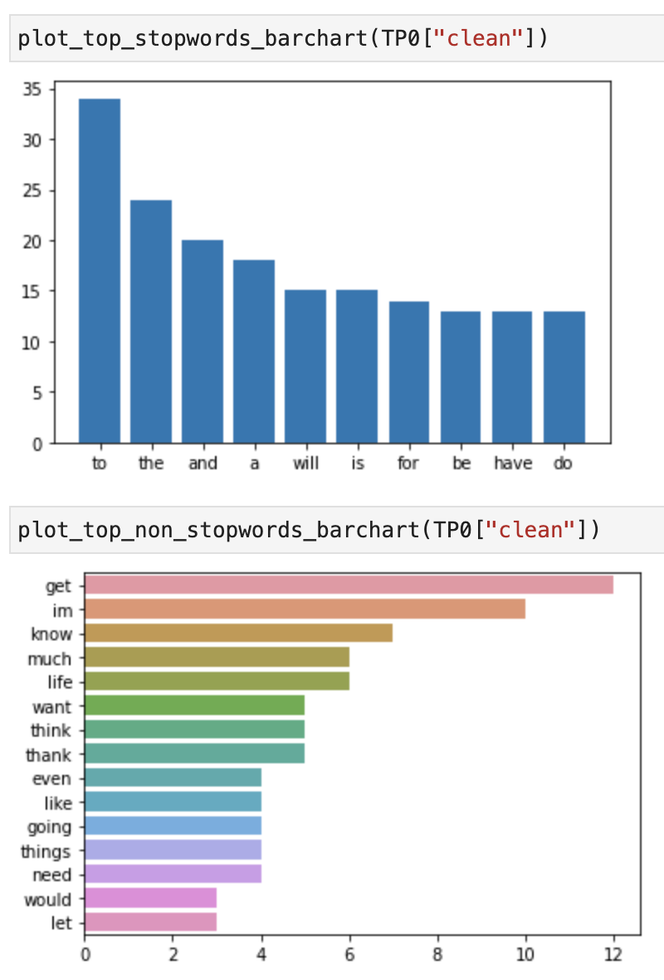
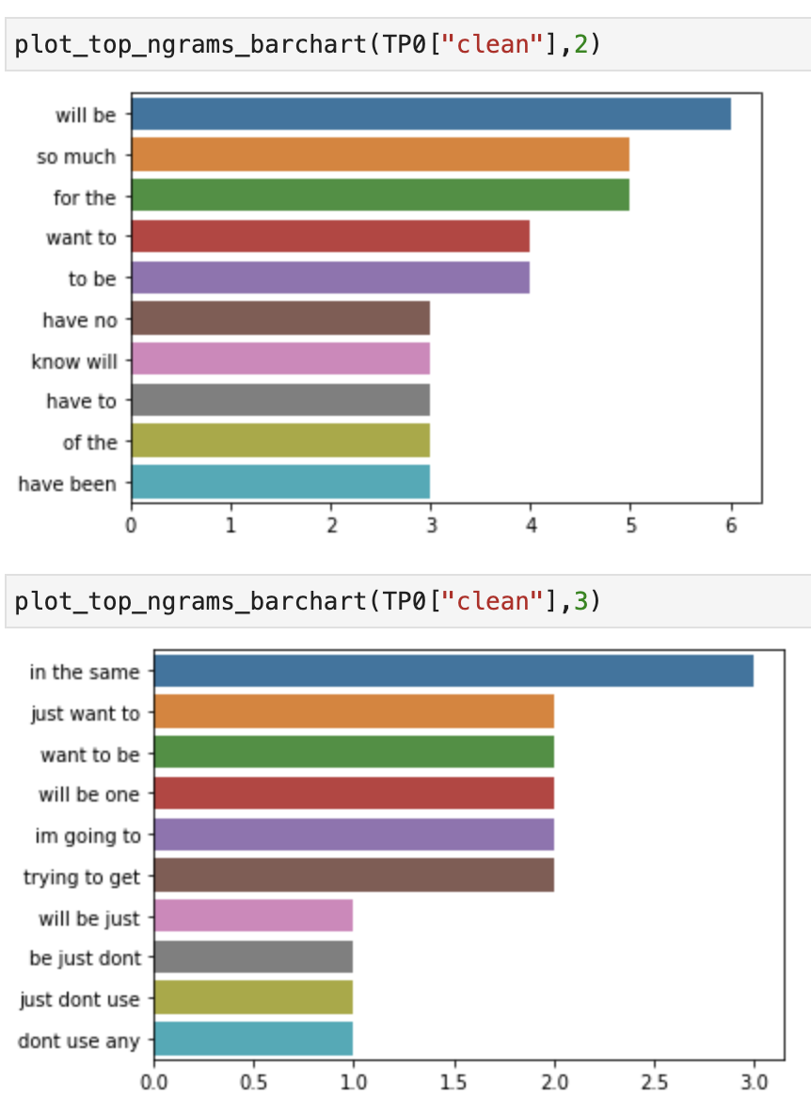
doc | clean | tokens | prediction | ground_truth
It will be just don’t use any substance I learned I even abused weed if that makes sense, I would let it control me just like opiates. Because I have no self control | will be just dont use any substance learned even abused weed if makes sense would let control just like opiates because have no self control | ['will', 'be', 'just', 'dont', 'use', 'any', 'substance', 'learned', 'even', 'abused', 'weed', 'if', 'makes', 'sense', 'would', 'let', 'control', 'just', 'like', 'opiates', 'because', 'have', 'no', 'self', 'control'] | 0 | 0
I want to go do this but I’m so self conscious cause I would have no idea what to do when I got into a gym. Like what exercises to do without looking like an idiot | want to go do but im so self conscious cause would have no idea to do when got into a gym like exercises to do without looking like an idiot | ['want', 'to', 'go', 'do', 'but', 'im', 'so', 'self', 'conscious', 'cause', 'would', 'have', 'no', 'idea', 'to', 'do', 'when', 'got', 'into', 'a', 'gym', 'like', 'exercises', 'to', 'do', 'without', 'looking', 'like', 'an', 'idiot'] | 0 | 0
Do you think it helped rather than jumping off from the start? I know it will be painful either way but I think I might not do it just so I can avoid felling shitty for longer and get the acute withdrawals over with. | do think helped rather than jumping off from the start know will be painful either way but think might not do just so can avoid felling shitty for longer and get the acute withdrawals over with | ['do', 'think', 'helped', 'rather', 'than', 'jumping', 'off', 'from', 'the', 'start', 'know', 'will', 'be', 'painful', 'either', 'way', 'but', 'think', 'might', 'not', 'do', 'just', 'so', 'can', 'avoid', 'felling', 'shitty', 'for', 'longer', 'and', 'get', 'the', 'acute', 'withdrawals', 'over', 'with'] | 0 | 0
TBH When I get clean I have so much energy, I feel well again and happy I don't have to worry about gear. With a habit, I'll feel high for 6 hours, then sick again until I can redose. Going through that every day sucks, you can even sometimes get sick of the buzz. | tbh when get clean have so much energy feel well again and happy do not have to worry about gear with a habit will feel high for 6 hours then sick again until can redose going through every day sucks can even sometimes get sick of the buzz | ['tbh', 'when', 'get', 'clean', 'have', 'so', 'much', 'energy', 'feel', 'well', 'again', 'and', 'happy', 'do', 'not', 'have', 'to', 'worry', 'about', 'gear', 'with', 'a', 'habit', 'will', 'feel', 'high', 'for', '6', 'hours', 'then', 'sick', 'again', 'until', 'can', 'redose', 'going', 'through', 'every', 'day', 'sucks', 'can', 'even', 'sometimes', 'get', 'sick', 'of', 'the', 'buzz'] | 0 | 0
thank you so much. As addiction is a chronically relapsing disease, I know I will slip up at some point later in life. I know I will deal with this for the rest of my life; that is a given. Thank you for the advice and encouragement. It helps so much | thank so much as addiction is a chronically relapsing disease know will slip up at some point later in life know will deal with for the rest of life is a given thank for the advice and encouragement helps so much | ['thank', 'so', 'much', 'as', 'addiction', 'is', 'a', 'chronically', 'relapsing', 'disease', 'know', 'will', 'slip', 'up', 'at', 'some', 'point', 'later', 'in', 'life', 'know', 'will', 'deal', 'with', 'for', 'the', 'rest', 'of', 'life', 'is', 'a', 'given', 'thank', 'for', 'the', 'advice', 'and', 'encouragement', 'helps', 'so', 'much'] | 0 | 0
Nothing I could ever say would take your pain away, I just wanted to let you know I read your story and greatly admire your strength. I hope you keep on fighting, if you can't for yourself, then for the memory of your daughter. | nothing could ever say would take pain away just wanted to let know read story and greatly admire strength hope keep on fighting if can not for then for the memory of daughter | ['nothing', 'could', 'ever', 'say', 'would', 'take', 'pain', 'away', 'just', 'wanted', 'to', 'let', 'know', 'read', 'story', 'and', 'greatly', 'admire', 'strength', 'hope', 'keep', 'on', 'fighting', 'if', 'can', 'not', 'for', 'then', 'for', 'the', 'memory', 'of', 'daughter'] | 0 | 0
Have you tried calling social services? Please don't even consider ending things. I've been there... I STILL get to that point sometimes.... but things will get better, I promise. | have tried calling social services please do not even consider ending things have been there still get to point sometimes but things will get better promise | ['have', 'tried', 'calling', 'social', 'services', 'please', 'do', 'not', 'even', 'consider', 'ending', 'things', 'have', 'been', 'there', 'still', 'get', 'to', 'point', 'sometimes', 'but', 'things', 'will', 'get', 'better', 'promise'] | 0 | 0
I’m in the same situation. I’m really hoping I can taper? DM me if you need a friend. I hate myself so much I cry every day because I just want to be done so bad. | im in the same situation im really hoping can taper dm if need a friend hate so much cry every day because just want to be done so bad | ['im', 'in', 'the', 'same', 'situation', 'im', 'really', 'hoping', 'can', 'taper', 'dm', 'if', 'need', 'a', 'friend', 'hate', 'so', 'much', 'cry', 'every', 'day', 'because', 'just', 'want', 'to', 'be', 'done', 'so', 'bad'] | 0 | 0
It will be one of the toughest things you ever do. It will also be the most rewarding. &amp;#x200B; Its simple.. you only need to change one thing.. and thats everything. I am in the same struggle. Much love | will be one of the toughest things ever do will also be the most rewarding ampx200b simple only need to change one thing and thats everything am in the same struggle much love | ['will', 'be', 'one', 'of', 'the', 'toughest', 'things', 'ever', 'do', 'will', 'also', 'be', 'the', 'most', 'rewarding', 'ampx200b', 'simple', 'only', 'need', 'to', 'change', 'one', 'thing', 'and', 'thats', 'everything', 'am', 'in', 'the', 'same', 'struggle', 'much', 'love'] | 0 | 0
I'm no expert but I mostly hear about withdrawals from long-term use, but maybe like opiates they start faster if you've been addicted before? Either way probably best to knock them off soon | am no expert but mostly hear about withdrawals from longterm use but maybe like opiates start faster if have been addicted before either way probably best to knock off soon | ['am', 'no', 'expert', 'but', 'mostly', 'hear', 'about', 'withdrawals', 'from', 'longterm', 'use', 'but', 'maybe', 'like', 'opiates', 'start', 'faster', 'if', 'have', 'been', 'addicted', 'before', 'either', 'way', 'probably', 'best', 'to', 'knock', 'off', 'soon'] | 0 | 0
I love getting fucked up too , but I also enjoy having money, and a future . I guess you need to find a reason to be sober ? I don’t know if that helps . Remember you can always smoke weed and get through the urges . | love getting fucked up too but also enjoy having money and a future guess need to find a reason to be sober dont know if helps remember can always smoke weed and get through the urges | ['love', 'getting', 'fucked', 'up', 'too', 'but', 'also', 'enjoy', 'having', 'money', 'and', 'a', 'future', 'guess', 'need', 'to', 'find', 'a', 'reason', 'to', 'be', 'sober', 'dont', 'know', 'if', 'helps', 'remember', 'can', 'always', 'smoke', 'weed', 'and', 'get', 'through', 'the', 'urges'] | 0 | 0
do you think itll improve at 60 days. Im almost there I just need something to look foward to im so close to relapsing every night. | do think itll improve at 60 days im almost there just need something to look foward to im so close to relapsing every night | ['do', 'think', 'itll', 'improve', 'at', '60', 'days', 'im', 'almost', 'there', 'just', 'need', 'something', 'to', 'look', 'foward', 'to', 'im', 'so', 'close', 'to', 'relapsing', 'every', 'night'] | 0 | 0
Inspiring! Yeah I’m going to be using Xanax for the first night so I can really rest and let my body heal | inspiring yeah im going to be using xanax for the first night so can really rest and let body heal | ['inspiring', 'yeah', 'im', 'going', 'to', 'be', 'using', 'xanax', 'for', 'the', 'first', 'night', 'so', 'can', 'really', 'rest', 'and', 'let', 'body', 'heal'] | 0 | 0
God I want it so bad. I’m only getting high to not be sick. It’s no way to live. | god want so bad im only getting high to not be sick no way to live | ['god', 'want', 'so', 'bad', 'im', 'only', 'getting', 'high', 'to', 'not', 'be', 'sick', 'no', 'way', 'to', 'live'] | 0 | 0
Keep it up brother. Just think of the hell those pills have caused you, and how amazing your life will be once this part is behind you! | keep up brother just think of the hell pills have caused and how amazing life will be once part is behind | ['keep', 'up', 'brother', 'just', 'think', 'of', 'the', 'hell', 'pills', 'have', 'caused', 'and', 'how', 'amazing', 'life', 'will', 'be', 'once', 'part', 'is', 'behind'] | 0 | 0
I feel ya. The good news is that doing healthy stuff when you're sober (after you get through acute withdrawals) is actually fun again. And living your BEST life is totally worth the pain / work. You got this! Keep posting here and be honest with yourself! | feel ya the good news is doing healthy stuff when are sober after get through acute withdrawals is actually fun again and living best life is totally worth the pain work got keep posting here and be honest with | ['feel', 'ya', 'the', 'good', 'news', 'is', 'doing', 'healthy', 'stuff', 'when', 'are', 'sober', 'after', 'get', 'through', 'acute', 'withdrawals', 'is', 'actually', 'fun', 'again', 'and', 'living', 'best', 'life', 'is', 'totally', 'worth', 'the', 'pain', 'work', 'got', 'keep', 'posting', 'here', 'and', 'be', 'honest', 'with'] | 0 | 0
If he is trying to get sober(some day ) even eventually he should try to not destroy his body with alcohol the rest is fine hope all is good I’m about in the same boat but getting clean/healthy through subs after surgery | if is trying to get sobersome day even eventually should try to not destroy body with alcohol the rest is fine hope all is good im about in the same boat but getting cleanhealthy through subs after surgery | ['if', 'is', 'trying', 'to', 'get', 'sobersome', 'day', 'even', 'eventually', 'should', 'try', 'to', 'not', 'destroy', 'body', 'with', 'alcohol', 'the', 'rest', 'is', 'fine', 'hope', 'all', 'is', 'good', 'im', 'about', 'in', 'the', 'same', 'boat', 'but', 'getting', 'cleanhealthy', 'through', 'subs', 'after', 'surgery'] | 0 | 0
You can do it. Once you do and come out of it, you'll be a stronger person for it. Ask me how I know. Focus on a goal for motivation. You said you're going to see your parents for the holidays. That's a huge goal to strive for. Do you want to be yourself when you see them? I suspect I know the answer. Try to block out everything else and focus on that, mind over matter. | can do once do and come out of will be a stronger person for ask how know focus on a goal for motivation said are going to see parents for the holidays is a huge goal to strive for do want to be when see suspect know the answer try to block out everything else and focus on mind over matter | ['can', 'do', 'once', 'do', 'and', 'come', 'out', 'of', 'will', 'be', 'a', 'stronger', 'person', 'for', 'ask', 'how', 'know', 'focus', 'on', 'a', 'goal', 'for', 'motivation', 'said', 'are', 'going', 'to', 'see', 'parents', 'for', 'the', 'holidays', 'is', 'a', 'huge', 'goal', 'to', 'strive', 'for', 'do', 'want', 'to', 'be', 'when', 'see', 'suspect', 'know', 'the', 'answer', 'try', 'to', 'block', 'out', 'everything', 'else', 'and', 'focus', 'on', 'mind', 'over', 'matter'] | 0 | 0
It's hard to commit suicide. Massive oxycodone overdose in Cambodia is the plan. When I'm free that is. 😔 | is hard to commit suicide massive oxycodone overdose in cambodia is the plan when am free is | ['is', 'hard', 'to', 'commit', 'suicide', 'massive', 'oxycodone', 'overdose', 'in', 'cambodia', 'is', 'the', 'plan', 'when', 'am', 'free', 'is'] | 0 | 0
I see. I just have to constantly remind myself when I’m deep in wd that things will eventually get better. It’s such a strong mind game | see just have to constantly remind when im deep in wd things will eventually get better such a strong mind game | ['see', 'just', 'have', 'to', 'constantly', 'remind', 'when', 'im', 'deep', 'in', 'wd', 'things', 'will', 'eventually', 'get', 'better', 'such', 'a', 'strong', 'mind', 'game'] | 0 | 0
💜 there are no restarts, only moving forward. Shame that kept me from finding and utilizing a support system almost killed me. I can't do this alone. The absence of using isn't enough I have to learn how to create a life worth living or I will go back out. | there are no restarts only moving forward shame kept from finding and utilizing a support system almost killed can not do alone the absence of using is not enough have to learn how to create a life worth living or will go back out | ['there', 'are', 'no', 'restarts', 'only', 'moving', 'forward', 'shame', 'kept', 'from', 'finding', 'and', 'utilizing', 'a', 'support', 'system', 'almost', 'killed', 'can', 'not', 'do', 'alone', 'the', 'absence', 'of', 'using', 'is', 'not', 'enough', 'have', 'to', 'learn', 'how', 'to', 'create', 'a', 'life', 'worth', 'living', 'or', 'will', 'go', 'back', 'out'] | 0 | 0
I think I might stay on the Neuro Regen for a bit though. It could help repair your brain and hopefully some neuroelasticity when trying to get back to a health life style for my mind (which for me is being active and working out). | think might stay on the neuro regen for a bit though could help repair brain and hopefully some neuroelasticity when trying to get back to a health life style for mind for is being active and working out | ['think', 'might', 'stay', 'on', 'the', 'neuro', 'regen', 'for', 'a', 'bit', 'though', 'could', 'help', 'repair', 'brain', 'and', 'hopefully', 'some', 'neuroelasticity', 'when', 'trying', 'to', 'get', 'back', 'to', 'a', 'health', 'life', 'style', 'for', 'mind', 'for', 'is', 'being', 'active', 'and', 'working', 'out'] | 0 | 0
Thanks. Will definitely go and buy all of that! I can deal with the mental side effects, it’s the physical ones I guess I was more concerned with. Thank you thank you | thanks will definitely go and buy all of can deal with the mental side effects the physical ones guess was more concerned with thank thank | ['thanks', 'will', 'definitely', 'go', 'and', 'buy', 'all', 'of', 'can', 'deal', 'with', 'the', 'mental', 'side', 'effects', 'the', 'physical', 'ones', 'guess', 'was', 'more', 'concerned', 'with', 'thank', 'thank'] | 0 | 0
So much better now thank you! Feeling nearly normal. Still get a bit achey and can’t stop eating. Tomorrow morning will be one week clean again! I’m going to start working on my plan to avoid taking them ever again xxx | so much better now thank feeling nearly normal still get a bit achey and cant stop eating tomorrow morning will be one week clean again im going to start working on plan to avoid taking ever again xxx | ['so', 'much', 'better', 'now', 'thank', 'feeling', 'nearly', 'normal', 'still', 'get', 'a', 'bit', 'achey', 'and', 'cant', 'stop', 'eating', 'tomorrow', 'morning', 'will', 'be', 'one', 'week', 'clean', 'again', 'im', 'going', 'to', 'start', 'working', 'on', 'plan', 'to', 'avoid', 'taking', 'ever', 'again', 'xxx'] | 0 | 0
I have no desire to return to this pain, and Ive never self tapered with methadone or subs. I just want to fully detox before beginning a real recovery program, I've been looking into Refuge Recovery and have a mentor who will help me get admitted. | have no desire to return to pain and ive never self tapered with methadone or subs just want to fully detox before beginning a real recovery program have been looking into refuge recovery and have a mentor will help get admitted | ['have', 'no', 'desire', 'to', 'return', 'to', 'pain', 'and', 'ive', 'never', 'self', 'tapered', 'with', 'methadone', 'or', 'subs', 'just', 'want', 'to', 'fully', 'detox', 'before', 'beginning', 'a', 'real', 'recovery', 'program', 'have', 'been', 'looking', 'into', 'refuge', 'recovery', 'and', 'have', 'a', 'mentor', 'will', 'help', 'get', 'admitted'] | 0 | 0

TP1
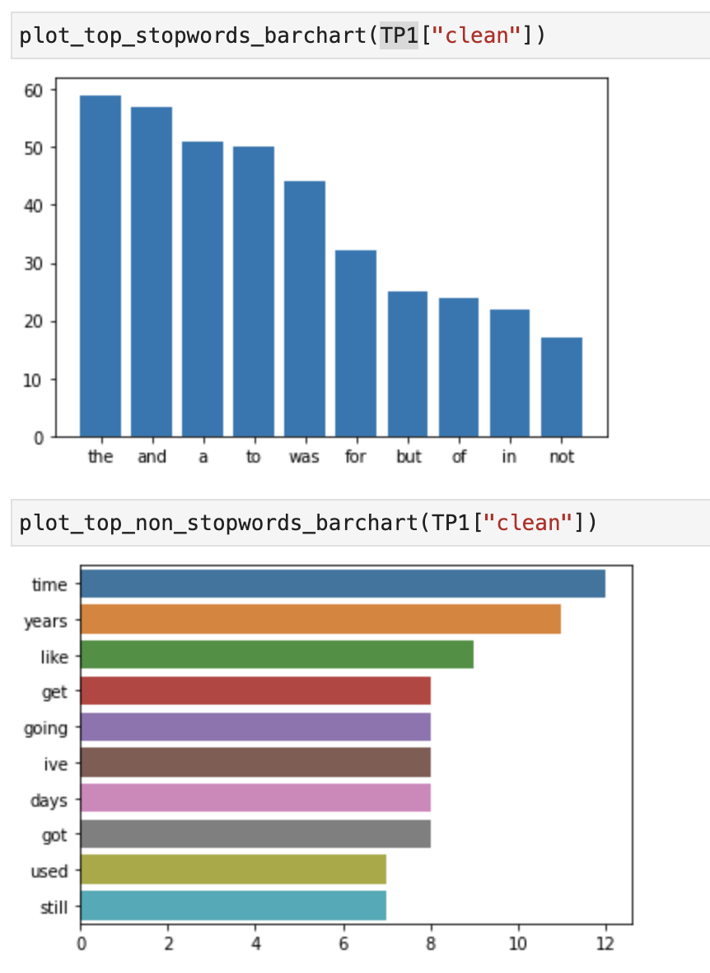
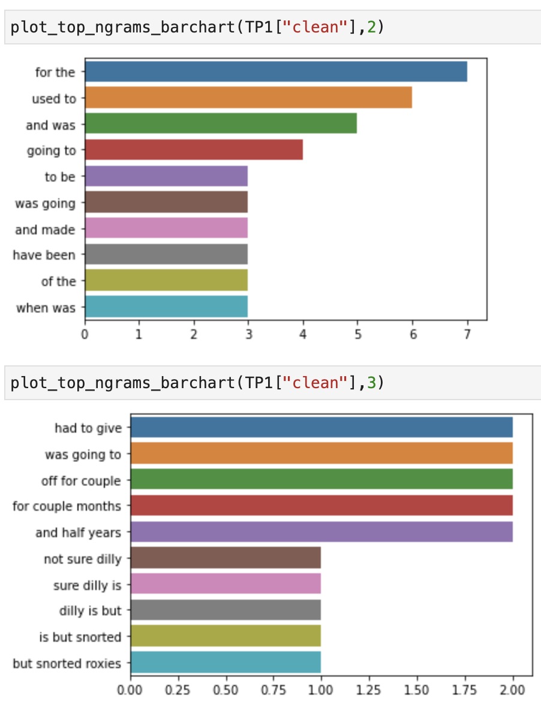
doc | clean | tokens | prediction | ground_truth
Not sure what dilly is, but I snorted roxies all day long. I am in FL and we used to be able to go to like 8 pain doctors a month and not get caught. That has changed though. Coke was occasional, I generally avoided stimulants though even now I still fantasize about doing X again | not sure dilly is but snorted roxies all day long am in fl and used to be able to go to like 8 pain doctors a month and not get caught has changed though coke was occasional generally avoided stimulants though even now still fantasize about doing x again | ['not', 'sure', 'dilly', 'is', 'but', 'snorted', 'roxies', 'all', 'day', 'long', 'am', 'in', 'fl', 'and', 'used', 'to', 'be', 'able', 'to', 'go', 'to', 'like', '8', 'pain', 'doctors', 'a', 'month', 'and', 'not', 'get', 'caught', 'has', 'changed', 'though', 'coke', 'was', 'occasional', 'generally', 'avoided', 'stimulants', 'though', 'even', 'now', 'still', 'fantasize', 'about', 'doing', 'x', 'again'] | 1 | 1
Back in January 2019 I was going through my first six chemo treatments. And it was the near the end. And it was tough. Hard to explain to folks who haven’t gone through it. Closest mentally I can think of maybe is morphine withdrawal. | back in january 2019 was going through first six chemo treatments and was the near the end and was tough hard to explain to folks havent gone through closest mentally can think of maybe is morphine withdrawal | ['back', 'in', 'january', '2019', 'was', 'going', 'through', 'first', 'six', 'chemo', 'treatments', 'and', 'was', 'the', 'near', 'the', 'end', 'and', 'was', 'tough', 'hard', 'to', 'explain', 'to', 'folks', 'havent', 'gone', 'through', 'closest', 'mentally', 'can', 'think', 'of', 'maybe', 'is', 'morphine', 'withdrawal'] | 1 | 1
Hi recovered i start pondering what i did and who i hurt and who i’ve stolen from. i’ve worked the steps and made my amends and for the most part was forgiven. having a hard time forgiving myself., I'm dad. | hi recovered start pondering did and hurt and ive stolen from ive worked the steps and made amends and for the most part was forgiven having a hard time forgiving am dad | ['hi', 'recovered', 'start', 'pondering', 'did', 'and', 'hurt', 'and', 'ive', 'stolen', 'from', 'ive', 'worked', 'the', 'steps', 'and', 'made', 'amends', 'and', 'for', 'the', 'most', 'part', 'was', 'forgiven', 'having', 'a', 'hard', 'time', 'forgiving', 'am', 'dad'] | 1 | 1
In 23 days time I will have been clean and sober from cocaine for 2 whole years. Currently at 707 days. I wouldn't of being able to get here without the Twitter community. I'm so proud and the change was certainly needed. Well impressed with myself | in 23 days time will have been clean and sober from cocaine for 2 whole years currently at 707 days would not of being able to get here without the twitter community am so proud and the change was certainly needed well impressed with | ['in', '23', 'days', 'time', 'will', 'have', 'been', 'clean', 'and', 'sober', 'from', 'cocaine', 'for', '2', 'whole', 'years', 'currently', 'at', '707', 'days', 'would', 'not', 'of', 'being', 'able', 'to', 'get', 'here', 'without', 'the', 'twitter', 'community', 'am', 'so', 'proud', 'and', 'the', 'change', 'was', 'certainly', 'needed', 'well', 'impressed', 'with'] | 1 | 1
Out of the past 760 days, I’ve been so sober 750 of them. Been needing to come and regroup lately though. I’m getting comfortable. Starting to slip. But I am sober and way better then I was. Merry Christmas everyone. | out of the past 760 days ive been so sober 750 of been needing to come and regroup lately though im getting comfortable starting to slip but am sober and way better then was merry christmas everyone | ['out', 'of', 'the', 'past', '760', 'days', 'ive', 'been', 'so', 'sober', '750', 'of', 'been', 'needing', 'to', 'come', 'and', 'regroup', 'lately', 'though', 'im', 'getting', 'comfortable', 'starting', 'to', 'slip', 'but', 'am', 'sober', 'and', 'way', 'better', 'then', 'was', 'merry', 'christmas', 'everyone'] | 1 | 1
Unfortunately...compulsive lying and addiction go hand and hand. I was that person who lied about every thing until I got clean, and even then I still lied for a long time. I would always have something made up incase of something happening. It really is a rabbit hole. | unfortunatelycompulsive lying and addiction go hand and hand was person lied about every thing until got clean and even then still lied for a long time would always have something made up incase of something happening really is a rabbit hole | ['unfortunatelycompulsive', 'lying', 'and', 'addiction', 'go', 'hand', 'and', 'hand', 'was', 'person', 'lied', 'about', 'every', 'thing', 'until', 'got', 'clean', 'and', 'even', 'then', 'still', 'lied', 'for', 'a', 'long', 'time', 'would', 'always', 'have', 'something', 'made', 'up', 'incase', 'of', 'something', 'happening', 'really', 'is', 'a', 'rabbit', 'hole'] | 1 | 1
This time last year I was using. I can't even remember Christmas last year because if it. I'm so glad I'm not doing that this year. | time last year was using can not even remember christmas last year because if am so glad am not doing year | ['time', 'last', 'year', 'was', 'using', 'can', 'not', 'even', 'remember', 'christmas', 'last', 'year', 'because', 'if', 'am', 'so', 'glad', 'am', 'not', 'doing', 'year'] | 1 | 1
Guilt mainly cause when I was about 30 days sober had someone very close to me OD on fent and had to give cpr didn’t have narcan had some like a week before and lost it. So mainly the guilt of dealing with that and depression from being an addict I guess | guilt mainly cause when was about 30 days sober had someone very close to od on fent and had to give cpr didnt have narcan had some like a week before and lost so mainly the guilt of dealing with and depression from being an addict guess | ['guilt', 'mainly', 'cause', 'when', 'was', 'about', '30', 'days', 'sober', 'had', 'someone', 'very', 'close', 'to', 'od', 'on', 'fent', 'and', 'had', 'to', 'give', 'cpr', 'didnt', 'have', 'narcan', 'had', 'some', 'like', 'a', 'week', 'before', 'and', 'lost', 'so', 'mainly', 'the', 'guilt', 'of', 'dealing', 'with', 'and', 'depression', 'from', 'being', 'an', 'addict', 'guess'] | 1 | 1
Yea I've tapered off a few drugs before, just curious how much most people reduce it by every day, I was thinking halve the dose every day. | yea have tapered off a few drugs before just curious how much most people reduce by every day was thinking halve the dose every day | ['yea', 'have', 'tapered', 'off', 'a', 'few', 'drugs', 'before', 'just', 'curious', 'how', 'much', 'most', 'people', 'reduce', 'by', 'every', 'day', 'was', 'thinking', 'halve', 'the', 'dose', 'every', 'day'] | 1 | 1
Its the devil 100%. At least on heroin i had euphoria. Fent is just pure oblivion. Which served its purposed when i was super depressed. You got this. Please please message me if you want to talk to someone. Anything ur going through in withdrawal ive probably been through. | the devil 100 at least on heroin had euphoria fent is just pure oblivion served purposed when was super depressed got please please message if want to talk to someone anything ur going through in withdrawal ive probably been through | ['the', 'devil', '100', 'at', 'least', 'on', 'heroin', 'had', 'euphoria', 'fent', 'is', 'just', 'pure', 'oblivion', 'served', 'purposed', 'when', 'was', 'super', 'depressed', 'got', 'please', 'please', 'message', 'if', 'want', 'to', 'talk', 'to', 'someone', 'anything', 'ur', 'going', 'through', 'in', 'withdrawal', 'ive', 'probably', 'been', 'through'] | 1 | 1
Yes I remember how beautiful the city lights were. I had looked at them a million times and it was like I was seeing them for the first time. Only in high def... props to you for taking care of yourself. You brought back a treasured memory for me | yes remember how beautiful the city lights were had looked at a million times and was like was seeing for the first time only in high def props to for taking care of brought back a treasured memory for | ['yes', 'remember', 'how', 'beautiful', 'the', 'city', 'lights', 'were', 'had', 'looked', 'at', 'a', 'million', 'times', 'and', 'was', 'like', 'was', 'seeing', 'for', 'the', 'first', 'time', 'only', 'in', 'high', 'def', 'props', 'to', 'for', 'taking', 'care', 'of', 'brought', 'back', 'a', 'treasured', 'memory', 'for'] | 1 | 1
Been using since 2004-2005. I still get a rush when I IV, but I have tried to quit a few times which ended up me taking 6 month breaks before a relapse. After a long time you’ll definitely still feel it, unless you have super weak stuff. But it mostly just keeps you functioning | been using since 20042005 still get a rush when iv but have tried to quit a few times ended up taking 6 month breaks before a relapse after a long time youll definitely still feel unless have super weak stuff but mostly just keeps functioning | ['been', 'using', 'since', '20042005', 'still', 'get', 'a', 'rush', 'when', 'iv', 'but', 'have', 'tried', 'to', 'quit', 'a', 'few', 'times', 'ended', 'up', 'taking', '6', 'month', 'breaks', 'before', 'a', 'relapse', 'after', 'a', 'long', 'time', 'youll', 'definitely', 'still', 'feel', 'unless', 'have', 'super', 'weak', 'stuff', 'but', 'mostly', 'just', 'keeps', 'functioning'] | 1 | 1
Yea I used to lie to my daughters mother alllll the time even for the smallest reasons. I love her to death but the disease wouldn’t allow me to Be honest because it meant I had to give an explanation | yea used to lie to daughters mother alllll the time even for the smallest reasons love to death but the disease wouldnt allow to be honest because meant had to give an explanation | ['yea', 'used', 'to', 'lie', 'to', 'daughters', 'mother', 'alllll', 'the', 'time', 'even', 'for', 'the', 'smallest', 'reasons', 'love', 'to', 'death', 'but', 'the', 'disease', 'wouldnt', 'allow', 'to', 'be', 'honest', 'because', 'meant', 'had', 'to', 'give', 'an', 'explanation'] | 1 | 1
Nope 10 year oxycodone run. But they tested me and I was clean before the shot so I have no idea. | nope 10 year oxycodone run but tested and was clean before the shot so have no idea | ['nope', '10', 'year', 'oxycodone', 'run', 'but', 'tested', 'and', 'was', 'clean', 'before', 'the', 'shot', 'so', 'have', 'no', 'idea'] | 1 | 1
I tapered off pressies and was using every two hours to the point I’d wake up at night drenched needing to use. I would use about midnight and wait 12-16 hours to use and then only enough at night to sleep and enough at the 12-16 hour mark to sit still. | tapered off pressies and was using every two hours to the point id wake up at night drenched needing to use would use about midnight and wait 1216 hours to use and then only enough at night to sleep and enough at the 1216 hour mark to sit still | ['tapered', 'off', 'pressies', 'and', 'was', 'using', 'every', 'two', 'hours', 'to', 'the', 'point', 'id', 'wake', 'up', 'at', 'night', 'drenched', 'needing', 'to', 'use', 'would', 'use', 'about', 'midnight', 'and', 'wait', '1216', 'hours', 'to', 'use', 'and', 'then', 'only', 'enough', 'at', 'night', 'to', 'sleep', 'and', 'enough', 'at', 'the', '1216', 'hour', 'mark', 'to', 'sit', 'still'] | 1 | 1
Alright cool I appreciate the advice Ive never had much trouble quitting drug habits in the past but i know heroin is a different monster | alright cool appreciate the advice ive never had much trouble quitting drug habits in the past but know heroin is a different monster | ['alright', 'cool', 'appreciate', 'the', 'advice', 'ive', 'never', 'had', 'much', 'trouble', 'quitting', 'drug', 'habits', 'in', 'the', 'past', 'but', 'know', 'heroin', 'is', 'a', 'different', 'monster'] | 1 | 1
15mg lol I used to buy off the street *a lot* (for me anyway) for a couple of years, but then I was prescribed 10mg Percocet 3x/day from 2016-2017ish. After about six months, I started getting sick as hell from it (and pretty much every other opioid) at just about any dose. | 15mg lol used to buy off the street a lot for anyway for a couple of years but then was prescribed 10mg percocet 3xday from 20162017ish after about six months started getting sick as hell from and pretty much every other opioid at just about any dose | ['15mg', 'lol', 'used', 'to', 'buy', 'off', 'the', 'street', 'a', 'lot', 'for', 'anyway', 'for', 'a', 'couple', 'of', 'years', 'but', 'then', 'was', 'prescribed', '10mg', 'percocet', '3xday', 'from', '20162017ish', 'after', 'about', 'six', 'months', 'started', 'getting', 'sick', 'as', 'hell', 'from', 'and', 'pretty', 'much', 'every', 'other', 'opioid', 'at', 'just', 'about', 'any', 'dose'] | 1 | 1
i was addicted to oxycodone from 13 to 14.... 😭 | was addicted to oxycodone from 13 to 14 | ['was', 'addicted', 'to', 'oxycodone', 'from', '13', 'to', '14'] | 1 | 1
Yeah I used to get this optimistic bigger than life feeling, I was just so happy and in such an amazing mood when I first started using, I absolutely loved it. But I don’t get it anymore. It was fun while it lasted but it’s time for me to quit | yeah used to get optimistic bigger than life feeling was just so happy and in such an amazing mood when first started using absolutely loved but dont get anymore was fun while lasted but time for to quit | ['yeah', 'used', 'to', 'get', 'optimistic', 'bigger', 'than', 'life', 'feeling', 'was', 'just', 'so', 'happy', 'and', 'in', 'such', 'an', 'amazing', 'mood', 'when', 'first', 'started', 'using', 'absolutely', 'loved', 'but', 'dont', 'get', 'anymore', 'was', 'fun', 'while', 'lasted', 'but', 'time', 'for', 'to', 'quit'] | 1 | 1
I was on 170mg and had been for two years. The physical withdrawals lasted a little over a month, the mental stuff went away after about 3. | was on 170mg and had been for two years the physical withdrawals lasted a little over a month the mental stuff went away after about 3 | ['was', 'on', '170mg', 'and', 'had', 'been', 'for', 'two', 'years', 'the', 'physical', 'withdrawals', 'lasted', 'a', 'little', 'over', 'a', 'month', 'the', 'mental', 'stuff', 'went', 'away', 'after', 'about', '3'] | 1 | 1
I’d say it could be between 4-7 days. Last time I got clean I didn’t sleep for 6. | id say could be between 47 days last time got clean didnt sleep for 6 | ['id', 'say', 'could', 'be', 'between', '47', 'days', 'last', 'time', 'got', 'clean', 'didnt', 'sleep', 'for', '6'] | 1 | 1
Well, the good news it’s been only three months. But never the less, going cold turkey will be extremely harsh. The way I used to handle this, was get my hand on a few subs and taper off. It worked great for me. Sorry, but that’s the best advise I can come up with. | well the good news been only three months but never the less going cold turkey will be extremely harsh the way used to handle was get hand on a few subs and taper off worked great for sorry but thats the best advise can come up with | ['well', 'the', 'good', 'news', 'been', 'only', 'three', 'months', 'but', 'never', 'the', 'less', 'going', 'cold', 'turkey', 'will', 'be', 'extremely', 'harsh', 'the', 'way', 'used', 'to', 'handle', 'was', 'get', 'hand', 'on', 'a', 'few', 'subs', 'and', 'taper', 'off', 'worked', 'great', 'for', 'sorry', 'but', 'thats', 'the', 'best', 'advise', 'can', 'come', 'up', 'with'] | 1 | 1
I weigh less than I did pre-pregnancy but my belly has become unmanageable in the last few weeks. I don’t know what I was doing with my life before, though. These maternity pants are the shit. | weigh less than did prepregnancy but belly has become unmanageable in the last few weeks dont know was doing with life before though maternity pants are the shit | ['weigh', 'less', 'than', 'did', 'prepregnancy', 'but', 'belly', 'has', 'become', 'unmanageable', 'in', 'the', 'last', 'few', 'weeks', 'dont', 'know', 'was', 'doing', 'with', 'life', 'before', 'though', 'maternity', 'pants', 'are', 'the', 'shit'] | 1 | 1
It should show in there tests idk how you got away with that one but also maybe they're only testing for the big 5(Meth, Coke, Opiates, Pot, and PCP) Idk why a 5 panel drug test includes PCP instead of Benzos but its a nice loophole I've always use to my advantage if I know the people testing me are gonna use a 5 panel. Thats what I got tested with at most of my jobs and actually one Court ordered drug class you can also use hallucigens without being caught that was my main go to during those times some good mushrooms and a few xanz for the come down(: | should show in there tests idk how got away with one but also maybe are only testing for the big 5meth coke opiates pot and pcp idk why a 5 panel drug test includes pcp instead of benzos but a nice loophole have always use to advantage if know the people testing are going to use a 5 panel thats got tested with at most of jobs and actually one court ordered drug class can also use hallucigens without being caught was main go to during times some good mushrooms and a few xanz for the come down | ['should', 'show', 'in', 'there', 'tests', 'idk', 'how', 'got', 'away', 'with', 'one', 'but', 'also', 'maybe', 'are', 'only', 'testing', 'for', 'the', 'big', '5meth', 'coke', 'opiates', 'pot', 'and', 'pcp', 'idk', 'why', 'a', '5', 'panel', 'drug', 'test', 'includes', 'pcp', 'instead', 'of', 'benzos', 'but', 'a', 'nice', 'loophole', 'have', 'always', 'use', 'to', 'advantage', 'if', 'know', 'the', 'people', 'testing', 'are', 'going', 'to', 'use', 'a', '5', 'panel', 'thats', 'got', 'tested', 'with', 'at', 'most', 'of', 'jobs', 'and', 'actually', 'one', 'court', 'ordered', 'drug', 'class', 'can', 'also', 'use', 'hallucigens', 'without', 'being', 'caught', 'was', 'main', 'go', 'to', 'during', 'times', 'some', 'good', 'mushrooms', 'and', 'a', 'few', 'xanz', 'for', 'the', 'come', 'down'] | 1 | 1
Not an easy thing to talk about. I gave up 11years for some pills. I blamed it on a spinal fusion, but it was me. It could have been worse, I could be back on the streets running amuck in dope. | not an easy thing to talk about gave up 11years for some pills blamed on a spinal fusion but was could have been worse could be back on the streets running amuck in dope | ['not', 'an', 'easy', 'thing', 'to', 'talk', 'about', 'gave', 'up', '11years', 'for', 'some', 'pills', 'blamed', 'on', 'a', 'spinal', 'fusion', 'but', 'was', 'could', 'have', 'been', 'worse', 'could', 'be', 'back', 'on', 'the', 'streets', 'running', 'amuck', 'in', 'dope'] | 1 | 1
I think so. It made mine way worse and gave me anxiety. I took hylands restful legs pm . 8f it was really bad I wrapped ace bandages around my wrists and ankles. As tight as I could without cutting off circulation. Compression is good for rls. | think so made mine way worse and gave anxiety took hylands restful legs pm 8f was really bad wrapped ace bandages around wrists and ankles as tight as could without cutting off circulation compression is good for rls | ['think', 'so', 'made', 'mine', 'way', 'worse', 'and', 'gave', 'anxiety', 'took', 'hylands', 'restful', 'legs', 'pm', '8f', 'was', 'really', 'bad', 'wrapped', 'ace', 'bandages', 'around', 'wrists', 'and', 'ankles', 'as', 'tight', 'as', 'could', 'without', 'cutting', 'off', 'circulation', 'compression', 'is', 'good', 'for', 'rls'] | 1 | 1
I've only been to rehab twice, but both times most of the opiate users were all younger. I was in my mid-30's and there were a couple other opiate addicts my age, but the vast majority were 18-25. The women older than me were all there for alcohol. | have only been to rehab twice but both times most of the opiate users were all younger was in mid30 is and there were a couple other opiate addicts age but the vast majority were 1825 the women older than were all there for alcohol | ['have', 'only', 'been', 'to', 'rehab', 'twice', 'but', 'both', 'times', 'most', 'of', 'the', 'opiate', 'users', 'were', 'all', 'younger', 'was', 'in', 'mid30', 'is', 'and', 'there', 'were', 'a', 'couple', 'other', 'opiate', 'addicts', 'age', 'but', 'the', 'vast', 'majority', 'were', '1825', 'the', 'women', 'older', 'than', 'were', 'all', 'there', 'for', 'alcohol'] | 1 | 1
It was going to happen sooner or later. I believe things happen for a reason (not God; I'm an atheist). I also don't believe in free will, at least not in any significant decisions -- getting addicted to opiates was always going to be part of my neurological profile. For these reasons, it's unfortunate, but I'm not sure if I would use the word "regret". | was going to happen sooner or later believe things happen for a reason not god am an atheist also do not believe in free will at least not in any significant decisions getting addicted to opiates was always going to be part of neurological profile for reasons is unfortunate but am not sure if would use the word regret | ['was', 'going', 'to', 'happen', 'sooner', 'or', 'later', 'believe', 'things', 'happen', 'for', 'a', 'reason', 'not', 'god', 'am', 'an', 'atheist', 'also', 'do', 'not', 'believe', 'in', 'free', 'will', 'at', 'least', 'not', 'in', 'any', 'significant', 'decisions', 'getting', 'addicted', 'to', 'opiates', 'was', 'always', 'going', 'to', 'be', 'part', 'of', 'neurological', 'profile', 'for', 'reasons', 'is', 'unfortunate', 'but', 'am', 'not', 'sure', 'if', 'would', 'use', 'the', 'word', 'regret'] | 1 | 1
I've been on and off it for a couple months now, first for benzo withdrawal back in September, then off for a couple months until this past month where Ive been using it quite heavily for 3 weeks. I've gone through a couple refills | have been on and off for a couple months now first for benzo withdrawal back in september then off for a couple months until past month where ive been using quite heavily for 3 weeks have gone through a couple refills | ['have', 'been', 'on', 'and', 'off', 'for', 'a', 'couple', 'months', 'now', 'first', 'for', 'benzo', 'withdrawal', 'back', 'in', 'september', 'then', 'off', 'for', 'a', 'couple', 'months', 'until', 'past', 'month', 'where', 'ive', 'been', 'using', 'quite', 'heavily', 'for', '3', 'weeks', 'have', 'gone', 'through', 'a', 'couple', 'refills'] | 1 | 1
i miss the era of me being severely addicted to cocaine for 3 months, almost dying and no one noticing | miss the era of being severely addicted to cocaine for 3 months almost dying and no one noticing | ['miss', 'the', 'era', 'of', 'being', 'severely', 'addicted', 'to', 'cocaine', 'for', '3', 'months', 'almost', 'dying', 'and', 'no', 'one', 'noticing'] | 1 | 1
I used to smoke and IV but I wasn't clean in a week EVER. Sometimes it's analogs. | used to smoke and iv but was not clean in a week ever sometimes is analogs | ['used', 'to', 'smoke', 'and', 'iv', 'but', 'was', 'not', 'clean', 'in', 'a', 'week', 'ever', 'sometimes', 'is', 'analogs'] | 1 | 1
11 years. I was BAD BAD BAD addicted. I’ve posted this before, but here is me on day 1 of detox vs me a month ago: https://imgur.com/a/CN2XrAJ If that walking zombie can beat it, you can too | 11 years was bad bad bad addicted ive posted before but here is on day 1 of detox vs a month ago if walking zombie can beat can too | ['11', 'years', 'was', 'bad', 'bad', 'bad', 'addicted', 'ive', 'posted', 'before', 'but', 'here', 'is', 'on', 'day', '1', 'of', 'detox', 'vs', 'a', 'month', 'ago', 'if', 'walking', 'zombie', 'can', 'beat', 'can', 'too'] | 1 | 1
If was for 6 years, I loved Heroin and I started back a bit back when my mother got Cancer | if was for 6 years loved heroin and started back a bit back when mother got cancer | ['if', 'was', 'for', '6', 'years', 'loved', 'heroin', 'and', 'started', 'back', 'a', 'bit', 'back', 'when', 'mother', 'got', 'cancer'] | 1 | 1
I could smoke a whole pack when I was high. I can barely get through a cigarette when I'm sober. it's like the gritty feeling in your throat feels good when you're high but is just suffocating otherwise. | could smoke a whole pack when was high can barely get through a cigarette when am sober is like the gritty feeling in throat feels good when are high but is just suffocating otherwise | ['could', 'smoke', 'a', 'whole', 'pack', 'when', 'was', 'high', 'can', 'barely', 'get', 'through', 'a', 'cigarette', 'when', 'am', 'sober', 'is', 'like', 'the', 'gritty', 'feeling', 'in', 'throat', 'feels', 'good', 'when', 'are', 'high', 'but', 'is', 'just', 'suffocating', 'otherwise'] | 1 | 1
wait 36-48 hours if not more! I thought I was fine after a day and a half, I was a heavy fent user like you, took my sub and got the WORST precipitated withdrawals of my life death was preferable! I felt I was gonna seize out just please wait it out 😔 | wait 3648 hours if not more thought was fine after a day and a half was a heavy fent user like took sub and got the worst precipitated withdrawals of life death was preferable felt was going to seize out just please wait out | ['wait', '3648', 'hours', 'if', 'not', 'more', 'thought', 'was', 'fine', 'after', 'a', 'day', 'and', 'a', 'half', 'was', 'a', 'heavy', 'fent', 'user', 'like', 'took', 'sub', 'and', 'got', 'the', 'worst', 'precipitated', 'withdrawals', 'of', 'life', 'death', 'was', 'preferable', 'felt', 'was', 'going', 'to', 'seize', 'out', 'just', 'please', 'wait', 'out'] | 1 | 1
That said I was a lazy self loathing piece of shit and I just started exercising around day 21 and these last few days going on long long walk/jogs that are helping more then I can describe. I should have started earlier to tell you the truth. | said was a lazy self loathing piece of shit and just started exercising around day 21 and last few days going on long long walkjogs are helping more then can describe should have started earlier to tell the truth | ['said', 'was', 'a', 'lazy', 'self', 'loathing', 'piece', 'of', 'shit', 'and', 'just', 'started', 'exercising', 'around', 'day', '21', 'and', 'last', 'few', 'days', 'going', 'on', 'long', 'long', 'walkjogs', 'are', 'helping', 'more', 'then', 'can', 'describe', 'should', 'have', 'started', 'earlier', 'to', 'tell', 'the', 'truth'] | 1 | 1
I had a decent experience with 12 step recovery, I know some people don't like 12 step but it really helped shift my perspective on things. | had a decent experience with 12 step recovery know some people do not like 12 step but really helped shift perspective on things | ['had', 'a', 'decent', 'experience', 'with', '12', 'step', 'recovery', 'know', 'some', 'people', 'do', 'not', 'like', '12', 'step', 'but', 'really', 'helped', 'shift', 'perspective', 'on', 'things'] | 1 | 1
I had the same thing once in the states, a looong time ago. They're horribly stingy now. What'd they give out dilly syrup for? | had the same thing once in the states a looong time ago are horribly stingy now would give out dilly syrup for | ['had', 'the', 'same', 'thing', 'once', 'in', 'the', 'states', 'a', 'looong', 'time', 'ago', 'are', 'horribly', 'stingy', 'now', 'would', 'give', 'out', 'dilly', 'syrup', 'for'] | 1 | 1
I wish this were the case. I wish I had endless supplies of all the drugs. I’d like to believe if I did I’d get my full then return to a life of moderation. But none of that is realistic for me. | wish were the case wish had endless supplies of all the drugs id like to believe if did id get full then return to a life of moderation but none of is realistic for | ['wish', 'were', 'the', 'case', 'wish', 'had', 'endless', 'supplies', 'of', 'all', 'the', 'drugs', 'id', 'like', 'to', 'believe', 'if', 'did', 'id', 'get', 'full', 'then', 'return', 'to', 'a', 'life', 'of', 'moderation', 'but', 'none', 'of', 'is', 'realistic', 'for'] | 1 | 1
I used strong edibles to quit made from indica dominant strains. I found they completely eliminated my cravings and some of the acute effects as well. I made it almost two and half years clean before having a one time slip up. I haven't touched anything since. | used strong edibles to quit made from indica dominant strains found completely eliminated cravings and some of the acute effects as well made almost two and half years clean before having a one time slip up have not touched anything since | ['used', 'strong', 'edibles', 'to', 'quit', 'made', 'from', 'indica', 'dominant', 'strains', 'found', 'completely', 'eliminated', 'cravings', 'and', 'some', 'of', 'the', 'acute', 'effects', 'as', 'well', 'made', 'almost', 'two', 'and', 'half', 'years', 'clean', 'before', 'having', 'a', 'one', 'time', 'slip', 'up', 'have', 'not', 'touched', 'anything', 'since'] | 1 | 1
The gabapentin withdrawal SUCKS!!! I went through it and the RLS from that is HORRID. Be careful. Then again I was taking around 17 800mg pills and quit CT. Just be careful I even heard of people saying it pro long there WD symptoms. I wouldn't take it past a week. | the gabapentin withdrawal sucks went through and the rls from is horrid be careful then again was taking around 17 800mg pills and quit ct just be careful even heard of people saying pro long there wd symptoms would not take past a week | ['the', 'gabapentin', 'withdrawal', 'sucks', 'went', 'through', 'and', 'the', 'rls', 'from', 'is', 'horrid', 'be', 'careful', 'then', 'again', 'was', 'taking', 'around', '17', '800mg', 'pills', 'and', 'quit', 'ct', 'just', 'be', 'careful', 'even', 'heard', 'of', 'people', 'saying', 'pro', 'long', 'there', 'wd', 'symptoms', 'would', 'not', 'take', 'past', 'a', 'week'] | 1 | 1
I had to take a bunch of antibiotics and still had issues 6 months later and doc prescribed over the counter probiotics Florestar(or something like that) white box blue writing. It was gone within a week, you and Op should really try them | had to take a bunch of antibiotics and still had issues 6 months later and doc prescribed over the counter probiotics florestaror something like white box blue writing was gone within a week and op should really try | ['had', 'to', 'take', 'a', 'bunch', 'of', 'antibiotics', 'and', 'still', 'had', 'issues', '6', 'months', 'later', 'and', 'doc', 'prescribed', 'over', 'the', 'counter', 'probiotics', 'florestaror', 'something', 'like', 'white', 'box', 'blue', 'writing', 'was', 'gone', 'within', 'a', 'week', 'and', 'op', 'should', 'really', 'try'] | 1 | 1
I had this done in 98. It took a year to recouped. I was on 110mg methadone. I had the naltrexone implant. Does your area have Crocodile issues ? The drug... | had done in 98 took a year to recouped was on 110mg methadone had the naltrexone implant does area have crocodile issues the drug | ['had', 'done', 'in', '98', 'took', 'a', 'year', 'to', 'recouped', 'was', 'on', '110mg', 'methadone', 'had', 'the', 'naltrexone', 'implant', 'does', 'area', 'have', 'crocodile', 'issues', 'the', 'drug'] | 1 | 1
er I've not quit, well I quit the H after 12 years in 1991, then had 25 years on methadone with a very occassional hit of H, now I'm on er morphine after a bad spinal injury. It's been 41 years in total. | er have not quit well quit the h after 12 years in 1991 then had 25 years on methadone with a very occassional hit of h now am on er morphine after a bad spinal injury is been 41 years in total | ['er', 'have', 'not', 'quit', 'well', 'quit', 'the', 'h', 'after', '12', 'years', 'in', '1991', 'then', 'had', '25', 'years', 'on', 'methadone', 'with', 'a', 'very', 'occassional', 'hit', 'of', 'h', 'now', 'am', 'on', 'er', 'morphine', 'after', 'a', 'bad', 'spinal', 'injury', 'is', 'been', '41', 'years', 'in', 'total'] | 1 | 1
I relapsed on tramadol (150mg) which I have stopped a few days ago, soma (300mg) which I stopped a week ago, and now currently taking gaba (6,000 mg) for about 4 days now. | relapsed on tramadol 150mg have stopped a few days ago soma 300mg stopped a week ago and now currently taking gaba 6000 mg for about 4 days now | ['relapsed', 'on', 'tramadol', '150mg', 'have', 'stopped', 'a', 'few', 'days', 'ago', 'soma', '300mg', 'stopped', 'a', 'week', 'ago', 'and', 'now', 'currently', 'taking', 'gaba', '6000', 'mg', 'for', 'about', '4', 'days', 'now'] | 1 | 1
I took it and it made me feel like when I first got off the opiates. Sweats puking even more anxiety I throw the bottle away it was terrible | took and made feel like when first got off the opiates sweats puking even more anxiety throw the bottle away was terrible | ['took', 'and', 'made', 'feel', 'like', 'when', 'first', 'got', 'off', 'the', 'opiates', 'sweats', 'puking', 'even', 'more', 'anxiety', 'throw', 'the', 'bottle', 'away', 'was', 'terrible'] | 1 | 1
I was on morphine and and fentanyl for the last 2 weeks. Opiate withdrawal is no joke. | was on morphine and and fentanyl for the last 2 weeks opiate withdrawal is no joke | ['was', 'on', 'morphine', 'and', 'and', 'fentanyl', 'for', 'the', 'last', '2', 'weeks', 'opiate', 'withdrawal', 'is', 'no', 'joke'] | 1 | 1
You too! My first sober New Year in 15 years. So much time wasted. | too first sober new year in 15 years so much time wasted | ['too', 'first', 'sober', 'new', 'year', 'in', '15', 'years', 'so', 'much', 'time', 'wasted'] | 1 | 1
It was the last symptom to go when I detoxed. I sneezed for months. And now, three and a half years later I still never only sneeze once when I do happen to sneeze, it’s always sneezing fits now. | was the last symptom to go when detoxed sneezed for months and now three and a half years later still never only sneeze once when do happen to sneeze always sneezing fits now | ['was', 'the', 'last', 'symptom', 'to', 'go', 'when', 'detoxed', 'sneezed', 'for', 'months', 'and', 'now', 'three', 'and', 'a', 'half', 'years', 'later', 'still', 'never', 'only', 'sneeze', 'once', 'when', 'do', 'happen', 'to', 'sneeze', 'always', 'sneezing', 'fits', 'now'] | 1 | 1
i’m glad you were found and made it, for the sake of not only you but your loved ones as well. he’s the second person in my life that i’ve lost to a fent overdose this year and seeing the impact it’s had on everyone has been very disheartening | im glad were found and made for the sake of not only but loved ones as well hes the second person in life ive lost to a fent overdose year and seeing the impact had on everyone has been very disheartening | ['im', 'glad', 'were', 'found', 'and', 'made', 'for', 'the', 'sake', 'of', 'not', 'only', 'but', 'loved', 'ones', 'as', 'well', 'hes', 'the', 'second', 'person', 'in', 'life', 'ive', 'lost', 'to', 'a', 'fent', 'overdose', 'year', 'and', 'seeing', 'the', 'impact', 'had', 'on', 'everyone', 'has', 'been', 'very', 'disheartening'] | 1 | 1

TP2
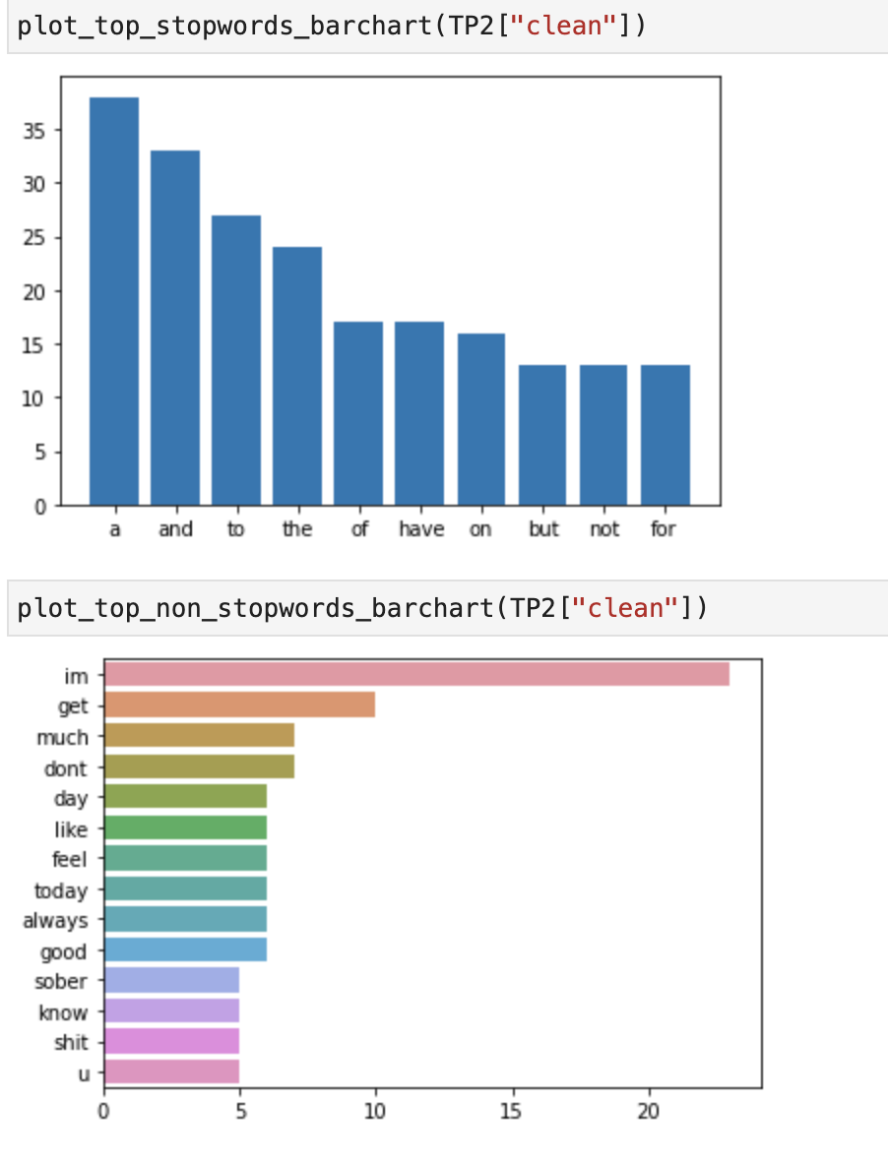
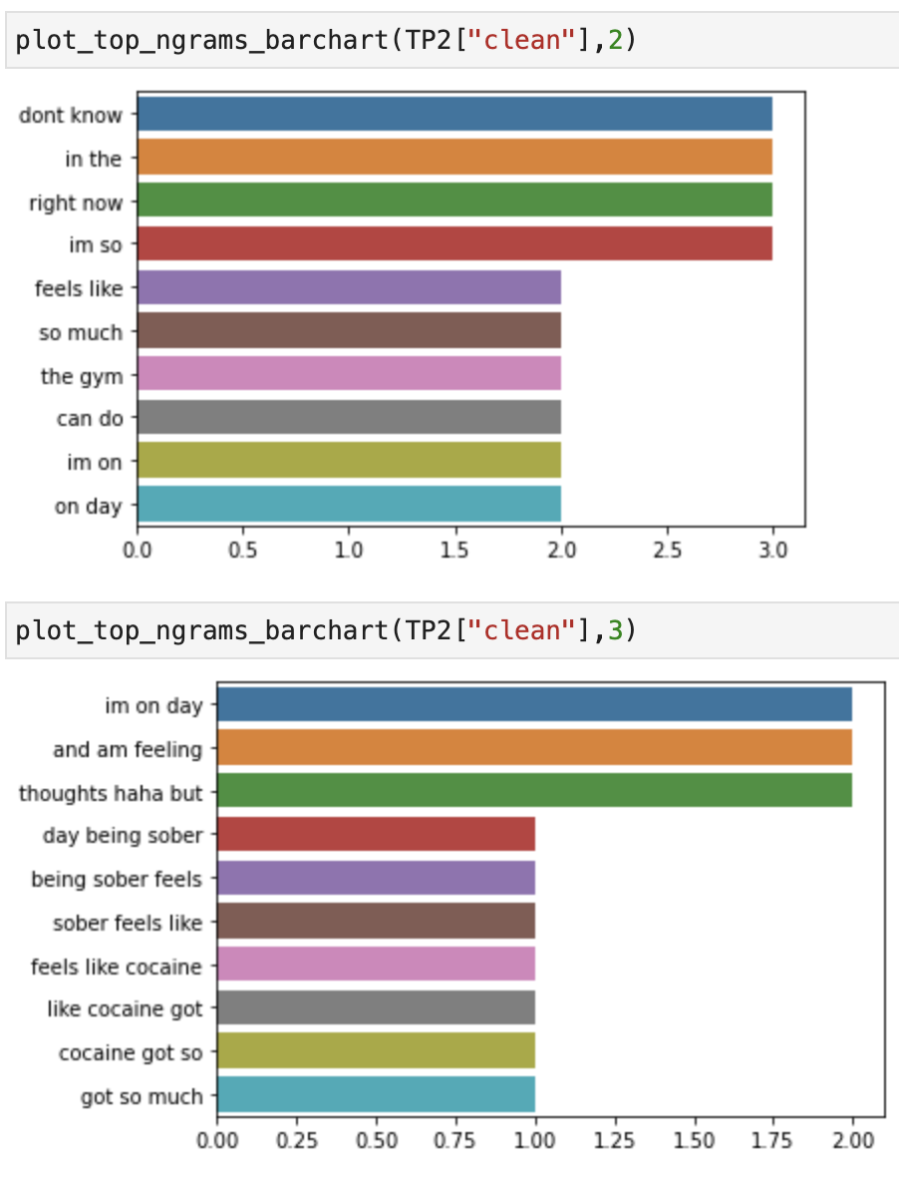
doc | clean | tokens | prediction | ground_truth
Day 6 being sober It feels like cocaine. I got so much power I don’t know what to do. Gonna hit the gym 💪 | day 6 being sober feels like cocaine got so much power dont know to do gonna hit the gym | ['day', '6', 'being', 'sober', 'feels', 'like', 'cocaine', 'got', 'so', 'much', 'power', 'dont', 'know', 'to', 'do', 'gonna', 'hit', 'the', 'gym'] | 2 | 2
Just know you can do it. Im using red kratom, go get some. Im on day 3 of Cold turkey, and i feel like shit but the kratom helps SO much. And i feel AMAZING knowing im leaving this bullshit behind me. You CAN do it | just know can do im using red kratom go get some im on day 3 of cold turkey and feel like shit but the kratom helps so much and feel amazing knowing im leaving bullshit behind can do | ['just', 'know', 'can', 'do', 'im', 'using', 'red', 'kratom', 'go', 'get', 'some', 'im', 'on', 'day', '3', 'of', 'cold', 'turkey', 'and', 'feel', 'like', 'shit', 'but', 'the', 'kratom', 'helps', 'so', 'much', 'and', 'feel', 'amazing', 'knowing', 'im', 'leaving', 'bullshit', 'behind', 'can', 'do'] | 2 | 2
I'm on methadone it definitely doesn't work well for me. | am on methadone definitely does not work well for | ['am', 'on', 'methadone', 'definitely', 'does', 'not', 'work', 'well', 'for'] | 2 | 2
Yeah dude, guess metabolism has a huge role in how fast it passes. Has to be more to it than just that, but it eludes me lol. Be careful out there | yeah dude guess metabolism has a huge role in how fast passes has to be more to than just but eludes lol be careful out there | ['yeah', 'dude', 'guess', 'metabolism', 'has', 'a', 'huge', 'role', 'in', 'how', 'fast', 'passes', 'has', 'to', 'be', 'more', 'to', 'than', 'just', 'but', 'eludes', 'lol', 'be', 'careful', 'out', 'there'] | 2 | 2
Also have to say I’m more thankful than ever for my sobriety today. Cocaine was my DOC- I truly believe if I wouldn’t have gotten sober when I did I would have succumbed to my addiction sooner than later. A new life is out there if you’re struggling. You CAN overcome https://t.co/8zlnItTprc | also have to say im more thankful than ever for sobriety today cocaine was doc truly believe if wouldnt have gotten sober when did would have succumbed to addiction sooner than later a new life is out there if youre struggling can overcome | ['also', 'have', 'to', 'say', 'im', 'more', 'thankful', 'than', 'ever', 'for', 'sobriety', 'today', 'cocaine', 'was', 'doc', 'truly', 'believe', 'if', 'wouldnt', 'have', 'gotten', 'sober', 'when', 'did', 'would', 'have', 'succumbed', 'to', 'addiction', 'sooner', 'than', 'later', 'a', 'new', 'life', 'is', 'out', 'there', 'if', 'youre', 'struggling', 'can', 'overcome'] | 2 | 2
If u are dead set on takin the oxys then save em for tomorrow when u aint on the xans and the booze | if u are dead set on takin the oxys then save em for tomorrow when u aint on the xans and the booze | ['if', 'u', 'are', 'dead', 'set', 'on', 'takin', 'the', 'oxys', 'then', 'save', 'em', 'for', 'tomorrow', 'when', 'u', 'aint', 'on', 'the', 'xans', 'and', 'the', 'booze'] | 2 | 2
My vision gets blurry when I do loads of heroin. To a point where I permanently squint with one eye to even see shit. And I get super dumb. Maybe they are even stronger than you think and you are just very, very high. | vision gets blurry when do loads of heroin to a point where permanently squint with one eye to even see shit and get super dumb maybe are even stronger than think and are just very very high | ['vision', 'gets', 'blurry', 'when', 'do', 'loads', 'of', 'heroin', 'to', 'a', 'point', 'where', 'permanently', 'squint', 'with', 'one', 'eye', 'to', 'even', 'see', 'shit', 'and', 'get', 'super', 'dumb', 'maybe', 'are', 'even', 'stronger', 'than', 'think', 'and', 'are', 'just', 'very', 'very', 'high'] | 2 | 2
Meth AND phetamene now that’s a bargain I could get addicted too!!! | meth and phetamene now thats a bargain could get addicted too | ['meth', 'and', 'phetamene', 'now', 'thats', 'a', 'bargain', 'could', 'get', 'addicted', 'too'] | 2 | 2
I’m sorry that totally sucks. I’m realize how lucky I am to have my pain treated properly. | im sorry totally sucks im realize how lucky am to have pain treated properly | ['im', 'sorry', 'totally', 'sucks', 'im', 'realize', 'how', 'lucky', 'am', 'to', 'have', 'pain', 'treated', 'properly'] | 2 | 2
thankyou for the concern i always give the same advice. but i smoked a small piece and am feeling pretty good, nowhere near as good as roxys tho imo | thankyou for the concern always give the same advice but smoked a small piece and am feeling pretty good nowhere near as good as roxys tho imo | ['thankyou', 'for', 'the', 'concern', 'always', 'give', 'the', 'same', 'advice', 'but', 'smoked', 'a', 'small', 'piece', 'and', 'am', 'feeling', 'pretty', 'good', 'nowhere', 'near', 'as', 'good', 'as', 'roxys', 'tho', 'imo'] | 2 | 2
I am now a mandatory Heroin addict in Tarkov. Shoot up twice at the start of a raid. Shoot me in the head once and I die though. :( | am now a mandatory heroin addict in tarkov shoot up twice at the start of a raid shoot in the head once and die though | ['am', 'now', 'a', 'mandatory', 'heroin', 'addict', 'in', 'tarkov', 'shoot', 'up', 'twice', 'at', 'the', 'start', 'of', 'a', 'raid', 'shoot', 'in', 'the', 'head', 'once', 'and', 'die', 'though'] | 2 | 2
I just finished day 4 today, and I'm feeling much better... I know I still have acute to deal with... but maybe going on a run in the morning to help with that. I used to love running. Will be posting on here tomorrow. | just finished day 4 today and am feeling much better know still have acute to deal with but maybe going on a run in the morning to help with used to love running will be posting on here tomorrow | ['just', 'finished', 'day', '4', 'today', 'and', 'am', 'feeling', 'much', 'better', 'know', 'still', 'have', 'acute', 'to', 'deal', 'with', 'but', 'maybe', 'going', 'on', 'a', 'run', 'in', 'the', 'morning', 'to', 'help', 'with', 'used', 'to', 'love', 'running', 'will', 'be', 'posting', 'on', 'here', 'tomorrow'] | 2 | 2
Hi, I experienced this when I had withdrawals (twice) earlier this year, feels like something is trying to crawl out of your chest. Not sure how normal it is though😭 | hi experienced when had withdrawals twice earlier year feels like something is trying to crawl out of chest not sure how normal is though | ['hi', 'experienced', 'when', 'had', 'withdrawals', 'twice', 'earlier', 'year', 'feels', 'like', 'something', 'is', 'trying', 'to', 'crawl', 'out', 'of', 'chest', 'not', 'sure', 'how', 'normal', 'is', 'though'] | 2 | 2
the visceral disdain i feel when people unironically say weed is a plant.. as an opiate addict | the visceral disdain feel when people unironically say weed is a plant as an opiate addict | ['the', 'visceral', 'disdain', 'feel', 'when', 'people', 'unironically', 'say', 'weed', 'is', 'a', 'plant', 'as', 'an', 'opiate', 'addict'] | 2 | 2
pls big bro just one norco 5mg pls im begging 😮‍💨 | pls big bro just one norco 5mg pls im begging | ['pls', 'big', 'bro', 'just', 'one', 'norco', '5mg', 'pls', 'im', 'begging'] | 2 | 2
I've also been avoiding unhealthy foods + been taking Vitamin B and C supplements, fish oil, and ashwaganda everyday since day 9. | have also been avoiding unhealthy foods been taking vitamin b and c supplements fish oil and ashwaganda everyday since day 9 | ['have', 'also', 'been', 'avoiding', 'unhealthy', 'foods', 'been', 'taking', 'vitamin', 'b', 'and', 'c', 'supplements', 'fish', 'oil', 'and', 'ashwaganda', 'everyday', 'since', 'day', '9'] | 2 | 2
I always found having a shower helped with the scalp itching. Codeine would always give me bad itching. Morphine itching I find rather pleasant. | always found having a shower helped with the scalp itching codeine would always give bad itching morphine itching find rather pleasant | ['always', 'found', 'having', 'a', 'shower', 'helped', 'with', 'the', 'scalp', 'itching', 'codeine', 'would', 'always', 'give', 'bad', 'itching', 'morphine', 'itching', 'find', 'rather', 'pleasant'] | 2 | 2
I’m having unrelated health problems that affect my energy level on top of the “blahs” of PAWS. However I forced myself out of bed this morning and did a 15 minute exercise routine on YouTube. It did help. | im having unrelated health problems affect energy level on top of the blahs of paws however forced out of bed morning and did a 15 minute exercise routine on youtube did help | ['im', 'having', 'unrelated', 'health', 'problems', 'affect', 'energy', 'level', 'on', 'top', 'of', 'the', 'blahs', 'of', 'paws', 'however', 'forced', 'out', 'of', 'bed', 'morning', 'and', 'did', 'a', '15', 'minute', 'exercise', 'routine', 'on', 'youtube', 'did', 'help'] | 2 | 2
i been itching for two days. these the best percs | been itching for two days the best percs | ['been', 'itching', 'for', 'two', 'days', 'the', 'best', 'percs'] | 2 | 2
Yeah I just need to stay focused and not listen to that voice they tells me just once won’t hurt. It always hurts. How long have you been sober? I have sleep issues naturally as well so I feel you on the insomnia. | yeah just need to stay focused and not listen to voice tells just once wont hurt always hurts how long have been sober have sleep issues naturally as well so feel on the insomnia | ['yeah', 'just', 'need', 'to', 'stay', 'focused', 'and', 'not', 'listen', 'to', 'voice', 'tells', 'just', 'once', 'wont', 'hurt', 'always', 'hurts', 'how', 'long', 'have', 'been', 'sober', 'have', 'sleep', 'issues', 'naturally', 'as', 'well', 'so', 'feel', 'on', 'the', 'insomnia'] | 2 | 2
Dude, tell me about it. I’m 31 and the kicks really el get worse. Right now I’m so damn sluggish it’s driving me batshit. | dude tell about im 31 and the kicks really el get worse right now im so damn sluggish driving batshit | ['dude', 'tell', 'about', 'im', '31', 'and', 'the', 'kicks', 'really', 'el', 'get', 'worse', 'right', 'now', 'im', 'so', 'damn', 'sluggish', 'driving', 'batshit'] | 2 | 2
I find that for myself staying connected to other people in recovery really makes a difference. As you’ve noted, being in your head is not the best idea | find for staying connected to other people in recovery really makes a difference as youve noted being in head is not the best idea | ['find', 'for', 'staying', 'connected', 'to', 'other', 'people', 'in', 'recovery', 'really', 'makes', 'a', 'difference', 'as', 'youve', 'noted', 'being', 'in', 'head', 'is', 'not', 'the', 'best', 'idea'] | 2 | 2
I appreciate it a lot. Im 19 been addicted for about a year &amp; as for body fat im about as skinny and frail as it gets. Only 130 pounds too. | appreciate a lot im 19 been addicted for about a year amp as for body fat im about as skinny and frail as gets only 130 pounds too | ['appreciate', 'a', 'lot', 'im', '19', 'been', 'addicted', 'for', 'about', 'a', 'year', 'amp', 'as', 'for', 'body', 'fat', 'im', 'about', 'as', 'skinny', 'and', 'frail', 'as', 'gets', 'only', '130', 'pounds', 'too'] | 2 | 2
It takes 1 stressful day or something for me to just jump back on it and I hate that. I’ve got no will power. What mental part? What goes through your mild? U start missing the high? | takes 1 stressful day or something for to just jump back on and hate ive got no will power mental part goes through mild u start missing the high | ['takes', '1', 'stressful', 'day', 'or', 'something', 'for', 'to', 'just', 'jump', 'back', 'on', 'and', 'hate', 'ive', 'got', 'no', 'will', 'power', 'mental', 'part', 'goes', 'through', 'mild', 'u', 'start', 'missing', 'the', 'high'] | 2 | 2
I'm not addicted to LSD just benzos, opioid pain killers, sleeping pills, weed and alcohol, ok? | am not addicted to lsd just benzos opioid pain killers sleeping pills weed and alcohol ok | ['am', 'not', 'addicted', 'to', 'lsd', 'just', 'benzos', 'opioid', 'pain', 'killers', 'sleeping', 'pills', 'weed', 'and', 'alcohol', 'ok'] | 2 | 2
Even while I'm going through opioid withdrawal and wake up with bed head, I'm still beautiful britches! 🤒🤧 https://t.co/CRFhuSAUPE | even while am going through opioid withdrawal and wake up with bed head am still beautiful britches | ['even', 'while', 'am', 'going', 'through', 'opioid', 'withdrawal', 'and', 'wake', 'up', 'with', 'bed', 'head', 'am', 'still', 'beautiful', 'britches'] | 2 | 2
I actually have a lot of appetite, a lot more than usual, I eat the same food just as usual but yeah I drank milk this morning and it triggered another diarrhea lol shouldn't have. | actually have a lot of appetite a lot more than usual eat the same food just as usual but yeah drank milk morning and triggered another diarrhea lol should not have | ['actually', 'have', 'a', 'lot', 'of', 'appetite', 'a', 'lot', 'more', 'than', 'usual', 'eat', 'the', 'same', 'food', 'just', 'as', 'usual', 'but', 'yeah', 'drank', 'milk', 'morning', 'and', 'triggered', 'another', 'diarrhea', 'lol', 'should', 'not', 'have'] | 2 | 2
At this point I can take 8 30s at once (240mg) and not get any pupil constriction or anything. Shit blows. Although, I blew my tolerance up with Tianeptine. Stay away from that shit. | at point can take 8 30s at once 240mg and not get any pupil constriction or anything shit blows although blew tolerance up with tianeptine stay away from shit | ['at', 'point', 'can', 'take', '8', '30s', 'at', 'once', '240mg', 'and', 'not', 'get', 'any', 'pupil', 'constriction', 'or', 'anything', 'shit', 'blows', 'although', 'blew', 'tolerance', 'up', 'with', 'tianeptine', 'stay', 'away', 'from', 'shit'] | 2 | 2
What do you mean "Unfortunately" you don't do hard drugs anymore??! Dude being clean and having a good job with some debt is way better than OD'ng without Jack shit to show for your life. Give yourself some credit (no pun intended) | do mean unfortunately do not do hard drugs anymore dude being clean and having a good job with some debt is way better than odng without jack shit to show for life give some credit no pun intended | ['do', 'mean', 'unfortunately', 'do', 'not', 'do', 'hard', 'drugs', 'anymore', 'dude', 'being', 'clean', 'and', 'having', 'a', 'good', 'job', 'with', 'some', 'debt', 'is', 'way', 'better', 'than', 'odng', 'without', 'jack', 'shit', 'to', 'show', 'for', 'life', 'give', 'some', 'credit', 'no', 'pun', 'intended'] | 2 | 2
if you don’t metabolize it well, trams are ass. trams are 1/10 oral morphine, so if you didn’t get that high off 200mg LAST NIGHT, you probably won’t have much luck w 300mg. | if dont metabolize well trams are ass trams are 110 oral morphine so if didnt get high off 200mg last night probably wont have much luck w 300mg | ['if', 'dont', 'metabolize', 'well', 'trams', 'are', 'ass', 'trams', 'are', '110', 'oral', 'morphine', 'so', 'if', 'didnt', 'get', 'high', 'off', '200mg', 'last', 'night', 'probably', 'wont', 'have', 'much', 'luck', 'w', '300mg'] | 2 | 2
I have methadone though so I’m pretty numb 24/7 regardless. | have methadone though so im pretty numb 247 regardless | ['have', 'methadone', 'though', 'so', 'im', 'pretty', 'numb', '247', 'regardless'] | 2 | 2
I got addicted to my fitness, health, and nutrition after pills. In a good way lol. I think a lot of people overlook how much their own confidence plays into their happiness. Building that confidence whether its the gym, a book, a healthy meal, has been a difference maker imo. | got addicted to fitness health and nutrition after pills in a good way lol think a lot of people overlook how much own confidence plays into happiness building confidence whether the gym a book a healthy meal has been a difference maker imo | ['got', 'addicted', 'to', 'fitness', 'health', 'and', 'nutrition', 'after', 'pills', 'in', 'a', 'good', 'way', 'lol', 'think', 'a', 'lot', 'of', 'people', 'overlook', 'how', 'much', 'own', 'confidence', 'plays', 'into', 'happiness', 'building', 'confidence', 'whether', 'the', 'gym', 'a', 'book', 'a', 'healthy', 'meal', 'has', 'been', 'a', 'difference', 'maker', 'imo'] | 2 | 2
Unfortunately I think you need to be actually tripping for your pupils to dilate. | unfortunately think need to be actually tripping for pupils to dilate | ['unfortunately', 'think', 'need', 'to', 'be', 'actually', 'tripping', 'for', 'pupils', 'to', 'dilate'] | 2 | 2
that is amazing. i can’t even tell my real sister because she’s very judgmental about opiates. i don’t blame her. her close friend od’d and died in her bathroom. it’s just a burden i can’t put on her. but i have a close friend who understands | is amazing cant even tell real sister because shes very judgmental about opiates dont blame close friend odd and died in bathroom just a burden cant put on but have a close friend understands | ['is', 'amazing', 'cant', 'even', 'tell', 'real', 'sister', 'because', 'shes', 'very', 'judgmental', 'about', 'opiates', 'dont', 'blame', 'close', 'friend', 'odd', 'and', 'died', 'in', 'bathroom', 'just', 'a', 'burden', 'cant', 'put', 'on', 'but', 'have', 'a', 'close', 'friend', 'understands'] | 2 | 2
Feeling a lot better today, that other days. I was going to work on my car but it’s raining now so guess we’re stuck inside. I’m so happy I’m almost a month clean and don’t know how I want to celebrate. 29 days today and a month on Sunday! | feeling a lot better today other days was going to work on car but raining now so guess were stuck inside im so happy im almost a month clean and dont know how want to celebrate 29 days today and a month on sunday | ['feeling', 'a', 'lot', 'better', 'today', 'other', 'days', 'was', 'going', 'to', 'work', 'on', 'car', 'but', 'raining', 'now', 'so', 'guess', 'were', 'stuck', 'inside', 'im', 'so', 'happy', 'im', 'almost', 'a', 'month', 'clean', 'and', 'dont', 'know', 'how', 'want', 'to', 'celebrate', '29', 'days', 'today', 'and', 'a', 'month', 'on', 'sunday'] | 2 | 2
U really shouldnt mix em with xans if u dont have a tolerance. | u really shouldnt mix em with xans if u dont have a tolerance | ['u', 'really', 'shouldnt', 'mix', 'em', 'with', 'xans', 'if', 'u', 'dont', 'have', 'a', 'tolerance'] | 2 | 2
If I relapse, how do I move past it, I’m so scared. | if relapse how do move past im so scared | ['if', 'relapse', 'how', 'do', 'move', 'past', 'im', 'so', 'scared'] | 2 | 2
Stay clean if that’s too much get on methadone it changes lives really | stay clean if thats too much get on methadone changes lives really | ['stay', 'clean', 'if', 'thats', 'too', 'much', 'get', 'on', 'methadone', 'changes', 'lives', 'really'] | 2 | 2
I think (touch wood) I am over the worst of my Antidepressant withdrawal, in fact I actually felt quite good today! | think touch wood am over the worst of antidepressant withdrawal in fact actually felt quite good today | ['think', 'touch', 'wood', 'am', 'over', 'the', 'worst', 'of', 'antidepressant', 'withdrawal', 'in', 'fact', 'actually', 'felt', 'quite', 'good', 'today'] | 2 | 2
Rehab isn't possible right now. I'm doing good right now. I have very strong support network and regular addiction counselling | rehab is not possible right now am doing good right now have very strong support network and regular addiction counselling | ['rehab', 'is', 'not', 'possible', 'right', 'now', 'am', 'doing', 'good', 'right', 'now', 'have', 'very', 'strong', 'support', 'network', 'and', 'regular', 'addiction', 'counselling'] | 2 | 2
I’m on day 7 tram wds. I had a few drinks last night. Tbh it found didn’t have much of an affect. I don’t know if it’s because I feel so wired and restless without the pills? I don’t feel so great today tho | im on day 7 tram wds had a few drinks last night tbh found didnt have much of an affect dont know if because feel so wired and restless without the pills dont feel so great today tho | ['im', 'on', 'day', '7', 'tram', 'wds', 'had', 'a', 'few', 'drinks', 'last', 'night', 'tbh', 'found', 'didnt', 'have', 'much', 'of', 'an', 'affect', 'dont', 'know', 'if', 'because', 'feel', 'so', 'wired', 'and', 'restless', 'without', 'the', 'pills', 'dont', 'feel', 'so', 'great', 'today', 'tho'] | 2 | 2
I wouldn’t go past 2 weeks of use, make sure to take little breaks, or you risk withdrawal | wouldnt go past 2 weeks of use make sure to take little breaks or risk withdrawal | ['wouldnt', 'go', 'past', '2', 'weeks', 'of', 'use', 'make', 'sure', 'to', 'take', 'little', 'breaks', 'or', 'risk', 'withdrawal'] | 2 | 2
Not sure but I will say they are a waste of time really. To me they are not as strong as even tramadol | not sure but will say are a waste of time really to are not as strong as even tramadol | ['not', 'sure', 'but', 'will', 'say', 'are', 'a', 'waste', 'of', 'time', 'really', 'to', 'are', 'not', 'as', 'strong', 'as', 'even', 'tramadol'] | 2 | 2
People always say this but to me it's akin to green tea with bitter undertones, not that bad. I have been taking it for over half a decade now so maybe I'm desensitized haha. | people always say but to is akin to green tea with bitter undertones not bad have been taking for over half a decade now so maybe am desensitized haha | ['people', 'always', 'say', 'but', 'to', 'is', 'akin', 'to', 'green', 'tea', 'with', 'bitter', 'undertones', 'not', 'bad', 'have', 'been', 'taking', 'for', 'over', 'half', 'a', 'decade', 'now', 'so', 'maybe', 'am', 'desensitized', 'haha'] | 2 | 2
Prescription decrease does not decrease addiction issues. It increases them. If I can’t get my morphine, and I NEED it, then what street drug can I get that’s closest....Smack | prescription decrease does not decrease addiction issues increases if cant get morphine and need then street drug can get thats closestsmack | ['prescription', 'decrease', 'does', 'not', 'decrease', 'addiction', 'issues', 'increases', 'if', 'cant', 'get', 'morphine', 'and', 'need', 'then', 'street', 'drug', 'can', 'get', 'thats', 'closestsmack'] | 2 | 2
i’m barely surviving over her and i’m going on 11 months 😅 | im barely surviving over and im going on 11 months | ['im', 'barely', 'surviving', 'over', 'and', 'im', 'going', 'on', '11', 'months'] | 2 | 2
Sometimes when I smoke meth I can literally hear other peoples thoughts haha But when I’m sober I can just hear the other my selves thoughts haha But if I get into a relationship maybe I can hear my boyfriends thoughts 🤔 How do I like… I need an MF doom mask. Hmm hmm hmm | sometimes when smoke meth can literally hear other peoples thoughts haha but when im sober can just hear the other selves thoughts haha but if get into a relationship maybe can hear boyfriends thoughts how do like need an mf doom mask hmm hmm hmm | ['sometimes', 'when', 'smoke', 'meth', 'can', 'literally', 'hear', 'other', 'peoples', 'thoughts', 'haha', 'but', 'when', 'im', 'sober', 'can', 'just', 'hear', 'the', 'other', 'selves', 'thoughts', 'haha', 'but', 'if', 'get', 'into', 'a', 'relationship', 'maybe', 'can', 'hear', 'boyfriends', 'thoughts', 'how', 'do', 'like', 'need', 'an', 'mf', 'doom', 'mask', 'hmm', 'hmm', 'hmm'] | 2 | 2
I drink water like a mofo when detoxing. Like a glass an hour. I was/am constantly pissing in the bathroom. | drink water like a mofo when detoxing like a glass an hour wasam constantly pissing in the bathroom | ['drink', 'water', 'like', 'a', 'mofo', 'when', 'detoxing', 'like', 'a', 'glass', 'an', 'hour', 'wasam', 'constantly', 'pissing', 'in', 'the', 'bathroom'] | 2 | 2
Injection of heroin is extremely bad especially continued use. It can ruin your veins and lungs and heart | injection of heroin is extremely bad especially continued use can ruin veins and lungs and heart | ['injection', 'of', 'heroin', 'is', 'extremely', 'bad', 'especially', 'continued', 'use', 'can', 'ruin', 'veins', 'and', 'lungs', 'and', 'heart'] | 2 | 2
...

E01
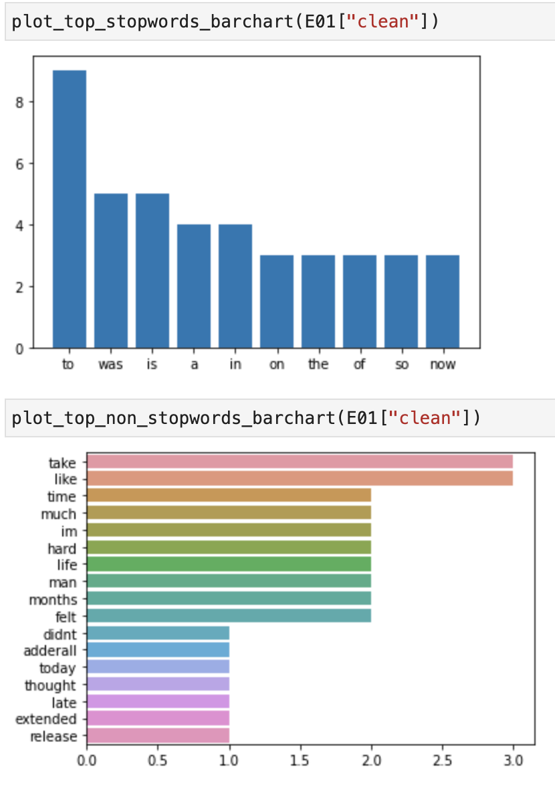
doc | clean | tokens | prediction | ground_truth
Didn’t take my adderall on time today, by the time I thought of doing so it was much too late to take it (I’m on extended release, don’t want to mess up my sleep) Now I’m trying to figure out if my brain is super funky from amphetamine withdrawal, or was it always like this? | didnt take adderall on time today by the time thought of doing so was much too late to take im on extended release dont want to mess up sleep now im trying to figure out if brain is super funky from amphetamine withdrawal or was always like | ['didnt', 'take', 'adderall', 'on', 'time', 'today', 'by', 'the', 'time', 'thought', 'of', 'doing', 'so', 'was', 'much', 'too', 'late', 'to', 'take', 'im', 'on', 'extended', 'release', 'dont', 'want', 'to', 'mess', 'up', 'sleep', 'now', 'im', 'trying', 'to', 'figure', 'out', 'if', 'brain', 'is', 'super', 'funky', 'from', 'amphetamine', 'withdrawal', 'or', 'was', 'always', 'like'] | 1 | 0 | 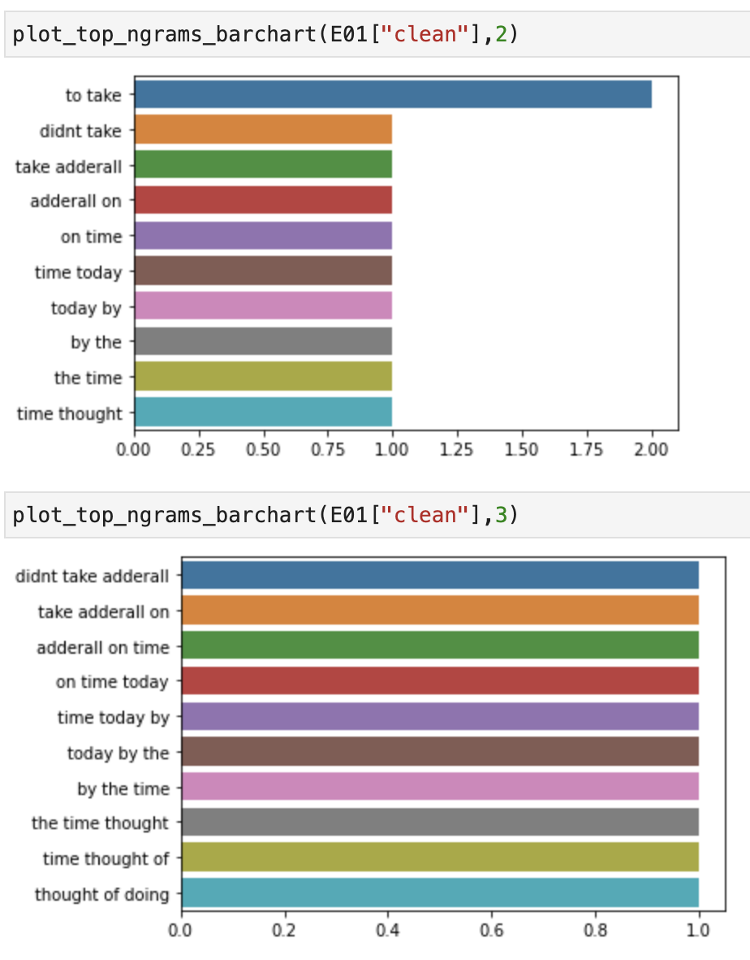
Proud of you! Admitting to my mom that I had a problem was a hard step but it was the right decision. It gave me someone who is in my everyday life to hold me accountable. Hang in there man you’ve got this! | proud of admitting to mom had a problem was a hard step but was the right decision gave someone is in everyday life to hold accountable hang in there man youve got | ['proud', 'of', 'admitting', 'to', 'mom', 'had', 'a', 'problem', 'was', 'a', 'hard', 'step', 'but', 'was', 'the', 'right', 'decision', 'gave', 'someone', 'is', 'in', 'everyday', 'life', 'to', 'hold', 'accountable', 'hang', 'in', 'there', 'man', 'youve', 'got'] | 1 | 0
Aw fuck that made me tear up a bit. Thanks so much, dude. I feel like I've been wanting to quit since I started. But there's that voice telling me I'm not done and it's so hard to ignore. | aw fuck made tear up a bit thanks so much dude feel like have been wanting to quit since started but there is voice telling am not done and is so hard to ignore | ['aw', 'fuck', 'made', 'tear', 'up', 'a', 'bit', 'thanks', 'so', 'much', 'dude', 'feel', 'like', 'have', 'been', 'wanting', 'to', 'quit', 'since', 'started', 'but', 'there', 'is', 'voice', 'telling', 'am', 'not', 'done', 'and', 'is', 'so', 'hard', 'to', 'ignore'] | 1 | 0
...

E02
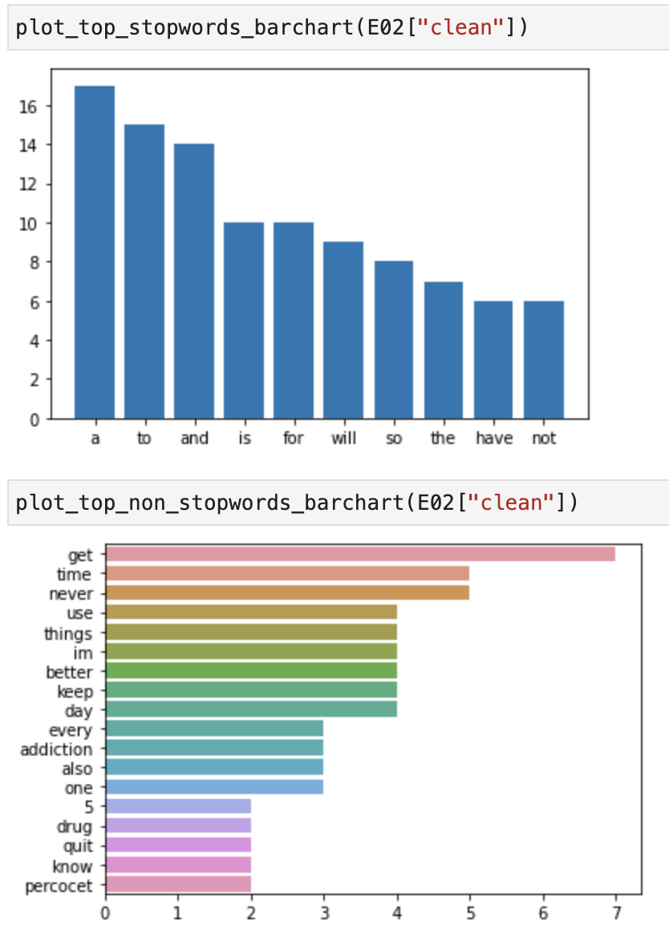
doc | clean | tokens | prediction | ground_truth
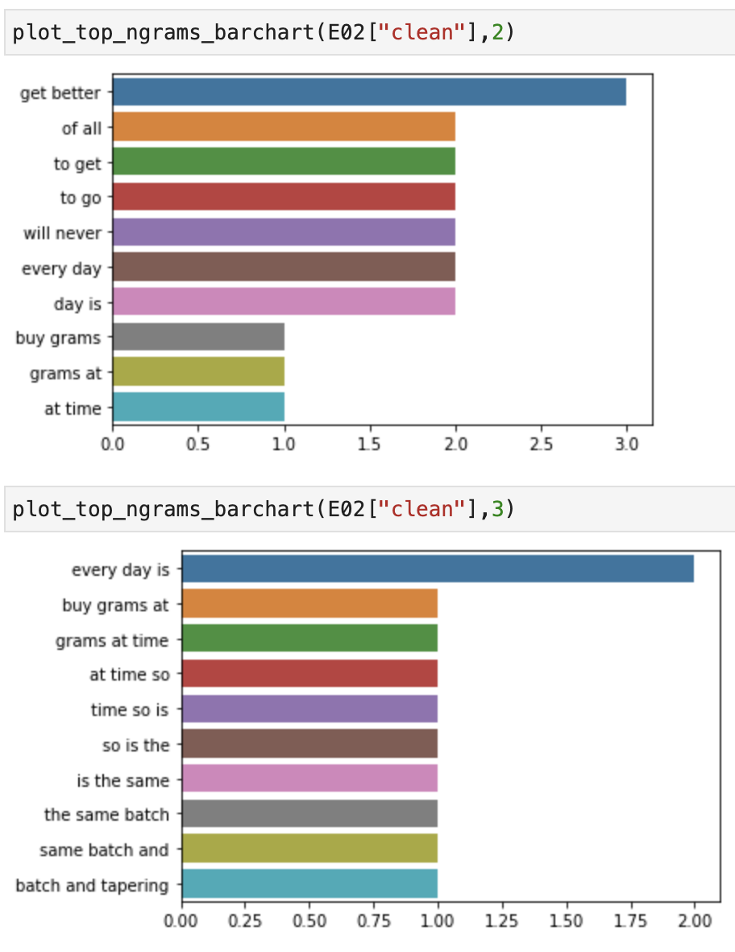
I buy 5 grams at a time so it's the same batch, and tapering has worked for every other drug addiction I've quit. I'll let ya know when I'm done. | buy 5 grams at a time so is the same batch and tapering has worked for every other drug addiction have quit will let ya know when am done | ['buy', '5', 'grams', 'at', 'a', 'time', 'so', 'is', 'the', 'same', 'batch', 'and', 'tapering', 'has', 'worked', 'for', 'every', 'other', 'drug', 'addiction', 'have', 'quit', 'will', 'let', 'ya', 'know', 'when', 'am', 'done'] | 2 | 0
Poppin Percocet solve all my problems | poppin percocet solve all problems | ['poppin', 'percocet', 'solve', 'all', 'problems'] | 2 | 0
I can not sleep so maybe I will use tramadol | can not sleep so maybe will use tramadol | ['can', 'not', 'sleep', 'so', 'maybe', 'will', 'use', 'tramadol'] | 2 | 0
I’ll also use trazadone so I don’t build a benzo addiction. So I can use which ever first. Getting sleep initially is very important since your body is freaking out | ill also use trazadone so dont build a benzo addiction so can use ever first getting sleep initially is very important since body is freaking out | ['ill', 'also', 'use', 'trazadone', 'so', 'dont', 'build', 'a', 'benzo', 'addiction', 'so', 'can', 'use', 'ever', 'first', 'getting', 'sleep', 'initially', 'is', 'very', 'important', 'since', 'body', 'is', 'freaking', 'out'] | 2 | 0
Yes that's why I'm so frustrated with myself that I picked methadone of all things ... But I'm going to get through it. I have to jd | yes is why am so frustrated with picked methadone of all things but am going to get through have to jd | ['yes', 'is', 'why', 'am', 'so', 'frustrated', 'with', 'picked', 'methadone', 'of', 'all', 'things', 'but', 'am', 'going', 'to', 'get', 'through', 'have', 'to', 'jd'] | 2 | 0
Time to mix 🥃 Hennessy+Taylor Port+Xanax +Percocet I wonder where will I land 🪂 | time to mix hennessytaylor portxanax percocet wonder where will land | ['time', 'to', 'mix', 'hennessytaylor', 'portxanax', 'percocet', 'wonder', 'where', 'will', 'land'] | 2 | 0
25 days. had an appointment today for my anxiety that went awesome. i’m excited i have cash for my kids’ dr appointment tomorrow and enough to go immediately get their new glasses. it’s crazy how fast things get better. also working on a painting as a christmas gift for someone | 25 days had an appointment today for anxiety went awesome im excited have cash for kids dr appointment tomorrow and enough to go immediately get new glasses crazy how fast things get better also working on a painting as a christmas gift for someone | ['25', 'days', 'had', 'an', 'appointment', 'today', 'for', 'anxiety', 'went', 'awesome', 'im', 'excited', 'have', 'cash', 'for', 'kids', 'dr', 'appointment', 'tomorrow', 'and', 'enough', 'to', 'go', 'immediately', 'get', 'new', 'glasses', 'crazy', 'how', 'fast', 'things', 'get', 'better', 'also', 'working', 'on', 'a', 'painting', 'as', 'a', 'christmas', 'gift', 'for', 'someone'] | 2 | 0
I thought about it but honestly i dont trust myself. I decided to go CT due to my addictive personality. So Ive just been dealing. Its actually improving daily and i pray it continues to get better. Thanks for the advice!!! | thought about but honestly dont trust decided to go ct due to addictive personality so ive just been dealing actually improving daily and pray continues to get better thanks for the advice | ['thought', 'about', 'but', 'honestly', 'dont', 'trust', 'decided', 'to', 'go', 'ct', 'due', 'to', 'addictive', 'personality', 'so', 'ive', 'just', 'been', 'dealing', 'actually', 'improving', 'daily', 'and', 'pray', 'continues', 'to', 'get', 'better', 'thanks', 'for', 'the', 'advice'] | 2 | 0
Never, ever drink while detoxing opiates. I think it makes things way worse ha. Plus alcohol will never hit those same receptors and thus will never satisfy. Hope youre still on track mate, happy NY :) | never ever drink while detoxing opiates think makes things way worse ha plus alcohol will never hit same receptors and thus will never satisfy hope youre still on track mate happy ny | ['never', 'ever', 'drink', 'while', 'detoxing', 'opiates', 'think', 'makes', 'things', 'way', 'worse', 'ha', 'plus', 'alcohol', 'will', 'never', 'hit', 'same', 'receptors', 'and', 'thus', 'will', 'never', 'satisfy', 'hope', 'youre', 'still', 'on', 'track', 'mate', 'happy', 'ny'] | 2 | 0
Well I never keep one, I stop before I get too deep and I keep at least 10 days off before I start up with fent etc | well never keep one stop before get too deep and keep at least 10 days off before start up with fent etc | ['well', 'never', 'keep', 'one', 'stop', 'before', 'get', 'too', 'deep', 'and', 'keep', 'at', 'least', '10', 'days', 'off', 'before', 'start', 'up', 'with', 'fent', 'etc'] | 2 | 0
I believe you can get clean. A lot of work ahead. But its worthy it. Prayers your way. | believe can get clean a lot of work ahead but worthy prayers way | ['believe', 'can', 'get', 'clean', 'a', 'lot', 'of', 'work', 'ahead', 'but', 'worthy', 'prayers', 'way'] | 2 | 0
will mixing alcohol and oxycodone kill me? im not trying to kms im just bored | will mixing alcohol and oxycodone kill im not trying to kms im just bored | ['will', 'mixing', 'alcohol', 'and', 'oxycodone', 'kill', 'im', 'not', 'trying', 'to', 'kms', 'im', 'just', 'bored'] | 2 | 0
Can’t believe I went from being a Xanax / Opiate addict to trading $SPY options and maintaining a 4.0 in college… This isn’t a flex at all, just a reminder to bet on yourself. You’re capable of achieving anything! | cant believe went from being a xanax opiate addict to trading spy options and maintaining a 40 in college isnt a flex at all just a reminder to bet on youre capable of achieving anything | ['cant', 'believe', 'went', 'from', 'being', 'a', 'xanax', 'opiate', 'addict', 'to', 'trading', 'spy', 'options', 'and', 'maintaining', 'a', '40', 'in', 'college', 'isnt', 'a', 'flex', 'at', 'all', 'just', 'a', 'reminder', 'to', 'bet', 'on', 'youre', 'capable', 'of', 'achieving', 'anything'] | 2 | 0
...

E10
doc | clean | tokens | prediction | ground_truth
I see what you're saying but I know myself pretty well and I have more self control than that. I've quit other drugs before and tapering works for me, kinda suck that nobody gave any advice on how to do it. Guess I'll figure it out myself | see are saying but know pretty well and have more self control than have quit other drugs before and tapering works for kinda suck nobody gave any advice on how to do guess will figure out | ['see', 'are', 'saying', 'but', 'know', 'pretty', 'well', 'and', 'have', 'more', 'self', 'control', 'than', 'have', 'quit', 'other', 'drugs', 'before', 'and', 'tapering', 'works', 'for', 'kinda', 'suck', 'nobody', 'gave', 'any', 'advice', 'on', 'how', 'to', 'do', 'guess', 'will', 'figure', 'out'] | 0 | 1 | 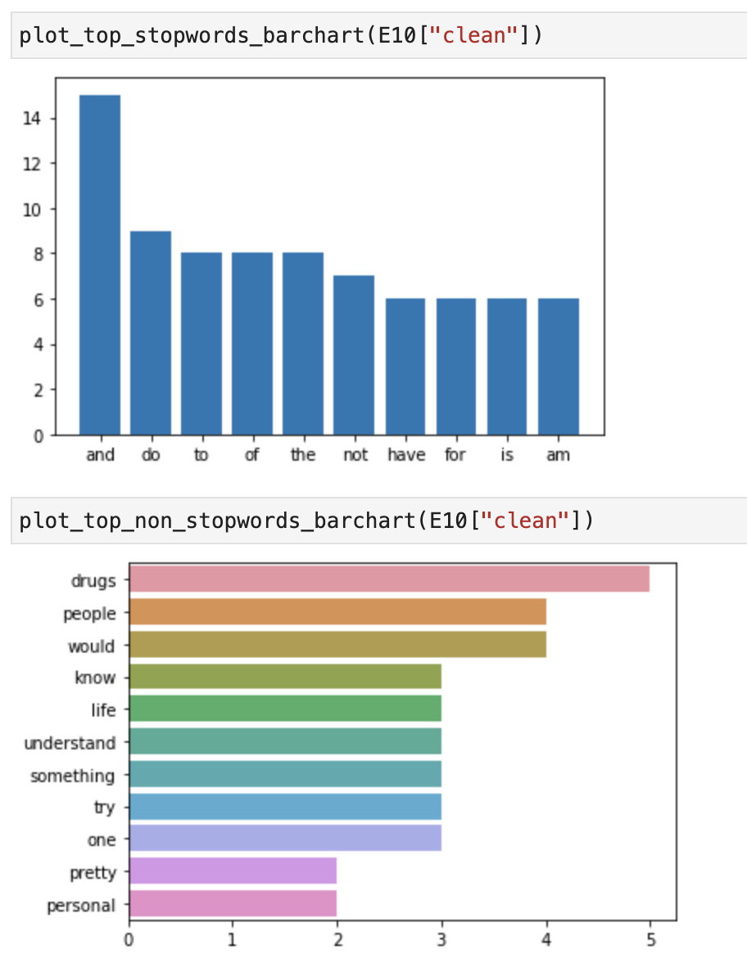 | 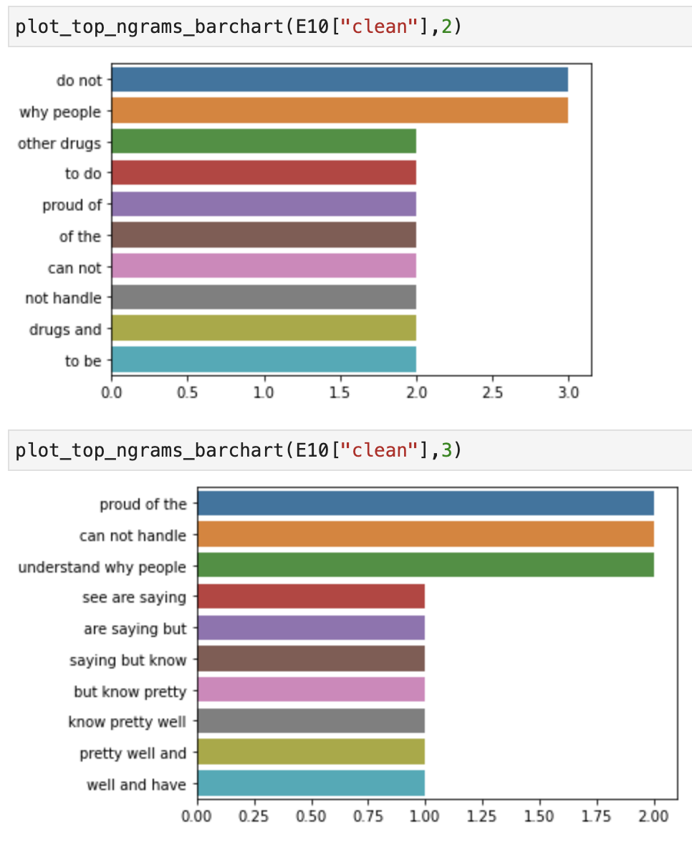
...

E12
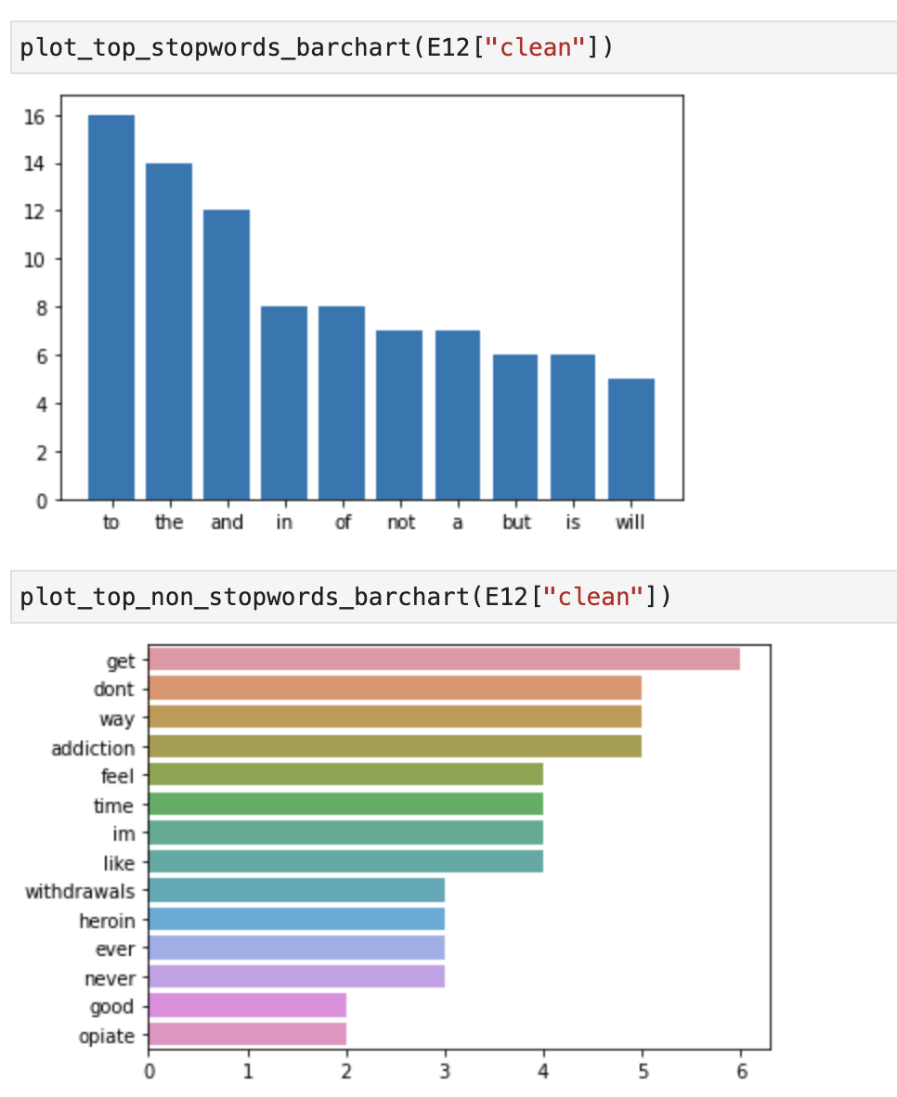
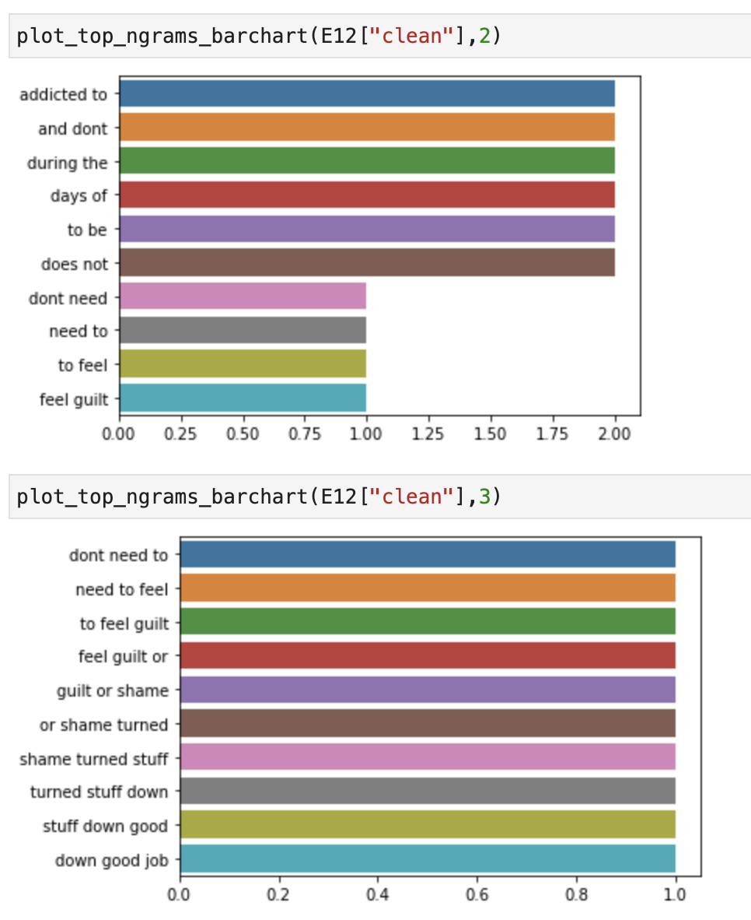
doc | clean | tokens | prediction | ground_truth
You dont need to feel guilt or shame. You turned that stuff down. Good job. You're still early in the ballgame. Cravings are normal and natural. They'll get better. | dont need to feel guilt or shame turned stuff down good job are still early in the ballgame cravings are normal and natural will get better | ['dont', 'need', 'to', 'feel', 'guilt', 'or', 'shame', 'turned', 'stuff', 'down', 'good', 'job', 'are', 'still', 'early', 'in', 'the', 'ballgame', 'cravings', 'are', 'normal', 'and', 'natural', 'will', 'get', 'better'] | 2 | 1
Long time booze hound opiate addict, that drank through withdrawals. In my experience it will not extend the opiate withdrawal symptoms, but you'll definitely feel way worse. | long time booze hound opiate addict drank through withdrawals in experience will not extend the opiate withdrawal symptoms but will definitely feel way worse | ['long', 'time', 'booze', 'hound', 'opiate', 'addict', 'drank', 'through', 'withdrawals', 'in', 'experience', 'will', 'not', 'extend', 'the', 'opiate', 'withdrawal', 'symptoms', 'but', 'will', 'definitely', 'feel', 'way', 'worse'] | 2 | 1
A relapse? So youve been addicted to these before and u dont know what your body can handle? Stick to the smirnoff bro and send those k57s to me. Cool? | a relapse so youve been addicted to before and u dont know body can handle stick to the smirnoff bro and send k57s to cool | ['a', 'relapse', 'so', 'youve', 'been', 'addicted', 'to', 'before', 'and', 'u', 'dont', 'know', 'body', 'can', 'handle', 'stick', 'to', 'the', 'smirnoff', 'bro', 'and', 'send', 'k57s', 'to', 'cool'] | 2 | 1
i did so many cold turkey withdrawals on my own until i found out you can just walk into these places.... | did so many cold turkey withdrawals on own until found out can just walk into places | ['did', 'so', 'many', 'cold', 'turkey', 'withdrawals', 'on', 'own', 'until', 'found', 'out', 'can', 'just', 'walk', 'into', 'places'] | 2 | 1
I use to sleep right here while I go as addicted to heroin. Don’t let nobody tell you what you can accomplish in life. I’m proof https://t.co/IJNpmq5RQj | use to sleep right here while go as addicted to heroin dont let nobody tell can accomplish in life im proof | ['use', 'to', 'sleep', 'right', 'here', 'while', 'go', 'as', 'addicted', 'to', 'heroin', 'dont', 'let', 'nobody', 'tell', 'can', 'accomplish', 'in', 'life', 'im', 'proof'] | 2 | 1
I will say that during the acute phase I can't stand taking showers. I mean, the hot water can feel good, no doubt, but in general I just feel really cold during the whole process and it makes me miserable. | will say during the acute phase can not stand taking showers mean the hot water can feel good no doubt but in general just feel really cold during the whole process and makes miserable | ['will', 'say', 'during', 'the', 'acute', 'phase', 'can', 'not', 'stand', 'taking', 'showers', 'mean', 'the', 'hot', 'water', 'can', 'feel', 'good', 'no', 'doubt', 'but', 'in', 'general', 'just', 'feel', 'really', 'cold', 'during', 'the', 'whole', 'process', 'and', 'makes', 'miserable'] | 2 | 1
I did this as well.. the PAWS depression from a rapid detox is the worst thing ever.. you def pay it one way or another | did as well the paws depression from a rapid detox is the worst thing ever def pay one way or another | ['did', 'as', 'well', 'the', 'paws', 'depression', 'from', 'a', 'rapid', 'detox', 'is', 'the', 'worst', 'thing', 'ever', 'def', 'pay', 'one', 'way', 'or', 'another'] | 2 | 1
My gf has never figured out. Even when time when I get really dizzy and collapsed I talked my way out of it somehow. Y’all ever get that? Like spinners and you can’t stand up? | gf has never figured out even when time when get really dizzy and collapsed talked way out of somehow yall ever get like spinners and cant stand up | ['gf', 'has', 'never', 'figured', 'out', 'even', 'when', 'time', 'when', 'get', 'really', 'dizzy', 'and', 'collapsed', 'talked', 'way', 'out', 'of', 'somehow', 'yall', 'ever', 'get', 'like', 'spinners', 'and', 'cant', 'stand', 'up'] | 2 | 1
...

E20
doc | clean | tokens | prediction | ground_truth
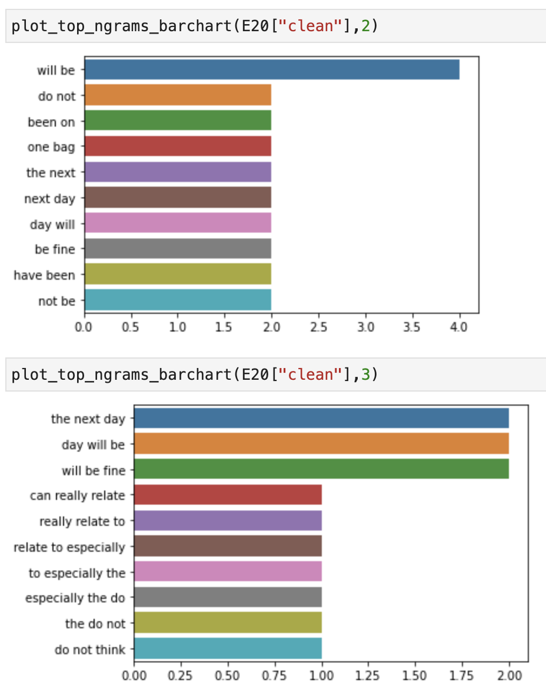
I can really relate to this. Especially the "I don't think that one hit, try another" But really, all of them, along with "fuck it, why not", "I might as well use up my stash then it will be easier to quit", "I deserve to feel good", "Just one more night..." and more! | can really relate to especially the do not think one hit try another but really all of along with fuck why not might as well use up stash then will be easier to quit deserve to feel good just one more night and more | ['can', 'really', 'relate', 'to', 'especially', 'the', 'do', 'not', 'think', 'one', 'hit', 'try', 'another', 'but', 'really', 'all', 'of', 'along', 'with', 'fuck', 'why', 'not', 'might', 'as', 'well', 'use', 'up', 'stash', 'then', 'will', 'be', 'easier', 'to', 'quit', 'deserve', 'to', 'feel', 'good', 'just', 'one', 'more', 'night', 'and', 'more'] | 0 | 2
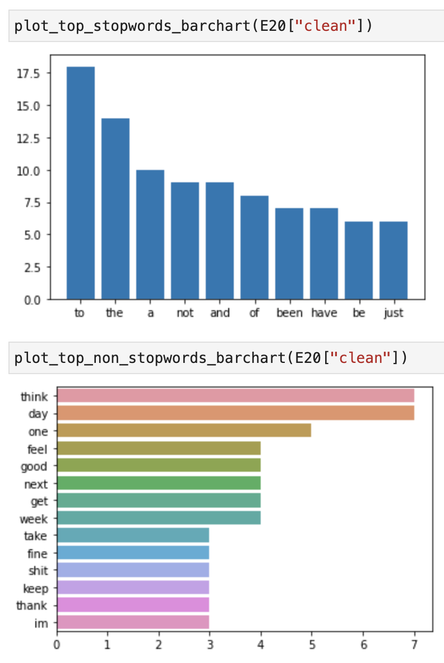
You'll be alright. Been on subs ages. Just used one bag? Have a sleep. Then take it as normal the next day. You'll be fine. I do it all the time. The only time I get PWD is if I've been on a week binge. You had one bag for one day. You'll be fine. I promise. | will be alright been on subs ages just used one bag have a sleep then take as normal the next day will be fine do all the time the only time get pwd is if have been on a week binge had one bag for one day will be fine promise | ['will', 'be', 'alright', 'been', 'on', 'subs', 'ages', 'just', 'used', 'one', 'bag', 'have', 'a', 'sleep', 'then', 'take', 'as', 'normal', 'the', 'next', 'day', 'will', 'be', 'fine', 'do', 'all', 'the', 'time', 'the', 'only', 'time', 'get', 'pwd', 'is', 'if', 'have', 'been', 'on', 'a', 'week', 'binge', 'had', 'one', 'bag', 'for', 'one', 'day', 'will', 'be', 'fine', 'promise'] | 0 | 2
This is some real shit. I think a vast majority of us feel that way. May not be actively suicidal but we keep seeing how close we can get to the edge. We nay not be trying to kill ourselves, but if it happens, it happens | is some real shit think a vast majority of us feel way may not be actively suicidal but keep seeing how close can get to the edge nay not be trying to kill but if happens happens | ['is', 'some', 'real', 'shit', 'think', 'a', 'vast', 'majority', 'of', 'us', 'feel', 'way', 'may', 'not', 'be', 'actively', 'suicidal', 'but', 'keep', 'seeing', 'how', 'close', 'can', 'get', 'to', 'the', 'edge', 'nay', 'not', 'be', 'trying', 'to', 'kill', 'but', 'if', 'happens', 'happens'] | 0 | 2
Good shit man. 72 days from fent myself today. Take care of yourself, keep the post acute withdrawals in mind whenever you’re having an off day. All love and good luck. | good shit man 72 days from fent today take care of keep the post acute withdrawals in mind whenever youre having an off day all love and good luck | ['good', 'shit', 'man', '72', 'days', 'from', 'fent', 'today', 'take', 'care', 'of', 'keep', 'the', 'post', 'acute', 'withdrawals', 'in', 'mind', 'whenever', 'youre', 'having', 'an', 'off', 'day', 'all', 'love', 'and', 'good', 'luck'] | 0 | 2
Thank you sir, I know of the risks with acetaminophen. I have not done opiates in years before this encounter yesterday, do you think I’d feel anything if I were to take some tonight? | thank sir know of the risks with acetaminophen have not done opiates in years before encounter yesterday do think id feel anything if were to take some tonight | ['thank', 'sir', 'know', 'of', 'the', 'risks', 'with', 'acetaminophen', 'have', 'not', 'done', 'opiates', 'in', 'years', 'before', 'encounter', 'yesterday', 'do', 'think', 'id', 'feel', 'anything', 'if', 'were', 'to', 'take', 'some', 'tonight'] | 0 | 2
Day 19 clean for me, and I have been having moments of weakness where I want to use to escape, chimed into the opiates sub Reddit and everyone who chimed in helped me feel better. I think these paws have me super depressed but I’ve been managing. Many blessings all keep it up! | day 19 clean for and have been having moments of weakness where want to use to escape chimed into the opiates sub reddit and everyone chimed in helped feel better think paws have super depressed but ive been managing many blessings all keep up | ['day', '19', 'clean', 'for', 'and', 'have', 'been', 'having', 'moments', 'of', 'weakness', 'where', 'want', 'to', 'use', 'to', 'escape', 'chimed', 'into', 'the', 'opiates', 'sub', 'reddit', 'and', 'everyone', 'chimed', 'in', 'helped', 'feel', 'better', 'think', 'paws', 'have', 'super', 'depressed', 'but', 'ive', 'been', 'managing', 'many', 'blessings', 'all', 'keep', 'up'] | 0 | 2
...

E21
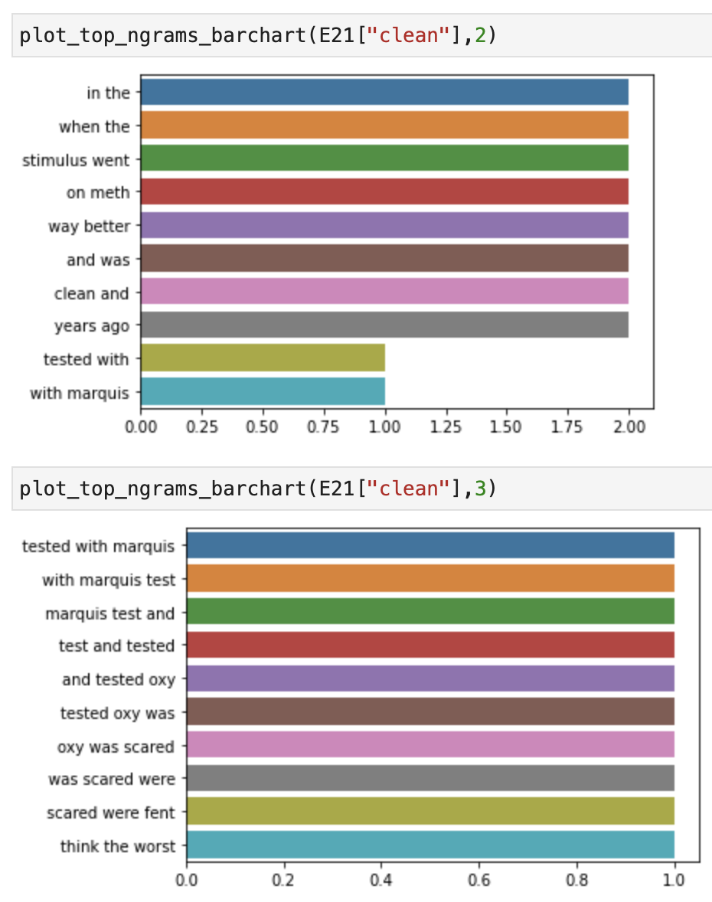
 |  |  |  | ground_truth
 |  |  |  | 2
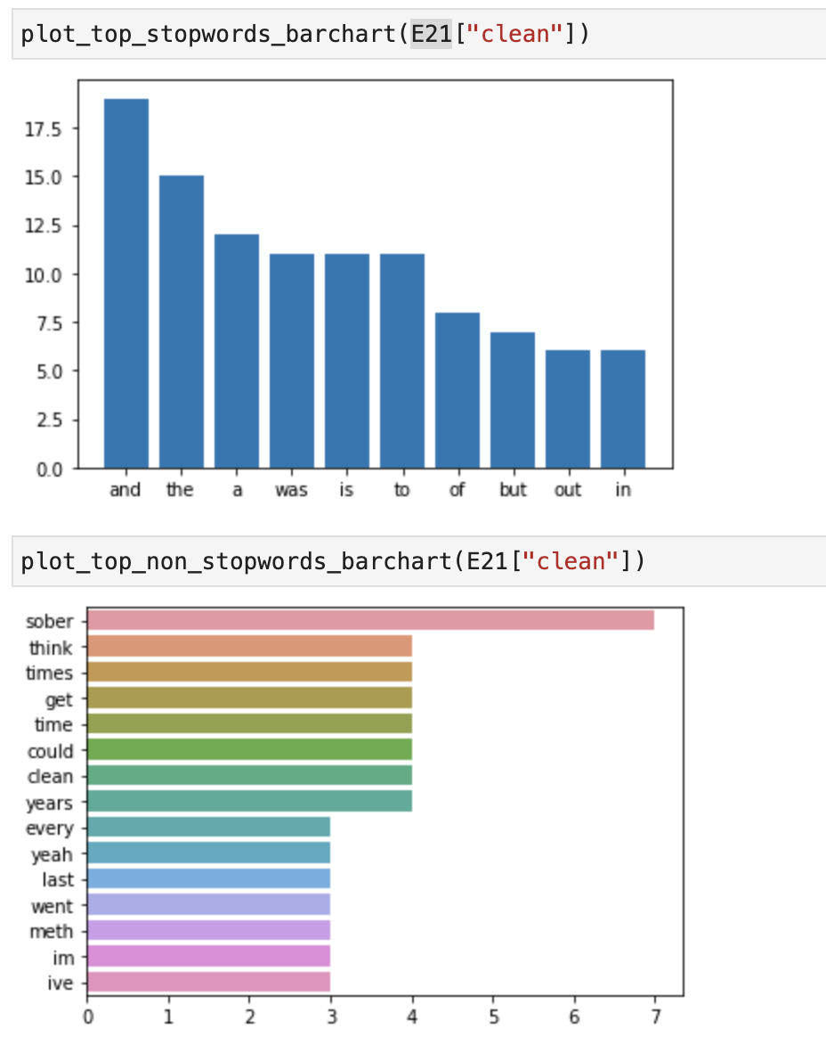
I think the worst part was the god awful taste of chemicals. Its like your body is pulling from every corner and pushing chemicals out. Gives me PTSD just thinking about that night. | think the worst part was the god awful taste of chemicals like body is pulling from every corner and pushing chemicals out gives ptsd just thinking about night | ['think', 'the', 'worst', 'part', 'was', 'the', 'god', 'awful', 'taste', 'of', 'chemicals', 'like', 'body', 'is', 'pulling', 'from', 'every', 'corner', 'and', 'pushing', 'chemicals', 'out', 'gives', 'ptsd', 'just', 'thinking', 'about', 'night'] | 1 | 2
Kratom tastes super disgusting so I’d recommend the capsules. yeah it’s wayyyy more expensive but they’re many times easier than trying to choke down that dogshit | kratom tastes super disgusting so id recommend the capsules yeah wayyyy more expensive but theyre many times easier than trying to choke down dogshit | ['kratom', 'tastes', 'super', 'disgusting', 'so', 'id', 'recommend', 'the', 'capsules', 'yeah', 'wayyyy', 'more', 'expensive', 'but', 'theyre', 'many', 'times', 'easier', 'than', 'trying', 'to', 'choke', 'down', 'dogshit'] | 1 | 2
To give myself every tool available to deal with cravings and get some serious time beyond this relapse. I know MAT isn’t for everyone, but it’s worked for me in the past and I didn’t have much trouble stopping the subs when the time came. | to give every tool available to deal with cravings and get some serious time beyond relapse know mat isnt for everyone but worked for in the past and didnt have much trouble stopping the subs when the time came | ['to', 'give', 'every', 'tool', 'available', 'to', 'deal', 'with', 'cravings', 'and', 'get', 'some', 'serious', 'time', 'beyond', 'relapse', 'know', 'mat', 'isnt', 'for', 'everyone', 'but', 'worked', 'for', 'in', 'the', 'past', 'and', 'didnt', 'have', 'much', 'trouble', 'stopping', 'the', 'subs', 'when', 'the', 'time', 'came'] | 1 | 2
Yep I go from 20 bag to whole paycheck in about a two week timeframe from my last relapse, which was when the stimulus went out (guess where my stimulus went) | yep go from 20 bag to whole paycheck in about a two week timeframe from last relapse was when the stimulus went out guess where stimulus went | ['yep', 'go', 'from', '20', 'bag', 'to', 'whole', 'paycheck', 'in', 'about', 'a', 'two', 'week', 'timeframe', 'from', 'last', 'relapse', 'was', 'when', 'the', 'stimulus', 'went', 'out', 'guess', 'where', 'stimulus', 'went'] | 1 | 2
Ok so tell me this ! Why is it every time I sober up on meth and ghb kik back ..then take some Adderall, next thing you know.. it's cloudy with a chance of Shards. | ok so tell why is every time sober up on meth and ghb kik back then take some adderall next thing know is cloudy with a chance of shards | ['ok', 'so', 'tell', 'why', 'is', 'every', 'time', 'sober', 'up', 'on', 'meth', 'and', 'ghb', 'kik', 'back', 'then', 'take', 'some', 'adderall', 'next', 'thing', 'know', 'is', 'cloudy', 'with', 'a', 'chance', 'of', 'shards'] | 1 | 2
also forgor to mention i slept outside on our garden on a very uncomfortable bench but it was a way better sleep than my bed could ever give, also why does sleeping on meth feel way better than sober sleeping | also forgor to mention slept outside on garden on a very uncomfortable bench but was a way better sleep than bed could ever give also why does sleeping on meth feel way better than sober sleeping | ['also', 'forgor', 'to', 'mention', 'slept', 'outside', 'on', 'garden', 'on', 'a', 'very', 'uncomfortable', 'bench', 'but', 'was', 'a', 'way', 'better', 'sleep', 'than', 'bed', 'could', 'ever', 'give', 'also', 'why', 'does', 'sleeping', 'on', 'meth', 'feel', 'way', 'better', 'than', 'sober', 'sleeping'] | 1 | 2
Totally missed a doctors appointment cause I was knocked out off this tramadol 🤦🏾‍♀️ | totally missed a doctors appointment cause was knocked out off tramadol | ['totally', 'missed', 'a', 'doctors', 'appointment', 'cause', 'was', 'knocked', 'out', 'off', 'tramadol'] | 1 | 2
Morning #RecoveryPosse today I wont say to the mrs meeting the lads after work be home at 7 I’ll bring a takeaway. Then text her I’m not coming home, sort yourself out after I’ve had cocaine &amp; beers. Roll in at 4am, ruin my weekend &amp; my relationship. Today I stay clean &amp; sober | morning recoveryposse today wont say to the mrs meeting the lads after work be home at 7 ill bring a takeaway then text im not coming home sort out after ive had cocaine amp beers roll in at 4am ruin weekend amp relationship today stay clean amp sober | ['morning', 'recoveryposse', 'today', 'wont', 'say', 'to', 'the', 'mrs', 'meeting', 'the', 'lads', 'after', 'work', 'be', 'home', 'at', '7', 'ill', 'bring', 'a', 'takeaway', 'then', 'text', 'im', 'not', 'coming', 'home', 'sort', 'out', 'after', 'ive', 'had', 'cocaine', 'amp', 'beers', 'roll', 'in', 'at', '4am', 'ruin', 'weekend', 'amp', 'relationship', 'today', 'stay', 'clean', 'amp', 'sober'] | 1 | 2
Ive been an addict mate and noone cares. All i cared about was my next hit. | ive been an addict mate and noone cares all cared about was next hit | ['ive', 'been', 'an', 'addict', 'mate', 'and', 'noone', 'cares', 'all', 'cared', 'about', 'was', 'next', 'hit'] | 1 | 2
This. Zofran helped a lot. I'm a very thin gal as it is and I was rapidly losing weight. The only thing I could keep down was tomato soup and toast. | zofran helped a lot am a very thin gal as is and was rapidly losing weight the only thing could keep down was tomato soup and toast | ['zofran', 'helped', 'a', 'lot', 'am', 'a', 'very', 'thin', 'gal', 'as', 'is', 'and', 'was', 'rapidly', 'losing', 'weight', 'the', 'only', 'thing', 'could', 'keep', 'down', 'was', 'tomato', 'soup', 'and', 'toast'] | 1 | 2
Bahahaha math. I'm getting sober of of meth. I haven't used since Halloween. | bahahaha math am getting sober of of meth have not used since halloween | ['bahahaha', 'math', 'am', 'getting', 'sober', 'of', 'of', 'meth', 'have', 'not', 'used', 'since', 'halloween'] | 1 | 2
I’m on 3 antidepressants and I take kratom 3 times per day. Hasn’t caused any issues yet but not to say it couldn’t. | im on 3 antidepressants and take kratom 3 times per day hasnt caused any issues yet but not to say couldnt | ['im', 'on', '3', 'antidepressants', 'and', 'take', 'kratom', '3', 'times', 'per', 'day', 'hasnt', 'caused', 'any', 'issues', 'yet', 'but', 'not', 'to', 'say', 'couldnt'] | 1 | 2
...

